MENU
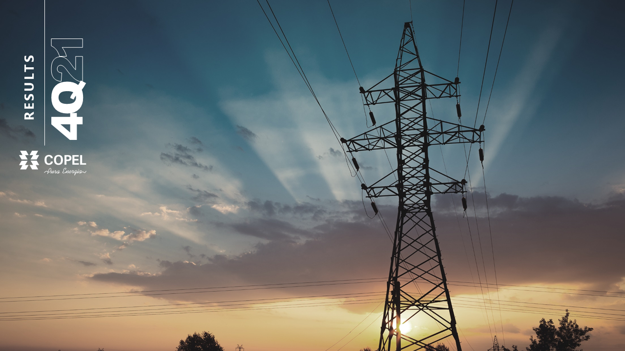
List of Exhibit

II
RESULT BY
SUBSIDIARY
III
ENERGY
MARKET
IV
OPERATIONAL
DATA
I
CONSOLIDATED RESULTS

INCOME STATEMENT
COPEL GET
INCOME STATEMENT
DISTRIBUTION MARKET
INDICATORS SUMMARY

BALANCE SHEET
COPEL DIS
INCOME STATEMENT
ENERGY FLOW
GENERATION

CASH FLOW
COPEL COM
INCOME STATEMENT
TARIFFS
GENERATION - INTEREST

INCOME STATEMENT
BY COMPANY
QUARTER
FINANCIAL RESULT
ELECTRICITY PURCHASED AND CHARGES
TRANSMISSION

INCOME STATEMENT
BY COMPANY
ACCUMULATED
ADJUSTED EBITDA AND EQUITY IN EARNINGS OF SUBSIDIARIES
ENERGY BALANCE
DISTRIBUTION

ASSETS BY COMPANY

LIABILITIES BY COMPANY

I - INCOME STATEMENT
MENU

Exhibit I - CONSOLIDATED RESULTS > INCOME STATEMENT
 |  |  |  |  |  | R$ '000
Income Statement | 4Q21 | 4Q20 | Δ% | 2021 | 2020 | Δ%

OPERATING REVENUES | 6,593,692 | 5,655,158 | 16.6 | 23,984,287 | 18,633,249 | 28.7
Electricity sales to final customers | 1,902,861 | 1,768,797 | 7.6 | 7,237,677 | 6,652,824 | 8.8
Electricity sales to distributors | 1,733,764 | 1,435,982 | 20.7 | 6,051,854 | 3,779,830 | 60.1
Use of the main distribution and transmission grid | 1,430,490 | 1,315,757 | 8.7 | 5,295,074 | 4,372,596 | 21.1
Construction revenue | 568,442 | 493,403 | 15.2 | 1,951,559 | 1,414,067 | 38.0
Fair value of assets from the indemnity for the concession | 45,054 | 44,364 | 1.6 | 142,642 | 57,341 | 148.8
Revenues from telecommunications | - | - | - | - | - | -
Distribution of piped gas | 208,314 | 123,384 | 68.8 | 712,267 | 502,655 | 41.7
Result of Sectorial financial assets and liabilities | 596,444 | 412,907 | 44.4 | 2,270,859 | 676,939 | 235.5
Other operating revenues | 108,323 | 60,564 | 78.9 | 322,355 | 1,176,997 | (72.6)
OPERATING COSTS AND EXPENSES | (6,046,862) | (4,724,583) | 28.0 | (18,904,563) | (14,573,530) | 29.7
Electricity purchased for resale | (2,361,847) | (2,321,169) | 1.8 | (9,503,743) | (6,829,530) | 39.2
Charge of the main distribution and transmission grid | (878,834) | (531,060) | 65.5 | (2,501,641) | (1,525,567) | 64.0
Personnel and management | (568,930) | (674,337) | (15.6) | (1,550,857) | (1,601,895) | (3.2)
Pension and healthcare plans | (64,127) | (57,732) | 11.1 | (248,773) | (228,634) | 8.8
Materials and supplies | (19,780) | (18,608) | 6.3 | (69,822) | (72,680) | (3.9)
Materials and supplies for power eletricity | (698,498) | (261,087) | 167.5 | (1,854,948) | (404,496) | 358.6
Natural gas and supplies for the gas business | (145,996) | (91,091) | 60.3 | (506,065) | (354,701) | 42.7
Third-party services | (210,690) | (144,371) | 45.9 | (706,599) | (558,041) | 26.6
Depreciation and amortization | (308,742) | (268,017) | 15.2 | (1,082,539) | (1,009,913) | 7.2
Provisions and reversals | (142,101) | 178,248 | - | (240,787) | (237,294) | 1.5
Construction cost | (548,671) | (476,289) | 15.2 | (1,899,844) | (1,417,504) | 34.0
Other cost and expenses | (98,646) | (59,070) | 67.0 | 1,261,055 | (333,275) | -
EQUITY IN EARNINGS OF SUBSIDIARIES | 87,348 | 110,148 | (20.7) | 366,314 | 193,547 | 89.3
PROFIT BEFORE FINANCIAL RESULTS AND TAXES | 634,178 | 1,040,723 | (39.1) | 5,446,038 | 4,253,266 | 28.0
FINANCIAL RESULTS | (207,177) | (1,693) | - | (327,361) | 866,271 | -
Financial income | 213,479 | 256,148 | (16.7) | 932,049 | 1,839,668 | (49.3)
Financial expenses | (420,656) | (257,841) | 63.1 | (1,259,410) | (973,397) | 29.4
OPERATIONAL EXPENSES/ INCOME | 427,001 | 1,039,030 | (58.9) | 5,118,677 | 5,119,537 | (0.0)
INCOME TAX AND SOCIAL CONTRIBUTION ON PROFIT | (30,830) | 49,241 | - | (1,259,632) | (1,285,365) | (2.0)
Income tax and social contribution on profit | (18,753) | (35,299) | (46.9) | (469,226) | (1,260,469) | (62.8)
Deferred income tax and social contribution on profit | (12,077) | 84,540 | - | (790,406) | (24,896) | -
NET PROFIT continued operations | 396,171 | 1,088,271 | (63.6) | 3,859,045 | 3,834,172 | 0.6
NET PROFIT discontinued operations | - | 35,176 | - | 1,189,557 | 75,578 | -
NET PROFIT | 396,171 | 1,123,447 | (64.7) | 5,048,602 | 3,909,750 | 29.1
Attributed to shareholders of the parent company - continuous operations | 387,638 | 1,064,701 | (63.6) | 3,767,197 | 3,823,981 | (1.5)
Attributed to the controlling company's shareholders - discontinued operations | - | 33,745 | - | 1,185,376 | 80,221 | 1,377.6
Attributed to non-controlling shareholders | 8,534 | 25,001 | (65.9) | 96,029 | 5,548 | 1,630.9
EBITDA continued operations | 942,920 | 1,308,740 | (28.0) | 6,528,577 | 5,263,179 | 24.0
EBITDA discontinued operations (Copel Telecom) | - | 68,754 | - | 1,872,380 | 259,559 | 621.4
EBITDA with continued operations | 942,920 | 1,377,494 | (31.5) | 8,400,957 | 5,522,738 | 52.1

I - BALANCE SHEET
MENU

Exhibit I - CONSOLIDATED RESULTS > BALANCE SHEET
R$'000 |  |  |  | R$'000
Assets | Dec-21 | Dec-20 | Δ% | Liabilities | Dec-21 | Dec-20 | Δ%
CURRENT | 11,189,872 | 11,407,431 | (1.9) | CURRENT | 7,979,993 | 9,654,392 | (17.3)
Cash and cash equivalents | 3,472,845 | 3,222,768 | 7.8 | Payroll, social charges and accruals | 604,810 | 684,046 | (11.6)
Bonds and securities | 16,121 | 1,465 | - | Suppliers | 2,585,735 | 2,291,307 | 12.8
Collaterals and escrow accounts | 182 | 197 | (7.6) | Income tax and social contribution payable | 63,946 | 681,831 | (90.6)
Customers | 4,433,193 | 3,768,242 | 17.6 | Other taxes due | 440,933 | 490,608 | (10.1)
Dividends receivable | 68,162 | 67,066 | 1.6 | Loans, financing and debentures | 2,724,255 | 2,599,088 | 4.8
CRC transferred to the State of Paraná | - | 287,789 | - | Minimum compulsory dividend payable | 330,947 | 991,887 | (66.6)
Sectorial financial assets | 383,740 | 173,465 | 121.2 | Post employment benefits | 68,836 | 69,231 | (0.6)
Account receivable related to concession | 5,121 | 4,515 | 13.4 | Customer charges due | 198,386 | 33,712 | 488.5
Accounts receivable related to the concession compensation | - | - | - | Research and development and energy efficiency | 292,495 | 380,186 | (23.1)
Contract Assets | 148,488 | 285,682 | (48.0) | Accounts Payable related to concession | 104,963 | 88,951 | 18.0
Other current receivables | 749,816 | 514,185 | 45.8 | Net sectorial financial liabilities | 139,770 | 188,709 | (25.9)
Inventories | 197,779 | 162,791 | 21.5 | Lease liability | 47,240 | 41,193 | 14.7
Income tax and social contribution | 151,912 | 86,410 | 75.8 | Other accounts payable | 370,383 | 235,400 | 57.3
Other current recoverable taxes | 1,508,864 | 1,565,323 | (3.6) | PIS and COFINS to be refunded to costumers | 7,294 | 121,838 | (94.0)
Prepaid expenses | 53,649 | 36,987 | 45.0 | Provision for litigation | - | - | -
Related parties | - | - | - | Liabilities associated with assets classified as held for sale | - | 756,405 | -
Assets classified as held for sale | - | 1,230,546 | - | NON-CURRENT | 19,382,307 | 16,879,754 | 14.8
NON-CURRENT | 38,347,663 | 35,377,233 | 8.4 | Subsidiaries and Affiliates | - | - | -
Long Term Assets | 15,743,322 | 16,090,279 | (2.2) | Suppliers | 125,249 | 145,145 | (13.7)
Bonds and securities | 344,937 | 299,065 | 15.3 | Deferred income tax and social contribution | 1,364,828 | 484,338 | 181.8
Other temporary investments | 19,985 | 22,385 | (10.7) | Other taxes due | 594,810 | 622,483 | (4.4)
Collaterals and escrow accounts | 142,764 | 133,521 | 6.9 | Loans, financing and debentures | 9,101,806 | 7,346,924 | 23.9
Customers | 82,233 | 51,438 | 59.9 | Post employment benefits | 1,226,338 | 1,424,383 | (13.9)
CRC transferred to the State of Paraná | - | 1,104,835 | - | Research and development and energy efficiency | 334,602 | 284,825 | 17.5
Judicial deposits | 591,131 | 486,746 | 21.4 | Accounts Payable related to concession | 798,996 | 642,913 | 24.3
Sectoral financial assets | 383,740 | 173,465 | 121.2 | Net sectorial financial liabilities | 153,409 | - | -
Account receivable related to concession | 2,261,684 | 1,897,825 | 19.2 | Lease liability | 165,494 | 97,168 | 70.3
Accounts receivable related to the concession compensation | - | - | - | Other accounts payable | 599,909 | 469,886 | 27.7
Contract Assets | 6,739,560 | 5,207,115 | 29.4 | PIS and COFINS to be refunded to costumers | 3,319,501 | 3,805,985 | (12.8)
Other non-current receivables | 916,606 | 845,460 | 8.4 | Tax, social security, labor and civil provisions | 1,597,365 | 1,555,704 | 2.7
Income tax and social contribution | 153,850 | 137,778 | 11.7 | EQUITY | 22,175,235 | 20,250,518 | 9.5
Deferred income tax and social contribution | 963,259 | 1,191,104 | (19.1) | Attributed to controlling shareholders | 21,837,024 | 19,959,111 | 9.4
Other non-current recoverable taxes | 3,143,546 | 4,539,498 | (30.8) | Share capital | 10,800,000 | 10,800,000 | -
Prepaid expenses | 27 | 44 | (38.6) | Equity valuation adjustments | 426,170 | 353,349 | 20.6
...

I - CASH FLOW
MENU

Exhibit I - CONSOLIDATED RESULTS > CASH FLOW
ANEXO I - RESULTADO CONSOLIDADO > FLUXO DE CAIXA CONSOLIDADO
 |  | R$'000
 | 2021 | 2020

 |  | R$ mil
Net income (loss) from discontinued operations | 1,189,557 | 75,578
Net income | 5,048,602 | 3,909,750
Adjustments to reconcile net income for the period with cash | 1,996,761 | 3,577,975
Unrealized charges, monetary and exchange variations - net | 747,246 | 456,456
Effective interest - bonus for granting a concession agreement under the quota system | (134,482) | (94,307)
Remuneration of transmission concession contracts | (1,084,986) | (777,670)
Income tax and social contribution - discontinued operations | - | -
Deferred income tax and social contribution - discontinued operations | - | -
Recovery of PIS/Pasep and Cofins on ICMS | (21,640) | (1,755,112)
...

I - FINANCIAL RESULT
MENU

Exhibit I - CONSOLIDATED RESULTS > FINANCIAL RESULT
 |  |  |  |  |  | R$'000
 | 4Q21 | 4Q20 | Δ% | 2021 | 2020 | Δ%
Financial Revenues | 213,479 | 256,148 | (16.7) | 932,049 | 1,839,668 | (49.3)
Income and monetary variation on CRC transfer | - | 104,323 | - | 255,777 | 341,964 | (25.2)
Income from investments held for trading | 78,348 | 17,067 | 359.1 | 163,888 | 80,704 | 103.1
Monetary restatement on indemnifiable assets - concession | - | - | - | - | - | -
Exchange variation on loan collateral | (1,275) | (11,522) | (88.9) | 9,243 | 35,089 | (73.7)
Late fees on electricity bills | 79,030 | 96,150 | (17.8) | 326,217 | 271,966 | 19.9
Monetary restatement on interest on indemnified assets - compensation of the concession | - | - | - | - | - | -
Income from financial investments available for sale | - | - | - | - | - | -
Monetary restatement and adjustment to present value of accounts payable related to concession | 1,939 | 1,109 | 74.8 | 5,373 | 2,322 | 131.4
Income from sectorial assets and liabilities | 17,895 | 2,143 | 735.0 | 35,902 | 20,168 | 78.0
Exchange variation About Purchase Itaipu Electric Power | (2,957) | 25,210 | - | 30,043 | 42,729 | (29.7)
...

I - EBITDA
MENU

Exhibit I - CONSOLIDATED RESULTS > ADJUSTED EBITDA AND EQUITY IN EARNINGS OF SUBSIDIARIES

R$'000
Adjusted EBITDA | 4Q21 | 4Q20 | Δ% | 2021 | 2020 | Δ%

EBITDA continued operations | 942,920 | 1,308,740 | (28.0) | 6,528,577 | 5,263,179 | 24.0
(-) / + EBITDA Discontinued operations (Copel Telecom) | - | 68,754 | - | 1,872,380 | 259,559 | 621.4
EBITDA with discontinued operations | 942,920 | 1,377,494 | (31.5) | 8,400,957 | 5,522,738 | 52.1
(-)/+ Profit sharing complement | - | 144,730 | - | 69,346 | 176,497 | (60.7)
(-)/+ Provision for PDI | 125,713 | 66,781 | 88.2 | 139,232 | 66,781 | 108.5
(-)/+ PIS / Cofins lawsuit | - | - | - | - | (810,563) | -
(-)/+ Fair value in the purchase and sale of energy | 37,143 | 770 | - | 35,818 | (137,462) | -
(-)/+ Gain on Telecom's divestment | - | - | - | (1,723,913) | - | -
(-)/+ Hydrological risk renegotiation | - | - | - | (1,570,543) | - | -
...

II - COPEL GET
MENU

Exhibit II- RESULT BY SUBSIDIARY > COPEL GET (CONSOLIDATED)

 |  |  |  |  |  | R$'000
Income Statement | 4Q21 | 4Q20 | Δ% | 2021 | 2020 | Δ%
OPERATING REVENUES | 2,099,346 | 1,658,316 | 26.6 | 7,551,426 | 5,029,120 | 50.2
Electricity sales to final customers | 50,826 | 159,057 | (68.0) | 204,098 | 590,122 | (65.4)
Electricity sales to distributors | 1,677,474 | 1,092,558 | 53.5 | 5,803,415 | 3,241,053 | 79.1
Use of the main transmission grid | 304,089 | 302,024 | 0.7 | 1,267,348 | 915,238 | 38.5
Construction revenue | 53,931 | 96,713 | (44.2) | 239,448 | 252,141 | (5.0)
Other operating revenues | 13,026 | 7,964 | 63.6 | 37,117 | 30,566 | 21.4
OPERATING COSTS AND EXPENSES | (1,807,796) | (902,237) | 100.4 | (3,678,359) | (2,827,210) | 30.1
Electricity purchased for resale | (413,275) | (170,285) | 142.7 | (1,254,752) | (258,694) | 385.0
...

II - COPEL DIS
MENU

Exhibit II- RESULT BY SUBSIDIARY > COPEL DIS

 |  |  |  |  |  | R$'000
Income Statement | 4Q21 | 4Q20 | Δ% | 2021 | 2020 | Δ%
OPERATING REVENUES | 4,049,560 | 3,680,353 | 10.0 | 14,836,393 | 11,552,895 | 28.4
Electricity sales to final customers | 1,416,952 | 1,355,603 | 4.5 | 5,326,736 | 5,165,810 | 3.1
Electricity sales to distributors | 192,815 | 312,173 | (38.2) | 753,242 | 497,275 | 51.5
Use of the main distribution grid | 1,216,245 | 1,104,123 | 10.2 | 4,401,654 | 3,786,735 | 16.2
Construction revenue | 511,937 | 395,258 | 29.5 | 1,700,889 | 1,154,488 | 47.3
Fair value of assets from the indemnity for the concession | 39,903 | 38,196 | 4.5 | 108,733 | 45,187 | 140.6
Sectorial assets and liabilities result | 596,444 | 412,907 | 44.4 | 2,270,859 | 676,939 | 235.5
Other operating revenues | 75,263 | 62,092 | 21.2 | 274,279 | 226,462 | 21.1
...

II - COPEL COM
MENU

Exhibit II- RESULT BY SUBSIDIARY > COPEL COM (MERCADO LIVRE)

 |  |  |  |  |  | R$'000
Income Statement | 4Q21 | 4Q20 | Δ% | 2021 | 2020 | Δ%
OPERATING REVENUES | 1,251,437 | 661,545 | 89.2 | 4,536,414 | 2,420,657 | 87.4
Electricity sales to final customers | 435,890 | 254,719 | 71.1 | 1,709,613 | 899,540 | 90.1
Electricity sales to distributors | 816,479 | 406,778 | 100.7 | 2,825,180 | 1,374,610 | 105.5
Other operating revenues | (932) | 48 | - | 1,621 | 146,507 | (98.9)
OPERATING COSTS AND EXPENSES | (1,263,646) | (650,863) | 94.1 | (4,478,438) | (2,262,054) | 98.0
Electricity purchased for resale | (1,252,993) | (643,894) | 94.6 | (4,450,586) | (2,239,388) | 98.7
Personnel and management | (7,641) | (5,566) | 37.3 | (18,568) | (15,007) | 23.7
Pension and healthcare plans | (398) | (414) | (4.0) | (1,547) | (1,493) | 3.6
...

II - COMPANY QUARTER
MENU

Exhibit II- RESULT BY SUBSIDIARY > INCOME STATEMENT FOR THE QUARTER BY COMPANY

R$'000
Income Statement 4T21 | GET |  | Distribuição | Telecom | Compagas | Elejor | UEG Araucária | Serviços | Wind Farms | FDA | Bela Vista | C. Oeste, Marumbi, Uirapuru | Mercado Livre | Holding | Elimination | Consolidated
 | Geração | Transmissão
NET OPERATING INCOME | 670,662 | 343,062 | 4,049,560 | - | 220,529 | 42,307 | 755,891 | 24,239 | 138,896 | 173,911 | 7,968 | 23,802 | 1,251,437 | - | (1,108,577) | 6,593,692
Electricity sales to final customers | 50,809 | - | 1,416,952 | - | - | - | - | - | - | - | - | - | 435,890 | - | (807) | 1,902,861
Electricity sales to distributors | 602,231 | - | 192,815 | - | - | 42,307 | 755,891 | - | 137,482 | 173,903 | 7,968 | - | 816,479 | - | (995,311) | 1,733,764
Use of the main distribution and transmission grid (TUSD/ TUST) | - | 283,683 | 1,216,246 | - | - | - | - | - | - | - | - | 22,793 | - | - | (92,231) | 1,430,490
Construction revenue | - | 52,928 | 511,937 | - | 2,574 | - | - | - | - | - | - | 1,003 | - | - | - | 568,443
Fair value of assets from the indemnity for the concession | - | - | 39,903 | - | 5,150 | - | - | - | - | - | - | - | - | - | - | 45,054
Telecommunications | - | - | - | - | - | - | - | - | - | - | - | - | - | - | - | -
Distribution of piped gas | - | - | - | - | 212,833 | - | - | - | - | - | - | - | - | - | (4,520) | 208,315
Sectoral assets and liabilities result | - | - | 596,444 | - | - | - | - | - | - | - | - | - | - | - | - | 596,444
...

II - COMPANY ACCUMULATED
MENU

Exhibit II- RESULT BY SUBSIDIARY > INCOME STATEMENT FOR THE QUARTER BY COMPANY

R$'000
Income Statement 2021 | GET |  | Distribuição | Telecom | Compagas | Elejor | UEG Araucária | Serviços | Wind Farms | FDA | Bela Vista | C. Oeste, Marumbi, Uirapuru | Mercado Livre | Holding | Elimination | Consolidated
 | Geração | Transmissão
NET OPERATING INCOME | 2,619,710 | 1,446,232 | 14,836,392 | 243,611 | 783,277 | 171,263 | 2,250,577 | 40,478 | 496,272 | 702,024 | 16,600 | 99,709 | 4,536,414 | - | (4,258,272) | 23,984,287
Electricity sales to final customers | 204,005 | - | 5,326,736 | - | - | - | - | - | - | - | - | - | 1,709,613 | - | (2,770) | 7,237,677
Electricity sales to distributors | 2,340,199 | - | 753,242 | - | - | 171,263 | 2,250,577 | - | 495,183 | 701,984 | 16,600 | - | 2,825,180 | - | (3,502,373) | 6,051,854
Use of the main distribution and transmission grid (TUSD/ TUST) | - | 1,184,957 | 4,401,654 | - | - | - | - | - | - | - | - | 96,221 | - | - | (387,758) | 5,295,074
Construction revenue | - | 235,981 | 1,700,889 | - | 11,222 | - | - | - | - | - | - | 3,467 | - | - | - | 1,951,559
Fair value of assets from the indemnity for the concession | - | - | 108,733 | - | 33,909 | - | - | - | - | - | - | - | - | - | - | 142,642
Telecommunications | - | - | - | 223,890 | - | - | - | - | - | - | - | - | - | - | (223,890) | -
Distribution of piped gas | - | - | - | - | 738,050 | - | - | - | - | - | - | - | - | - | (25,783) | 712,267
Sectoral assets and liabilities result | - | - | 2,270,859 | - | - | - | - | - | - | - | - | - | - | - | - | 2,270,859
...

II - ASSETS BY COMPANY
MENU
MENU

Exhibit II- RESULT BY SUBSIDIARY > ASSETS BY COMPANY
Exhibit II- RESULT BY SUBSIDIARY > ASSETS BY COMPANY

 |  |  |  |  |  |  |  |  |  |  |  |  |  |  | R$'000
Assets - December/2021 | Geração e Transmissão | Distribuição | Telecom | Compagas | Elejor | UEG Araucária | Serviços | Wind Farms | FDA | Bela Vista | Costa Oeste, Marumbi, Uirapuru | Mercado Livre | Holding | Eliminations | Consolidated
CURRENT | 2,143,149 | 6,448,051 | - | 355,500 | 166,890 | 515,430 | 31,595 | 817,202 | 304,190 | 7,656 | 77,649 | 755,227 | 2,195,398 | (2,628,065) | 11,189,872
Cash and cash equivalents | 1,122,475 | 393,317 | - | 210,641 | 148,031 | 298,572 | 21,470 | 377,854 | 68,033 | 5,459 | 57,465 | 143,476 | 626,052 | - | 3,472,845
Bonds and securities | - | - | - | - | - | 14,571 | - | - | - | - | - | 1,459 | 91 | - | 16,121
Collaterals and escrow accounts | - | 51 | - | 131 | - | - | - | - | - | - | - | - | - | - | 182
Customers | 378,594 | 3,515,448 | - | 80,780 | 15,180 | 195,336 | - | 88,506 | 62,722 | 2,141 | 5,744 | 460,261 | - | (371,519) | 4,433,193
Dividends receivable | 240,269 | - | - | - | - | - | - | 55,876 | - | - | - | - | 1,558,212 | (1,786,195) | 68,162
CRC transferred to the State of Paraná | - | - | - | - | - |  | - | - | - | - | - | - | - | -
Sectorial financial assets | - | 383,740 | - | - | - |  | - | - | - | - | - | - | - | -
Account receivable related to concession | 5,121 | - | - | - | - | - | - | - | - | - | - | - | - | -
Contract Assets | 135,723 | - | - | - | - | - | - | - | - | - | 12,765 | - | - | -
...

II - LIABILITIES BY COMPANY
MENU

Exhibit II- RESULT BY SUBSIDIARY > LIABILITIES BY COMPANY

 |  |  |  |  |  |  |  |  |  |  |  |  |  |  | R$ mil
Liabilities - December/2021 | Geração e Transmissão | Distribuição | Telecom | Compagas | Elejor | UEG Araucária | Serviços | Wind Farms | FDA | Bela Vista | Costa Oeste, Marumbi, Uirapuru | Mercado Livre | Holding | Eliminations | Consolidated
CURRENT | 2,800,427 | 4,827,276 | - | 220,216 | 107,772 | 221,853 | 27,808 | 415,778 | 179,297 | 3,915 | 32,592 | 608,496 | 1,163,814 | (2,629,251) | 7,979,993
Social charges and accruals | 160,516 | 369,864 | - | 8,828 | 405 | 694 | 21,309 | 144 | - | 127 | 2 | 6,467 | 36,454 | - | 604,810
Associated companies and parent company | 432,367 | 11,571 | - | - | - | - | 28 | 15,578 | 526 | 101 | 268 | 261 | 2,292 | (462,992) | -
Suppliers | 439,856 | 1,743,382 | - | 63,862 | 4,745 | 183,431 | 1,155 | 41,400 | 33,622 | 3,239 | 775 | 445,678 | 3,353 | (378,763) | 2,585,735
Income Tax and Social Contribution payable | - | - | - | 1,216 | - | - | 348 | 11,564 | 48,339 | 251 | 415 | - | 1,813 | - | 63,946
Other taxes | 36,322 | 334,738 | - | 11,995 | 3,493 | 878 | 1,038 | 5,569 | 2,533 | 146 | 203 | 9,062 | 34,956 | - | 440,933
Loans and financing | 133,964 | 11,113 | - | - | - | - | - | 106,927 | - | - | 7,910 | - | 321,157 | (1,301)
Debentures | 808,303 | 783,245 | - | - | - | - | - | 51,221 | - | - | - | - | 501,716 | -
...

III - TARIFFS
MENU

Exhibit III - ENERGY MARKET> TARIFFS

Supply Tariff | Amount | Dec-21 | Dec-20 | Δ%
 | Average MW
Copel Geração e Transmissão | 267 | 217.06 | 201.66 | 7.6
Auction CCEAR 2011 - 2040 ( HPP Mauá) | 100 | 250.67 | 232.89 | 7.6
Auction CCEAR 2013 - 2042 (Cavernoso II) | 7 | 275.85 | 254.00 | 8.6
Auction - CCEAR 2015 - 2044 (HPP Colíder) | 124 | 191.43 | 177.96 | 7.6
Auction - CCAR 2018 - 2048 (HPP Baixo Iguaçu) | 36 | 200.40 | 185.79 | 7.9
Copel Distribuição
Concession holders in the State of Paraná | 14 | 235.12 | 217.59 | 8.1
Total / Tariff Weighted Average Supply | 266 | 213.12 | 202.10 | 5.5
...

III - ELECTRICITY AND CHARGES
MENU

Exhibit III - ENERGY MARKET> ELECTRICITY PURCHASED AND CHARGES

 |  |  |  |  |  | R$'000
Electricity Purchased for Resale | 4Q21 | 4Q20 | Δ% | 2021 | 2020 | Δ%
Purchase of energy in the regulated party - CCEAR | 1,098,441 | 892,802 | 23.0 | 3,872,427 | 3,107,956 | 24.6
Itaipu Binacional | 458,034 | 449,563 | 1.9 | 1,787,691 | 1,766,058 | 1.2
Câmara de Comercialização de Energia - CCEE | 98,817 | 716,456 | (86.2) | 1,673,116 | 1,176,798 | 42.2
(-) Transfer CDE and ACR funds - CCEE | - | - | - | - | - | 0.0
Micro and mini generators and customer repurchase | 138,216 | 50,932 | 171.4 | 360,371 | 161,324 | 123.4
Proinfa | 68,123 | 55,506 | 22.7 | 271,435 | 221,406 | 22.6
Bilateral Agreements | 764,905 | 349,496 | 118.9 | 2,578,241 | 1,087,439 | 137.1
Fair value in the purchase and sale of energy | 35,818 | - | - | 35,818 | - | -
(-) PIS/Pasep and Cofins | (300,507) | (193,586) | 55.2 | (1,075,356) | (691,451) | 55.5
TOTAL | 2,361,847 | 2,321,169 | 1.8 | 9,503,743 | 6,829,530 | 39.2
...

III - ENERGY BALANCE
MENU

Exhibit III - ENERGY MARKET> ENERGY BALANCE

 |  |  |  |  | (average MW)
Energy Balance - Copel GET | 2022 | 2023 | 2024 | 2025 | 2026
Own Resources GeT* | 2,234 | 2,240 | 2,223 | 1,662 | 1,661
Own Resources SPP and Wind Farm | 387 | 392 | 392 | 392 | 392
Purchases | 153 | 15 | 15 | 15 | -
TOTAL OWN RESOURCES + SOLD | 2,774 | 2,647 | 2,631 | 2,070 | 2,054
TOTAL SOLD | 2,303 | 1,953 | 1,366 | 1,177 | 956
Sales (Regulated) | 598 | 781 | 649 | 664 | 664
Sales (Regulated) % | 22% | 29% | 25% | 32% | 32%
Sales (Free Market) | 1,705 | 1,173 | 717 | 513 | 293
Sales (Free Market) % | 61% | 44% | 27% | 25% | 14%
Total Available | 471 | 694 | 1265 | 893 | 1097
Total Available (%) | 17.0% | 26.2% | 48.1% | 43.1% | 53.4%
Avarege price of energy sold (R$) | 200.13 | 203.05 | 194.58 | 194.54 | 200.77
Reference: February-22
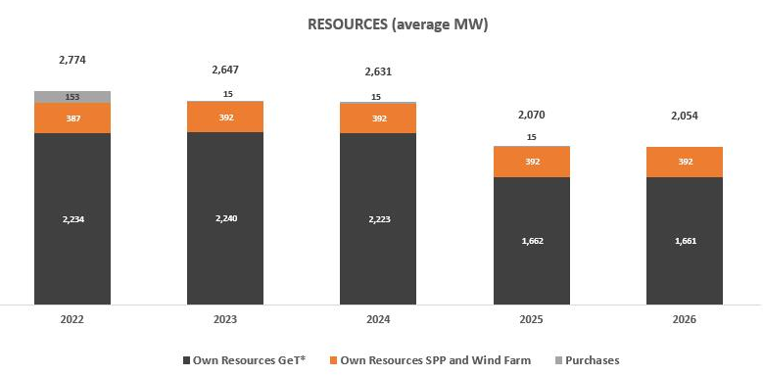

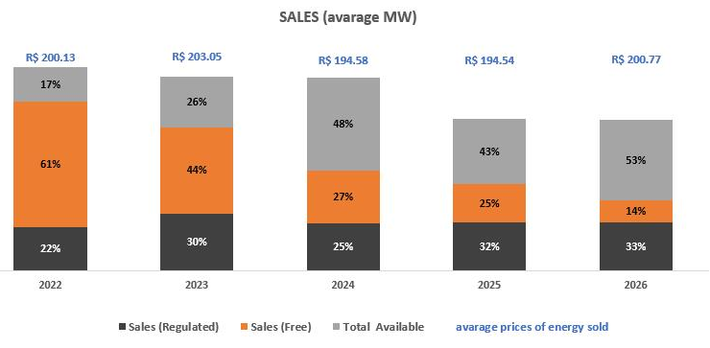

III - DISTRIBUTION MARKET
MENU

Exhibit III - ENERGY MARKET> DISTRIBUTION MARKET

Copel’s Consolidated Market | Number of Customers / Agreements |  |  | Energy Sold (GWh)
 | Dec-21 | Dec-20 | Δ% | 4Q21 | 4Q20 | Δ% | 2021 | 2020 | Δ%

Copel DIS
Captive Market | 4,926,608 | 4,835,852 | 1.9 | 4,892 | 5,001 | (2.2) | 19,312 | 19,180 | 0.7
Concessionaries and Licensees | 2 | 2 | - | 23 | 20 | 15.0 | 86 | 76 | 13.2
Concessionaires Supply CCEE
CCEE (Assigments MCSD EN) | 376 | 264 | 42.4 | 314 | 226 | 38.9 | 986 | 745 | 32.3
CCEE (MVE) | 26 | 41 | (36.6) | 114 | 970 | (88.2) | 477 | 1,299 | (63.3)
CCEE (MCP) | - | - | - | 437 | - | - | 1,694 | 1,743 | (2.8)
Copel GeT
CCEAR (Copel DIS) | 3 | 3 | - | 31 | 33 | (6.1) | 122 | 123 | (0.8)
...

III - ENERGY FLOW
MENU

Exhibit III - ENERGY MARKET> ENERGY FLOW
 |  |  |  |  |  |  |  |  |  |  |  |  |  | GWh
Energy Flow | COPEL DIS |  | COPEL GET + FDA + BELA VISTA |  | WIND POWER |  | COPEL COM |  | COMBINED |  | ELIMINATIONS |  | CONSOLIDADO
 | 4T21 | 2021 | 4T21 | 2021 | 4T21 | 2021 | 4T21 | 2021 | 4T21 | 2021 | 4T21 | 2021 | 4T21 | 2021
Own Generation | - |  | 3,276 | 14,587 | 659 | 2,459 | - | - | 3,935 | 17,046 | - | - | 3,935 | 17,046
Purchased energy | 6,463 | 25,337 | 1,457 | 4,806 | 6 | 110 | 6,023 | 23,192 | 13,949 | 53,445 | (4,372) | (16,718) | 9,577 | 36,728
Copel Mercado Livre | - | - | 1,024 | 3,423 | 6 | 110 | - | - | 1,030 | 3,533 | (1,030) | (3,533) | - | -
Companies of the group | 39 | 153 | - | - | - | - | 3,303 | 13,032 | 3,342 | 13,185 | (3,342) | (13,185) | - | -
Itaipu | 1,370 | 5,435 | - | - | - | - | - | - | 1,370 | 5,435 | - | - | 1,370 | 5,435
Auction – CCEAR | 3,145 | 12,216 | - | - | - | - | - | - | 3,145 | 12,216 | - | - | 3,145 | 12,216
CCEE (MCP) | - | - | - | - | - | - | 12 | 12 | 12 | 12 | - | - | 12 | 12
Angra | 246 | 976 | - | - | - | - | - | - | 246 | 976 | - | -
...
(1) Others: Energy purchased by Copel Comercialização. Includes MCSD EM Assignments of Copel Distribuição (purchase)
(5) CCEE (MVE): Financial settlement of energy surpluses from the distributor to the free market through the Surplus Sale Mechanism
(6) CCEE (MCP): Electric Energy Commercialization Chamber (Short-Term Market).
(7) CCEAR: Energy Trading Agreement in the Regulated Environment.
(8) MRE: Energy Reallocation Mechanism.
(9) CER: Reserve Energy Contract.
(10) CG: Submarket Center of Gravity (difference between billed and received energy at the CG).
It does not consider the energy produced by UTE Araucária sold on the spot market (MCP).

ENERGY FLOW CONSOLIDATED 4Q21 |  |  |  |  |  |  | ENERGY FLOW CONSOLIDATED 2021

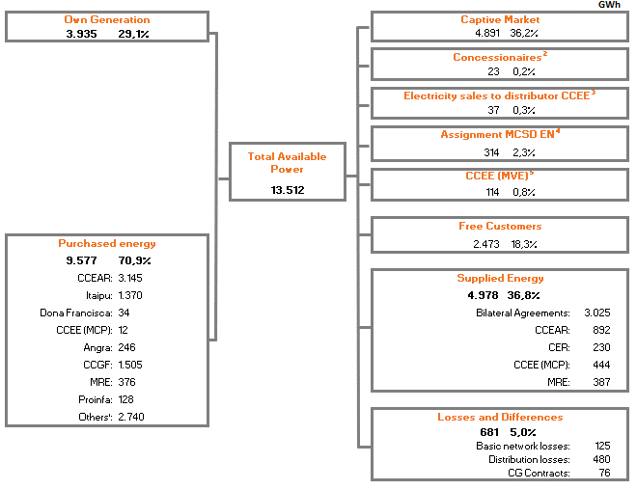
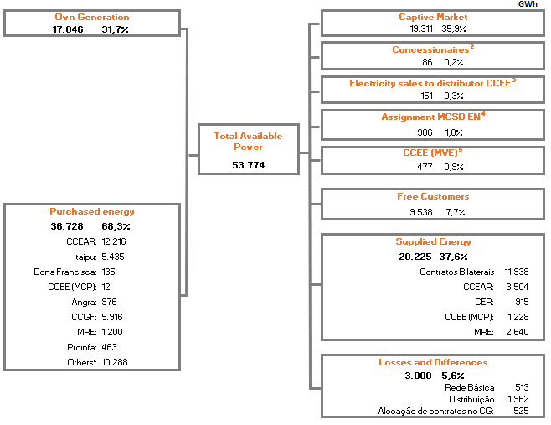

Notes:
CCEAR: Energy Purchase Agreements in the Regulated Market.
CER: Reserve Energy Agreements.
MRE: Energy Reallocation Mechanism.
CCEE (MCP): Electric Power Trade Chamber (Short-term market).
CG: Center of gravity of the Submarket (difference between billed and energy received from CG).
...

IV - INDICATORS SUMMARY
MENU
MENU

Exhibit IV - OPERATIONAL DATA> INDICATORS SUMMARY

MANAGEMENT
Copel Staff List | 2017 | 2018 | 2019 | 2020 | 2021
Geração e Transmissão | 1,734 | 1,660 | 1,620 | 1,533 | 1,523
Distribuição | 5,746 | 5,364 | 4,964 | 4,641 | 4,430
Telecomunicações | 649 | 478 | 412 | 355 | 0
Holding | 78 | 75 | 61 | 96 | 169
Comercialização | 38 | 34 | 38 | 42 | 44
Serviços | - | - | - | - | 217
TOTAL | 8,245 | 7,611 | 7,095 | 6,667 | 6,383
...

IV - GENERATION
MENU

Exhibit IV - OPERATIONAL DATA> GENERATION

COPEL GET
 | Installed Capacity (MW) | Assured Power (Average MW) | Generation (GWh)* | Concession Expires
Hydroelectric Power Plants | 4,868.5 |  | 13,454.6
Large hydroelectric power plant (HPP) | 4,801.8 | 2,109.0 | 13,152.3
Gov. Bento Munhoz da Rocha Netto (Foz do Areia)(5) | 1,676.0 | 603.3 | 3,634.0 | 2024-12-21
Gov. Ney Aminthas de B. Braga (Segredo)(5) | 1,260.0 | 578.5 | 4,316.1 | 25.09.2032
Gov. José Richa (Salto Caxias)(5) | 1,240.0 | 605.6 | 3,608.0 | 20.03.2033
Gov. Parigot de Souza (1)(5) | 260.0 | 109.0 | 222.6 | 03.01.2053
- Regime de Cotas (70%) | 182.0 | 76.3 | 155.8
- Copel GeT(30%) | 78.0 | 32.7 | 66.8
...

IV - GENERATION - INTEREST
MENU

Exhibit IV - OPERATIONAL DATA > GENERATION

INTEREST
Enterprise | Partners | Installed Capacity (MW) | Assured Power (Average MW) | Proportional installed capacity (MW) | Proporcional Assured Power (Average MW) | Concession Expires
Hydroelectric Power Plants |  | 1,113.9 | 515.6 | 500.9 | 273.8
Large hydroelectric power plant (HPP) |  | 1,078.7 | 490.3 | 486.2 | 263.1
HPP Mauá (Consórcio Energético Cruzeiro do Sul) | COPEL GeT - 51% Eletrosul - 49% | 361.0 | 197.7 | 184.1 | 100.8 | 2047-05-27
HPP Baixo Iguaçu (Consórcio Empreendedor Baixo Iguaçu) | COPEL GeT - 30% Geração Céu Azul - 70% | 350.2 | 172.4 | 105.1 | 51.7 | 2049-12-03
HPP Santa Clara (Elejor) | COPEL - 70% Paineira Participações - 30% | 120.2 | 69.2 | 84.1 | 48.4 | 2040-06-11
HPP Fundão (Elejor) | COPEL - 70% Paineira Participações - 30% | 120.2 | 63.8 | 84.1 | 44.7 | 2040-06-11
HPP Dona Francisca (DFESA) | COPEL - 23,03% Gerdau - 51,82% Celesc - 23,03% Statkraft - 2,12% | 125.0 | 75.9 | 28.8 | 17.5 | 2037-09-21
Small hydroelectric power station (SHP) |  | 35.2 | 25.3 | 14.7 | 10.7
...

IV - TRANSMISSION
MENU

Exhibit IV - OPERATIONAL DATA > TRANSMISSION

Subsidiary / SPC | Contract | Enterprise | TL |  |  | APR ¹ (R$ milhões) | Concession Expiration
 |  |  | Extension (km)2 | Amount | MVA
Copel GeT | 060/20013 | Several | 2,063 | 35 | 12,440 | 459.4 | 01.01.2043
Copel GeT | 075/20014 | TL Bateias - Jaguariaiva | 138 | - | - | 15.9 | 2031-08-17
Copel GeT | 006/2008 | TL Bateias - Pilarzinho | 32 | - | - | 1.2 | 2038-03-17
Copel GeT | 027/2009 | TL Foz - Cascavel Oeste | 117 | - | - | 13.8 | 2039-11-19
Copel GeT | 010/2010 | TL Araraquara II — Taubaté | 334 | - | - | 37.5 | 2040-10-06
Copel GeT | 015/2010 | SE Cerquilho III | - | 1 | 300 | 6.0 | 2040-10-06
Copel GeT | 022/2012 | TL Foz do Chopim - Salto Osório LT Londrina - Figueira | 102 | - | - | 6.7 | 2042-08-27
Copel GeT | 002/2013 | TL Assis — Paraguaçu Paulista II | 83 | 1 | 150 | 10.5 | 2043-02-25
...

IV - DISTRIBUTION
MENU

Exhibit IV - OPERATIONAL DATA > DISTRIBUTION

OPERATIONAL DATA

Number of Consumers | Locations served | Cities served | Voltage | Number of Substations | Km of lines
4,928,933 | 1,113 | 395 | 13,8 kV | - | 109,944
 |  |  | 34,5 kV | 235 | 87,744
 |  |  | 69 kV | 36 | 755
 |  |  | 138 kV | 113 | 6,514
 |  |  |  | 383 | 204,125

Consumer-to-employee ratio DIS | 2017 | 2018 | 2019 | 2020 | 2021
...

