Results
Statements of financial position
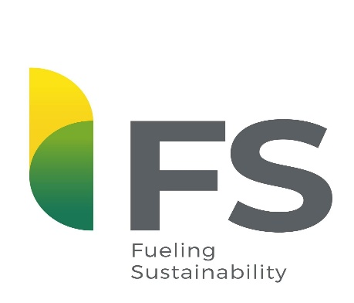
Periods Definition
FY18: April 2017 to March 2018
FY19: April 2018 to March 2019
1Q20: April to June 2019
2Q20: July to September 2019
3Q20: October to December 2019
4Q20: January to March 2020
FY20: April 2019 to March 2020
1Q21: April to June 2020
2Q21: July to September 2020
3Q21: October to December 2020
4Q21: January to March 2021
FY21: April 2020 to March 2021
1Q22: April to June 2021
2Q22: July to September 2021
3Q22: October to December 2021
4Q22: January to March 2022
FY22: April 2021 to March 2022
1Q23: April to June 2022
Statement of income

Statement of cash flow

Net debt cash flow

Debt
FS Indústria de Biocombustíveis Ltda (“FS Ltda") and FS I Indústria de Etanol S.A. (“FS S.A.”) (combined as "Company" or "FS") announce their consolidated results.
Operational data

Capex

