Results
Periods Definition
1Q23: April to June 2022
2Q23: July to September 2022
3Q23: October to December 2022
4Q23: January to March 2023
FY23: April 2022 to March 2023
1Q24: April 2023 to June 2023
2Q24: July 2023 to September 2023
3Q24: October 2023 to December 2023
4Q24: January to March 2024
FY24: April 2023 to March 2024 1Q25: April 2024 to June 2024
2Q25: July 2024 to September 2024
3Q25: October 2024 to December 2024
FY18: April 2017 to March 2018
FY19: April 2018 to March 2019
FY20: April 2019 to March 2020
1Q21: April to June 2020
2Q21: July to September 2020
3Q21: October to December 2020
4Q21: January to March 2021
FY21: April 2020 to March 2021
1Q22: April to June 2021
2Q22: July to September 2021
3Q22: October to December 2021
4Q22: January to March 2022
FY22: April 2021 to March 2022
Statements of financial position
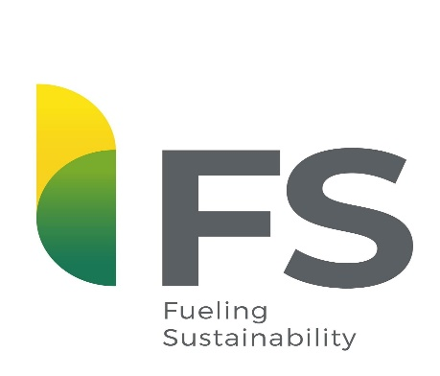
4Q25: January to March 2025
FY25: April 2024 to March 2025
1Q26: April 2025 to June 2025
2Q26: July 2025 to September 2025
3Q26: October 2025 to December 2025
4Q26: January to March 2026
FY26: April 2025 to March 2026 1Q27: April 2026 to June 2026
Statement of income

Statement of cash flow

Net debt cash flow

Debt

FS Indústria de Biocombustíveis Ltda (“FS Ltda") and FS I Indústria de Etanol S.A. (“FS S.A.”) (combined as "Company" or "FS") announce their consolidated results.
Operational data

Capex

