Contents
Itaú Unibanco Holding S.A. - Appendix
 | According to BCB Resolution nº 54

 | KM1 - Key metrics at consolidated level
 | KM1 - Key metrics at consolidated level

 | OV1 - Overview of risk-weighted assets (RWA)
 | OV1 - Overview of risk-weighted assets (RWA)

 | OR1: Historical Operational Losses

 | OR2: Composition of Bussines Indicator (BI)

 | OR3: Capital Requirement for Operational Risk

 | LI1 - Differences between accounting and regulatory scopes of consolidation and mapping of financial statements with regulatory risk categories¹
 | LI1 - Differences between accounting and regulatory scopes of consolidation and mapping of financial statements with regulatory risk categories¹

 | LI2 - Main sources of differences between regulatory exposure amounts and carrying values in financial statements¹

 | PV1 - Prudent valuation adjustments¹

 | CCA - Main features of regulatory capital instruments

 | CC1 - Composition of regulatory capital

 | CC2 - Reconciliation of regulatory capital to balance sheet
 | CC2 - Reconciliation of regulatory capital to balance sheet
 | CC2 - Reconciliation of regulatory capital to balance sheet* (2020)

 | GSIB1 - Disclosure of G-SIB indicators

 | CCyB1 - Geographical distribution of credit risk exposures considered in the calculation of the Countercyclical Capital Buffer¹

 | LR1 - Summary comparison of accounting assets vs leverage ratio exposure measure (RA)

 | LR2 - Leverage ratio common disclosure

 | LIQ1 - Liquidity Coverage Ratio (LCR)

 | LIQ2 - Net Stable Funding Ratio (NSFR)

 | NSFR - Total Stable Resources

 | ENC: Encumbered Assets

 | CR1 - Credit Quality of Assets¹

 | CR2 - Changes in Stock of defaulted loans and debts securities¹
 | CR2 - Changes in Stock of defaulted loans and debts securities¹

 | CRB Industry - Additional disclosure related to the credit quality of assets¹

 | CRB Industry Defaulted - Additional disclosure related to the credit quality of assets¹

 | CRB Residual maturity - Additional disclosure related to the credit quality of assets ¹

 | CRB Past-due exposures - Additional disclosure related to the credit quality of assets¹

 | CRB Geographical areas - Additional disclosure related to the credit quality of assets¹

 | CRB Geographical areas Defaulted - Additional disclosure related to the credit quality of assets¹

 | CRB Largest Debtors - Additional disclosure related to the credit quality of assets¹

 | CRB Restructured - Additional disclosure related to the credit quality of assets¹

 | CR3 - Credit Risk mitigation techniques - overview¹

 | CR4 - Standardized Approach – Credit Risk exposure and credit risk mitigation effects¹
 | CR4 - Standardized Approach – Credit Risk exposure and credit risk mitigation effects¹

 | CR5 - Standardized Approach – exposures by asset classes and risk weights¹
 | CR5 - Standardized Approach – exposures by asset classes and risk weights¹

 | CR6 - IRB – Credit risk exposures by portfolio and PD range

 | CR7 - IRB – Effect on RWA of credit derivatives used as CRM techniques

 | CR8 - RWA flow statements of credit risk exposures under IRB

 | CR9 - IRB – Backtesting of probability of default (PD) per portfolio

 | CMS1 - Comparison of modelled and standardised RWA at risk level

 | CMS2 - Comparison of modelled and standardised RWA for credit risk at asset class level

 | CCR1 - Analysis of CCR exposures by approach¹

 | CCR3 - Standardised approach – CCR exposures by regulatory portfolio and risk weights¹
 | CCR3 - Standardised approach – CCR exposures by regulatory portfolio and risk weights¹

 | CCR5 - Composition of collateral for CCR exposures¹

 | CCR6 - CCR associated with credit derivatives exposures¹

 | CCR8 - CCR associated with Exposures to central counterparties¹
 | CCR8 - CCR associated with Exposures to central counterparties¹

 | SEC1 - Securitisation exposures in the banking book¹

 | SEC1 - Securitisation exposures in the banking book¹

 | SEC4 - Securitisation exposures in the banking book and associated capital requirements – bank acting as investor¹

 | MR1 - Market risk under standardized approach

 | MR2 - RWA flow statement of market risk under an IMA

 | MR3 - IMA values for trading portfolios

 | MR4 - Comparison of VaR estimates with gains/losses

 | Derivatives - Trades in Brazil - Trading + Banking - With Central Counterparty

 | IRRBB1 - Quantitative information on IRRBB

 | IRRBB1 - Quantitative information on IRRBB*
 | REM1 - Remuneration awarded during the financial year

Quarterly
 | REM3 - Deferred remuneration

Semi-annual
 | ¹Reported quarterly as from 2Q26
Annual

Discontinued
Update: June, 30, 2026

CCA
1Q26
Previous Version:

CCA - Main features of regulatory capital instruments

1 | 2 | 3 | 4 | 5 | 6 | 7 | 8 | 9 | 10 | 11 | 12 | 13 | 14 | 15 | 16 | 17 | 18 | 19 | 20 | 21 | 22 | 23 | 24 | 25 | 26 | 27 | 28 | 29 | 30 | 31 | 32 | 33 | 34 | 35 | 36 | 37 | 38 | 39
Issuer | Single identifier (for example, Isin or Bloomberg Identifier for private placement) | Law applicable to the instrument | Temporary treatment addressed by Article 28 of Resolution No. 4,192 of 2013 | Treatment after the temporary treatment addressed in the previous line | Eligibility for the individual institution/conglomerate/conglomerate and individual institution | Type of instrument | Amount recognized in the Referential Equity (in R$ thousands on the last reported base date) | Face value of the instrument (in R$ thousands) | Accounting classification | Original issue date | Perpetual or with maturity | Original maturity date | Redemption or repurchase option | (1) Redemption or repurchase date | (2) Conditioned redemption or repurchase date | (3) Redemption or repurchase amount (in R$ thousands) | Subsequent redemption or repurchase dates, if applicable | Remuneration or fixed or variable dividends | Remuneration rate and referenced index | Existence of suspension for the payment of dividends | Discretionality, partial or mandatory discretionality | Existence of clauses that change agreed-upon remuneration terms or conditions or other redemption incentive | Cumulative or non-cumulative | Convertible or non-convertible into shares | If convertible, in which cases | If convertible, fully or partially | If convertible, conversion rate | If convertible, mandatory or optional conversion | If convertible, specify into what type of instrument | If convertible, specify the issuer of the instrument into which it can be converted | Characteristics for the extinction of the instrument | If extinguishable, in which cases | If extinguishable, fully or partially | If extinguishable, permanently or temporarily | Subordination Types | Position in the subordination hierarchy in the case of liquidity (specifying the type of instrument that is immediately above) | It has characteristics that will not be accepted after the temporary treatment addressed by Article 28 of Resolution No. 4,192 of 2013 | If so, specify the characteristics addressed to in the previous line
Itaú Unibanco Holding S.A. | LFSC190005O | Debt instrument: Brazilian Law / CMN Resolution 4.123 de 23 de agosto de 2012 / Subordination Framework: CMN Resolution 4.192 de 1 de março de 2013 | N/A | Additional Tier 1 Capital | Consolidated Group | Financial Bill | 21,364 | 20,000 | Liability – amortized cost | 7/1/19 | Perpetual | No maturity | Yes | 1/15/2027 | No | 100% of principal amount - BRL 20.000 | Call or redemption may occur from 15/01/2025 and on each subsequent interest payment date. | Variable | 100% Selic + 1,1771% | No | Partial Discretion | No | Non-cumulative | Non-convertible | N/A | N/A | N/A | N/A | N/A | N/A | Yes | Will be written down in the situations set forth in Article 17, inciso XV, da CMN Resolution 4.192, de 01/03/2013. | Fully | Permanent | Contractual | Senior to Common Equity Tier 1 and subordinated to all other liabilities of the institution. | No | N/A
Itaú Unibanco Holding S.A. | LFSC1900066 | Debt instrument: Brazilian Law / CMN Resolution 4.123 de 23 de agosto de 2012 / Subordination Framework: CMN Resolution 4.192 de 1 de março de 2013 | N/A | Additional Tier 1 Capital | Consolidated Group | Financial Bill | 9,935 | 9,300 | Liability – amortized cost | 8/1/19 | Perpetual | No maturity | Yes | 1/15/2027 | No | 100% of principal amount - BRL 9.300 | Call or redemption may occur from 15/01/2025 and on each subsequent interest payment date. | Variable | 100% Selic + 1,1862% | No | Partial Discretion | No | Non-cumulative | Non-convertible | N/A | N/A | N/A | N/A | N/A | N/A | Yes | Will be written down in the situations set forth in Article 17, inciso XV, da CMN Resolution 4.192, de 01/03/2013. | Fully | Permanent | Contractual | Senior to Common Equity Tier 1 and subordinated to all other liabilities of the institution. | No | N/A
Itaú Unibanco Holding S.A. | LFSC190006C | Debt instrument: Brazilian Law / CMN Resolution 4.123 de 23 de agosto de 2012 / Subordination Framework: CMN Resolution 4.192 de 1 de março de 2013 | N/A | Additional Tier 1 Capital | Consolidated Group | Financial Bill | 641 | 600 | Liability – amortized cost | 8/1/19 | Perpetual | No maturity | Yes | 1/15/2027 | No | 100% of principal amount - BRL 600 | Call or redemption may occur from 15/01/2025 and on each subsequent interest payment date. | Variable | 100% Selic + 1,1862% | No | Partial Discretion | No | Non-cumulative | Non-convertible | N/A | N/A | N/A | N/A | N/A | N/A | Yes | Will be written down in the situations set forth in Article 17, inciso XV, da CMN Resolution 4.192, de 01/03/2013. | Fully | Permanent | Contractual | Senior to Common Equity Tier 1 and subordinated to all other liabilities of the institution. | No | N/A
Itaú Unibanco Holding S.A. | LFSC190006H | Debt instrument: Brazilian Law / CMN Resolution 4.123 de 23 de agosto de 2012 / Subordination Framework: CMN Resolution 4.192 de 1 de março de 2013 | N/A | Additional Tier 1 Capital | Consolidated Group | Financial Bill | 47,750 | 44,700 | Liability – amortized cost | 8/1/19 | Perpetual | No maturity | Yes | 1/15/2027 | No | 100% of principal amount - BRL 44.700 | Call or redemption may occur from 15/01/2025 and on each subsequent interest payment date. | Variable | 100% Selic + 1,1862% | No | Partial Discretion | No | Non-cumulative | Non-convertible | N/A | N/A | N/A | N/A | N/A | N/A | Yes | Will be written down in the situations set forth in Article 17, inciso XV, da CMN Resolution 4.192, de 01/03/2013. | Fully | Permanent | Contractual | Senior to Common Equity Tier 1 and subordinated to all other liabilities of the institution. | No | N/A
Itaú Unibanco Holding S.A. | LFSC1900069 | Debt instrument: Brazilian Law / CMN Resolution 4.123 de 23 de agosto de 2012 / Subordination Framework: CMN Resolution 4.192 de 1 de março de 2013 | N/A | Additional Tier 1 Capital | Consolidated Group | Financial Bill | 21,792 | 20,400 | Liability – amortized cost | 8/1/19 | Perpetual | No maturity | Yes | 1/15/2027 | No | 100% of principal amount - BRL 20.400 | Call or redemption may occur from 15/01/2025 and on each subsequent interest payment date. | Variable | 100% Selic + 1,1862% | No | Partial Discretion | No | Non-cumulative | Non-convertible | N/A | N/A | N/A | N/A | N/A | N/A | Yes | Will be written down in the situations set forth in Article 17, inciso XV, da CMN Resolution 4.192, de 01/03/2013. | Fully | Permanent | Contractual | Senior to Common Equity Tier 1 and subordinated to all other liabilities of the institution. | No | N/A
Itaú Unibanco Holding S.A. | LFSC1900065 | Debt instrument: Brazilian Law / CMN Resolution 4.123 de 23 de agosto de 2012 / Subordination Framework: CMN Resolution 4.192 de 1 de março de 2013 | N/A | Additional Tier 1 Capital | Consolidated Group | Financial Bill | 534 | 500 | Liability – amortized cost | 8/1/19 | Perpetual | No maturity | Yes | 1/15/2027 | No | 100% of principal amount - BRL 500 | Call or redemption may occur from 15/01/2025 and on each subsequent interest payment date. | Variable | 100% Selic + 1,1862% | No | Partial Discretion | No | Non-cumulative | Non-convertible | N/A | N/A | N/A | N/A | N/A | N/A | Yes | Will be written down in the situations set forth in Article 17, inciso XV, da CMN Resolution 4.192, de 01/03/2013. | Fully | Permanent | Contractual | Senior to Common Equity Tier 1 and subordinated to all other liabilities of the institution. | No | N/A
Itaú Unibanco Holding S.A. | LFSC1900068 | Debt instrument: Brazilian Law / CMN Resolution 4.123 de 23 de agosto de 2012 / Subordination Framework: CMN Resolution 4.192 de 1 de março de 2013 | N/A | Additional Tier 1 Capital | Consolidated Group | Financial Bill | 534 | 500 | Liability – amortized cost | 8/1/19 | Perpetual | No maturity | Yes | 1/15/2027 | No | 100% of principal amount - BRL 500 | Call or redemption may occur from 15/01/2025 and on each subsequent interest payment date. | Variable | 100% Selic + 1,1862% | No | Partial Discretion | No | Non-cumulative | Non-convertible | N/A | N/A | N/A | N/A | N/A | N/A | Yes | Will be written down in the situations set forth in Article 17, inciso XV, da CMN Resolution 4.192, de 01/03/2013. | Fully | Permanent | Contractual | Senior to Common Equity Tier 1 and subordinated to all other liabilities of the institution. | No | N/A
Itaú Unibanco Holding S.A. | LFSC1900063 | Debt instrument: Brazilian Law / CMN Resolution 4.123 de 23 de agosto de 2012 / Subordination Framework: CMN Resolution 4.192 de 1 de março de 2013 | N/A | Additional Tier 1 Capital | Consolidated Group | Financial Bill | 4,807 | 4,500 | Liability – amortized cost | 8/1/19 | Perpetual | No maturity | Yes | 1/15/2027 | No | 100% of principal amount - BRL 4.500 | Call or redemption may occur from 15/01/2025 and on each subsequent interest payment date. | Variable | 100% Selic + 1,1862% | No | Partial Discretion | No | Non-cumulative | Non-convertible | N/A | N/A | N/A | N/A | N/A | N/A | Yes | Will be written down in the situations set forth in Article 17, inciso XV, da CMN Resolution 4.192, de 01/03/2013. | Fully | Permanent | Contractual | Senior to Common Equity Tier 1 and subordinated to all other liabilities of the institution. | No | N/A
Itaú Unibanco Holding S.A. | LFSC190005Z | Debt instrument: Brazilian Law / CMN Resolution 4.123 de 23 de agosto de 2012 / Subordination Framework: CMN Resolution 4.192 de 1 de março de 2013 | N/A | Additional Tier 1 Capital | Consolidated Group | Financial Bill | 2,136 | 2,000 | Liability – amortized cost | 8/1/19 | Perpetual | No maturity | Yes | 1/15/2027 | No | 100% of principal amount - BRL 2.000 | Call or redemption may occur from 15/01/2025 and on each subsequent interest payment date. | Variable | 100% Selic + 1,1862% | No | Partial Discretion | No | Non-cumulative | Non-convertible | N/A | N/A | N/A | N/A | N/A | N/A | Yes | Will be written down in the situations set forth in Article 17, inciso XV, da CMN Resolution 4.192, de 01/03/2013. | Fully | Permanent | Contractual | Senior to Common Equity Tier 1 and subordinated to all other liabilities of the institution. | No | N/A
Itaú Unibanco Holding S.A. | LFSC1900061 | Debt instrument: Brazilian Law / CMN Resolution 4.123 de 23 de agosto de 2012 / Subordination Framework: CMN Resolution 4.192 de 1 de março de 2013 | N/A | Additional Tier 1 Capital | Consolidated Group | Financial Bill | 1,602 | 1,500 | Liability – amortized cost | 8/1/19 | Perpetual | No maturity | Yes | 1/15/2027 | No | 100% of principal amount - BRL 1.500 | Call or redemption may occur from 15/01/2025 and on each subsequent interest payment date. | Variable | 100% Selic + 1,1862% | No | Partial Discretion | No | Non-cumulative | Non-convertible | N/A | N/A | N/A | N/A | N/A | N/A | Yes | Will be written down in the situations set forth in Article 17, inciso XV, da CMN Resolution 4.192, de 01/03/2013. | Fully | Permanent | Contractual | Senior to Common Equity Tier 1 and subordinated to all other liabilities of the institution. | No | N/A
Itaú Unibanco Holding S.A. | LFSC190005X | Debt instrument: Brazilian Law / CMN Resolution 4.123 de 23 de agosto de 2012 / Subordination Framework: CMN Resolution 4.192 de 1 de março de 2013 | N/A | Additional Tier 1 Capital | Consolidated Group | Financial Bill | 534 | 500 | Liability – amortized cost | 8/1/19 | Perpetual | No maturity | Yes | 1/15/2027 | No | 100% of principal amount - BRL 500 | Call or redemption may occur from 15/01/2025 and on each subsequent interest payment date. | Variable | 100% Selic + 1,1862% | No | Partial Discretion | No | Non-cumulative | Non-convertible | N/A | N/A | N/A | N/A | N/A | N/A | Yes | Will be written down in the situations set forth in Article 17, inciso XV, da CMN Resolution 4.192, de 01/03/2013. | Fully | Permanent | Contractual | Senior to Common Equity Tier 1 and subordinated to all other liabilities of the institution. | No | N/A
Itaú Unibanco Holding S.A. | LFSC190006V | Debt instrument: Brazilian Law / CMN Resolution 4.123 de 23 de agosto de 2012 / Subordination Framework: CMN Resolution 4.192 de 1 de março de 2013 | N/A | Additional Tier 1 Capital | Consolidated Group | Financial Bill | 8,012 | 7,500 | Liability – amortized cost | 8/1/19 | Perpetual | No maturity | Yes | 1/15/2027 | No | 100% of principal amount - BRL 7.500 | Call or redemption may occur from 15/01/2025 and on each subsequent interest payment date. | Variable | 100% Selic + 1,1862% | No | Partial Discretion | No | Non-cumulative | Non-convertible | N/A | N/A | N/A | N/A | N/A | N/A | Yes | Will be written down in the situations set forth in Article 17, inciso XV, da CMN Resolution 4.192, de 01/03/2013. | Fully | Permanent | Contractual | Senior to Common Equity Tier 1 and subordinated to all other liabilities of the institution. | No | N/A
Itaú Unibanco Holding S.A. | LFSC1900060 | Debt instrument: Brazilian Law / CMN Resolution 4.123 de 23 de agosto de 2012 / Subordination Framework: CMN Resolution 4.192 de 1 de março de 2013 | N/A | Additional Tier 1 Capital | Consolidated Group | Financial Bill | 4,807 | 4,500 | Liability – amortized cost | 8/1/19 | Perpetual | No maturity | Yes | 1/15/2027 | No | 100% of principal amount - BRL 4.500 | Call or redemption may occur from 15/01/2025 and on each subsequent interest payment date. | Variable | 100% Selic + 1,1862% | No | Partial Discretion | No | Non-cumulative | Non-convertible | N/A | N/A | N/A | N/A | N/A | N/A | Yes | Will be written down in the situations set forth in Article 17, inciso XV, da CMN Resolution 4.192, de 01/03/2013. | Fully | Permanent | Contractual | Senior to Common Equity Tier 1 and subordinated to all other liabilities of the institution. | No | N/A
Itaú Unibanco Holding S.A. | LFSC190006Z | Debt instrument: Brazilian Law / CMN Resolution 4.123 de 23 de agosto de 2012 / Subordination Framework: CMN Resolution 4.192 de 1 de março de 2013 | N/A | Additional Tier 1 Capital | Consolidated Group | Financial Bill | 2,136 | 2,000 | Liability – amortized cost | 8/1/19 | Perpetual | No maturity | Yes | 1/15/2027 | No | 100% of principal amount - BRL 2.000 | Call or redemption may occur from 15/01/2025 and on each subsequent interest payment date. | Variable | 100% Selic + 1,1862% | No | Partial Discretion | No | Non-cumulative | Non-convertible | N/A | N/A | N/A | N/A | N/A | N/A | Yes | Will be written down in the situations set forth in Article 17, inciso XV, da CMN Resolution 4.192, de 01/03/2013. | Fully | Permanent | Contractual | Senior to Common Equity Tier 1 and subordinated to all other liabilities of the institution. | No | N/A
Itaú Unibanco Holding S.A. | LFSC190006G | Debt instrument: Brazilian Law / CMN Resolution 4.123 de 23 de agosto de 2012 / Subordination Framework: CMN Resolution 4.192 de 1 de março de 2013 | N/A | Additional Tier 1 Capital | Consolidated Group | Financial Bill | 25,638 | 24,000 | Liability – amortized cost | 8/1/19 | Perpetual | No maturity | Yes | 1/15/2027 | No | 100% of principal amount - BRL 24.000 | Call or redemption may occur from 15/01/2025 and on each subsequent interest payment date. | Variable | 100% Selic + 1,1862% | No | Partial Discretion | No | Non-cumulative | Non-convertible | N/A | N/A | N/A | N/A | N/A | N/A | Yes | Will be written down in the situations set forth in Article 17, inciso XV, da CMN Resolution 4.192, de 01/03/2013. | Fully | Permanent | Contractual | Senior to Common Equity Tier 1 and subordinated to all other liabilities of the institution. | No | N/A
Itaú Unibanco Holding S.A. | LFSC1900079 | Debt instrument: Brazilian Law / CMN Resolution 4.123 de 23 de agosto de 2012 / Subordination Framework: CMN Resolution 4.192 de 1 de março de 2013 | N/A | Additional Tier 1 Capital | Consolidated Group | Financial Bill | 2,136 | 2,000 | Liability – amortized cost | 8/1/19 | Perpetual | No maturity | Yes | 1/15/2027 | No | 100% of principal amount - BRL 2.000 | Call or redemption may occur from 15/01/2025 and on each subsequent interest payment date. | Variable | 100% Selic + 1,1862% | No | Partial Discretion | No | Non-cumulative | Non-convertible | N/A | N/A | N/A | N/A | N/A | N/A | Yes | Will be written down in the situations set forth in Article 17, inciso XV, da CMN Resolution 4.192, de 01/03/2013. | Fully | Permanent | Contractual | Senior to Common Equity Tier 1 and subordinated to all other liabilities of the institution. | No | N/A
Itaú Unibanco Holding S.A. | LFSC1900078 | Debt instrument: Brazilian Law / CMN Resolution 4.123 de 23 de agosto de 2012 / Subordination Framework: CMN Resolution 4.192 de 1 de março de 2013 | N/A | Additional Tier 1 Capital | Consolidated Group | Financial Bill | 6,409 | 6,000 | Liability – amortized cost | 8/1/19 | Perpetual | No maturity | Yes | 1/15/2027 | No | 100% of principal amount - BRL 6.000 | Call or redemption may occur from 15/01/2025 and on each subsequent interest payment date. | Variable | 100% Selic + 1,1862% | No | Partial Discretion | No | Non-cumulative | Non-convertible | N/A | N/A | N/A | N/A | N/A | N/A | Yes | Will be written down in the situations set forth in Article 17, inciso XV, da CMN Resolution 4.192, de 01/03/2013. | Fully | Permanent | Contractual | Senior to Common Equity Tier 1 and subordinated to all other liabilities of the institution. | No | N/A
Itaú Unibanco Holding S.A. | LFSC1900077 | Debt instrument: Brazilian Law / CMN Resolution 4.123 de 23 de agosto de 2012 / Subordination Framework: CMN Resolution 4.192 de 1 de março de 2013 | N/A | Additional Tier 1 Capital | Consolidated Group | Financial Bill | 5,875 | 5,500 | Liability – amortized cost | 8/1/19 | Perpetual | No maturity | Yes | 1/15/2027 | No | 100% of principal amount - BRL 5.500 | Call or redemption may occur from 15/01/2025 and on each subsequent interest payment date. | Variable | 100% Selic + 1,1862% | No | Partial Discretion | No | Non-cumulative | Non-convertible | N/A | N/A | N/A | N/A | N/A | N/A | Yes | Will be written down in the situations set forth in Article 17, inciso XV, da CMN Resolution 4.192, de 01/03/2013. | Fully | Permanent | Contractual | Senior to Common Equity Tier 1 and subordinated to all other liabilities of the institution. | No | N/A
Itaú Unibanco Holding S.A. | LFSC190007C | Debt instrument: Brazilian Law / CMN Resolution 4.123 de 23 de agosto de 2012 / Subordination Framework: CMN Resolution 4.192 de 1 de março de 2013 | N/A | Additional Tier 1 Capital | Consolidated Group | Financial Bill | 18,694 | 17,500 | Liability – amortized cost | 8/1/19 | Perpetual | No maturity | Yes | 1/15/2027 | No | 100% of principal amount - BRL 17.500 | Call or redemption may occur from 15/01/2025 and on each subsequent interest payment date. | Variable | 100% Selic + 1,1862% | No | Partial Discretion | No | Non-cumulative | Non-convertible | N/A | N/A | N/A | N/A | N/A | N/A | Yes | Will be written down in the situations set forth in Article 17, inciso XV, da CMN Resolution 4.192, de 01/03/2013. | Fully | Permanent | Contractual | Senior to Common Equity Tier 1 and subordinated to all other liabilities of the institution. | No | N/A
Itaú Unibanco Holding S.A. | LFSC1900075 | Debt instrument: Brazilian Law / CMN Resolution 4.123 de 23 de agosto de 2012 / Subordination Framework: CMN Resolution 4.192 de 1 de março de 2013 | N/A | Additional Tier 1 Capital | Consolidated Group | Financial Bill | 60,355 | 56,500 | Liability – amortized cost | 8/1/19 | Perpetual | No maturity | Yes | 1/15/2027 | No | 100% of principal amount - BRL 56.500 | Call or redemption may occur from 15/01/2025 and on each subsequent interest payment date. | Variable | 100% Selic + 1,1862% | No | Partial Discretion | No | Non-cumulative | Non-convertible | N/A | N/A | N/A | N/A | N/A | N/A | Yes | Will be written down in the situations set forth in Article 17, inciso XV, da CMN Resolution 4.192, de 01/03/2013. | Fully | Permanent | Contractual | Senior to Common Equity Tier 1 and subordinated to all other liabilities of the institution. | No | N/A
Itaú Unibanco Holding S.A. | LFSC190007A | Debt instrument: Brazilian Law / CMN Resolution 4.123 de 23 de agosto de 2012 / Subordination Framework: CMN Resolution 4.192 de 1 de março de 2013 | N/A | Additional Tier 1 Capital | Consolidated Group | Financial Bill | 2,671 | 2,500 | Liability – amortized cost | 8/1/19 | Perpetual | No maturity | Yes | 1/15/2027 | No | 100% of principal amount - BRL 2.500 | Call or redemption may occur from 15/01/2025 and on each subsequent interest payment date. | Variable | 100% Selic + 1,1862% | No | Partial Discretion | No | Non-cumulative | Non-convertible | N/A | N/A | N/A | N/A | N/A | N/A | Yes | Will be written down in the situations set forth in Article 17, inciso XV, da CMN Resolution 4.192, de 01/03/2013. | Fully | Permanent | Contractual | Senior to Common Equity Tier 1 and subordinated to all other liabilities of the institution. | No | N/A
Itaú Unibanco Holding S.A. | LFSC190007B | Debt instrument: Brazilian Law / CMN Resolution 4.123 de 23 de agosto de 2012 / Subordination Framework: CMN Resolution 4.192 de 1 de março de 2013 | N/A | Additional Tier 1 Capital | Consolidated Group | Financial Bill | 534 | 500 | Liability – amortized cost | 8/1/19 | Perpetual | No maturity | Yes | 1/15/2027 | No | 100% of principal amount - BRL 500 | Call or redemption may occur from 15/01/2025 and on each subsequent interest payment date. | Variable | 100% Selic + 1,1862% | No | Partial Discretion | No | Non-cumulative | Non-convertible | N/A | N/A | N/A | N/A | N/A | N/A | Yes | Will be written down in the situations set forth in Article 17, inciso XV, da CMN Resolution 4.192, de 01/03/2013. | Fully | Permanent | Contractual | Senior to Common Equity Tier 1 and subordinated to all other liabilities of the institution. | No | N/A
Itaú Unibanco Holding S.A. | LFSC190007E | Debt instrument: Brazilian Law / CMN Resolution 4.123 de 23 de agosto de 2012 / Subordination Framework: CMN Resolution 4.192 de 1 de março de 2013 | N/A | Additional Tier 1 Capital | Consolidated Group | Financial Bill | 35,786 | 33,500 | Liability – amortized cost | 8/1/19 | Perpetual | No maturity | Yes | 1/15/2027 | No | 100% of principal amount - BRL 33.500 | Call or redemption may occur from 15/01/2025 and on each subsequent interest payment date. | Variable | 100% Selic + 1,1862% | No | Partial Discretion | No | Non-cumulative | Non-convertible | N/A | N/A | N/A | N/A | N/A | N/A | Yes | Will be written down in the situations set forth in Article 17, inciso XV, da CMN Resolution 4.192, de 01/03/2013. | Fully | Permanent | Contractual | Senior to Common Equity Tier 1 and subordinated to all other liabilities of the institution. | No | N/A
Itaú Unibanco Holding S.A. | LFSC190007F | Debt instrument: Brazilian Law / CMN Resolution 4.123 de 23 de agosto de 2012 / Subordination Framework: CMN Resolution 4.192 de 1 de março de 2013 | N/A | Additional Tier 1 Capital | Consolidated Group | Financial Bill | 1,068 | 1,000 | Liability – amortized cost | 8/1/19 | Perpetual | No maturity | Yes | 1/15/2027 | No | 100% of principal amount - BRL 1.000 | Call or redemption may occur from 15/01/2025 and on each subsequent interest payment date. | Variable | 100% Selic + 1,1862% | No | Partial Discretion | No | Non-cumulative | Non-convertible | N/A | N/A | N/A | N/A | N/A | N/A | Yes | Will be written down in the situations set forth in Article 17, inciso XV, da CMN Resolution 4.192, de 01/03/2013. | Fully | Permanent | Contractual | Senior to Common Equity Tier 1 and subordinated to all other liabilities of the institution. | No | N/A
Itaú Unibanco Holding S.A. | LFSC1900076 | Debt instrument: Brazilian Law / CMN Resolution 4.123 de 23 de agosto de 2012 / Subordination Framework: CMN Resolution 4.192 de 1 de março de 2013 | N/A | Additional Tier 1 Capital | Consolidated Group | Financial Bill | 29,376 | 27,500 | Liability – amortized cost | 8/1/19 | Perpetual | No maturity | Yes | 1/15/2027 | No | 100% of principal amount - BRL 27.500 | Call or redemption may occur from 15/01/2025 and on each subsequent interest payment date. | Variable | 100% Selic + 1,1862% | No | Partial Discretion | No | Non-cumulative | Non-convertible | N/A | N/A | N/A | N/A | N/A | N/A | Yes | Will be written down in the situations set forth in Article 17, inciso XV, da CMN Resolution 4.192, de 01/03/2013. | Fully | Permanent | Contractual | Senior to Common Equity Tier 1 and subordinated to all other liabilities of the institution. | No | N/A
Itaú Unibanco Holding S.A. | LFSC190006A | Debt instrument: Brazilian Law / CMN Resolution 4.123 de 23 de agosto de 2012 / Subordination Framework: CMN Resolution 4.192 de 1 de março de 2013 | N/A | Additional Tier 1 Capital | Consolidated Group | Financial Bill | 581 | 500 | Liability – amortized cost | 8/1/19 | Perpetual | No maturity | Yes | 7/15/2026 | No | 100% of principal amount - BRL 500 | Call or redemption may occur from 15/07/2024 and on each subsequent interest payment date. | Variable | 114% Selic | No | Partial Discretion | No | Non-cumulative | Non-convertible | N/A | N/A | N/A | N/A | N/A | N/A | Yes | Will be written down in the situations set forth in Article 17, inciso XV, da CMN Resolution 4.192, de 01/03/2013. | Fully | Permanent | Contractual | Senior to Common Equity Tier 1 and subordinated to all other liabilities of the institution. | No | N/A
Itaú Unibanco Holding S.A. | LFSC1900067 | Debt instrument: Brazilian Law / CMN Resolution 4.123 de 23 de agosto de 2012 / Subordination Framework: CMN Resolution 4.192 de 1 de março de 2013 | N/A | Additional Tier 1 Capital | Consolidated Group | Financial Bill | 581 | 500 | Liability – amortized cost | 8/1/19 | Perpetual | No maturity | Yes | 7/15/2026 | No | 100% of principal amount - BRL 500 | Call or redemption may occur from 15/07/2024 and on each subsequent interest payment date. | Variable | 114% Selic | No | Partial Discretion | No | Non-cumulative | Non-convertible | N/A | N/A | N/A | N/A | N/A | N/A | Yes | Will be written down in the situations set forth in Article 17, inciso XV, da CMN Resolution 4.192, de 01/03/2013. | Fully | Permanent | Contractual | Senior to Common Equity Tier 1 and subordinated to all other liabilities of the institution. | No | N/A
Itaú Unibanco Holding S.A. | LFSC190005U | Debt instrument: Brazilian Law / CMN Resolution 4.123 de 23 de agosto de 2012 / Subordination Framework: CMN Resolution 4.192 de 1 de março de 2013 | N/A | Additional Tier 1 Capital | Consolidated Group | Financial Bill | 5,230 | 4,500 | Liability – amortized cost | 8/1/19 | Perpetual | No maturity | Yes | 7/15/2026 | No | 100% of principal amount - BRL 4.500 | Call or redemption may occur from 15/07/2024 and on each subsequent interest payment date. | Variable | 114% Selic | No | Partial Discretion | No | Non-cumulative | Non-convertible | N/A | N/A | N/A | N/A | N/A | N/A | Yes | Will be written down in the situations set forth in Article 17, inciso XV, da CMN Resolution 4.192, de 01/03/2013. | Fully | Permanent | Contractual | Senior to Common Equity Tier 1 and subordinated to all other liabilities of the institution. | No | N/A
Itaú Unibanco Holding S.A. | LFSC190006E | Debt instrument: Brazilian Law / CMN Resolution 4.123 de 23 de agosto de 2012 / Subordination Framework: CMN Resolution 4.192 de 1 de março de 2013 | N/A | Additional Tier 1 Capital | Consolidated Group | Financial Bill | 2,324 | 2,000 | Liability – amortized cost | 8/1/19 | Perpetual | No maturity | Yes | 7/15/2026 | No | 100% of principal amount - BRL 2.000 | Call or redemption may occur from 15/07/2024 and on each subsequent interest payment date. | Variable | 114% Selic | No | Partial Discretion | No | Non-cumulative | Non-convertible | N/A | N/A | N/A | N/A | N/A | N/A | Yes | Will be written down in the situations set forth in Article 17, inciso XV, da CMN Resolution 4.192, de 01/03/2013. | Fully | Permanent | Contractual | Senior to Common Equity Tier 1 and subordinated to all other liabilities of the institution. | No | N/A
Itaú Unibanco Holding S.A. | LFSC1900062 | Debt instrument: Brazilian Law / CMN Resolution 4.123 de 23 de agosto de 2012 / Subordination Framework: CMN Resolution 4.192 de 1 de março de 2013 | N/A | Additional Tier 1 Capital | Consolidated Group | Financial Bill | 1,743 | 1,500 | Liability – amortized cost | 8/1/19 | Perpetual | No maturity | Yes | 7/15/2026 | No | 100% of principal amount - BRL 1.500 | Call or redemption may occur from 15/07/2024 and on each subsequent interest payment date. | Variable | 114% Selic | No | Partial Discretion | No | Non-cumulative | Non-convertible | N/A | N/A | N/A | N/A | N/A | N/A | Yes | Will be written down in the situations set forth in Article 17, inciso XV, da CMN Resolution 4.192, de 01/03/2013. | Fully | Permanent | Contractual | Senior to Common Equity Tier 1 and subordinated to all other liabilities of the institution. | No | N/A
Itaú Unibanco Holding S.A. | LFSC190005Y | Debt instrument: Brazilian Law / CMN Resolution 4.123 de 23 de agosto de 2012 / Subordination Framework: CMN Resolution 4.192 de 1 de março de 2013 | N/A | Additional Tier 1 Capital | Consolidated Group | Financial Bill | 581 | 500 | Liability – amortized cost | 8/1/19 | Perpetual | No maturity | Yes | 7/15/2026 | No | 100% of principal amount - BRL 500 | Call or redemption may occur from 15/07/2024 and on each subsequent interest payment date. | Variable | 114% Selic | No | Partial Discretion | No | Non-cumulative | Non-convertible | N/A | N/A | N/A | N/A | N/A | N/A | Yes | Will be written down in the situations set forth in Article 17, inciso XV, da CMN Resolution 4.192, de 01/03/2013. | Fully | Permanent | Contractual | Senior to Common Equity Tier 1 and subordinated to all other liabilities of the institution. | No | N/A
Itaú Unibanco Holding S.A. | LFSC190005W | Debt instrument: Brazilian Law / CMN Resolution 4.123 de 23 de agosto de 2012 / Subordination Framework: CMN Resolution 4.192 de 1 de março de 2013 | N/A | Additional Tier 1 Capital | Consolidated Group | Financial Bill | 8,716 | 7,500 | Liability – amortized cost | 8/1/19 | Perpetual | No maturity | Yes | 7/15/2026 | No | 100% of principal amount - BRL 7.500 | Call or redemption may occur from 15/07/2024 and on each subsequent interest payment date. | Variable | 114% Selic | No | Partial Discretion | No | Non-cumulative | Non-convertible | N/A | N/A | N/A | N/A | N/A | N/A | Yes | Will be written down in the situations set forth in Article 17, inciso XV, da CMN Resolution 4.192, de 01/03/2013. | Fully | Permanent | Contractual | Senior to Common Equity Tier 1 and subordinated to all other liabilities of the institution. | No | N/A
Itaú Unibanco Holding S.A. | LFSC1900064 | Debt instrument: Brazilian Law / CMN Resolution 4.123 de 23 de agosto de 2012 / Subordination Framework: CMN Resolution 4.192 de 1 de março de 2013 | N/A | Additional Tier 1 Capital | Consolidated Group | Financial Bill | 5,230 | 4,500 | Liability – amortized cost | 8/1/19 | Perpetual | No maturity | Yes | 7/15/2026 | No | 100% of principal amount - BRL 4.500 | Call or redemption may occur from 15/07/2024 and on each subsequent interest payment date. | Variable | 114% Selic | No | Partial Discretion | No | Non-cumulative | Non-convertible | N/A | N/A | N/A | N/A | N/A | N/A | Yes | Will be written down in the situations set forth in Article 17, inciso XV, da CMN Resolution 4.192, de 01/03/2013. | Fully | Permanent | Contractual | Senior to Common Equity Tier 1 and subordinated to all other liabilities of the institution. | No | N/A
Itaú Unibanco Holding S.A. | LFSC1900072 | Debt instrument: Brazilian Law / CMN Resolution 4.123 de 23 de agosto de 2012 / Subordination Framework: CMN Resolution 4.192 de 1 de março de 2013 | N/A | Additional Tier 1 Capital | Consolidated Group | Financial Bill | 64,498 | 55,500 | Liability – amortized cost | 8/1/19 | Perpetual | No maturity | Yes | 7/15/2026 | No | 100% of principal amount - BRL 55.500 | Call or redemption may occur from 15/07/2024 and on each subsequent interest payment date. | Variable | 114% Selic | No | Partial Discretion | No | Non-cumulative | Non-convertible | N/A | N/A | N/A | N/A | N/A | N/A | Yes | Will be written down in the situations set forth in Article 17, inciso XV, da CMN Resolution 4.192, de 01/03/2013. | Fully | Permanent | Contractual | Senior to Common Equity Tier 1 and subordinated to all other liabilities of the institution. | No | N/A
Itaú Unibanco Holding S.A. | LFSC190006Y | Debt instrument: Brazilian Law / CMN Resolution 4.123 de 23 de agosto de 2012 / Subordination Framework: CMN Resolution 4.192 de 1 de março de 2013 | N/A | Additional Tier 1 Capital | Consolidated Group | Financial Bill | 13,946 | 12,000 | Liability – amortized cost | 8/1/19 | Perpetual | No maturity | Yes | 7/15/2026 | No | 100% of principal amount - BRL 12.000 | Call or redemption may occur from 15/07/2024 and on each subsequent interest payment date. | Variable | 114% Selic | No | Partial Discretion | No | Non-cumulative | Non-convertible | N/A | N/A | N/A | N/A | N/A | N/A | Yes | Will be written down in the situations set forth in Article 17, inciso XV, da CMN Resolution 4.192, de 01/03/2013. | Fully | Permanent | Contractual | Senior to Common Equity Tier 1 and subordinated to all other liabilities of the institution. | No | N/A
Itaú Unibanco Holding S.A. | LFSC190006S | Debt instrument: Brazilian Law / CMN Resolution 4.123 de 23 de agosto de 2012 / Subordination Framework: CMN Resolution 4.192 de 1 de março de 2013 | N/A | Additional Tier 1 Capital | Consolidated Group | Financial Bill | 133,645 | 115,000 | Liability – amortized cost | 8/1/19 | Perpetual | No maturity | Yes | 7/15/2026 | No | 100% of principal amount - BRL 115.000 | Call or redemption may occur from 15/07/2024 and on each subsequent interest payment date. | Variable | 114% Selic | No | Partial Discretion | No | Non-cumulative | Non-convertible | N/A | N/A | N/A | N/A | N/A | N/A | Yes | Will be written down in the situations set forth in Article 17, inciso XV, da CMN Resolution 4.192, de 01/03/2013. | Fully | Permanent | Contractual | Senior to Common Equity Tier 1 and subordinated to all other liabilities of the institution. | No | N/A
Itaú Unibanco Holding S.A. | LFSC1900070 | Debt instrument: Brazilian Law / CMN Resolution 4.123 de 23 de agosto de 2012 / Subordination Framework: CMN Resolution 4.192 de 1 de março de 2013 | N/A | Additional Tier 1 Capital | Consolidated Group | Financial Bill | 40,675 | 35,000 | Liability – amortized cost | 8/1/19 | Perpetual | No maturity | Yes | 7/15/2026 | No | 100% of principal amount - BRL 35.000 | Call or redemption may occur from 15/07/2024 and on each subsequent interest payment date. | Variable | 114% Selic | No | Partial Discretion | No | Non-cumulative | Non-convertible | N/A | N/A | N/A | N/A | N/A | N/A | Yes | Will be written down in the situations set forth in Article 17, inciso XV, da CMN Resolution 4.192, de 01/03/2013. | Fully | Permanent | Contractual | Senior to Common Equity Tier 1 and subordinated to all other liabilities of the institution. | No | N/A
Itaú Unibanco Holding S.A. | LFSC190006U | Debt instrument: Brazilian Law / CMN Resolution 4.123 de 23 de agosto de 2012 / Subordination Framework: CMN Resolution 4.192 de 1 de março de 2013 | N/A | Additional Tier 1 Capital | Consolidated Group | Financial Bill | 5,230 | 4,500 | Liability – amortized cost | 8/1/19 | Perpetual | No maturity | Yes | 7/15/2026 | No | 100% of principal amount - BRL 4.500 | Call or redemption may occur from 15/07/2024 and on each subsequent interest payment date. | Variable | 114% Selic | No | Partial Discretion | No | Non-cumulative | Non-convertible | N/A | N/A | N/A | N/A | N/A | N/A | Yes | Will be written down in the situations set forth in Article 17, inciso XV, da CMN Resolution 4.192, de 01/03/2013. | Fully | Permanent | Contractual | Senior to Common Equity Tier 1 and subordinated to all other liabilities of the institution. | No | N/A
Itaú Unibanco Holding S.A. | LFSC190006X | Debt instrument: Brazilian Law / CMN Resolution 4.123 de 23 de agosto de 2012 / Subordination Framework: CMN Resolution 4.192 de 1 de março de 2013 | N/A | Additional Tier 1 Capital | Consolidated Group | Financial Bill | 1,743 | 1,500 | Liability – amortized cost | 8/1/19 | Perpetual | No maturity | Yes | 7/15/2026 | No | 100% of principal amount - BRL 1.500 | Call or redemption may occur from 15/07/2024 and on each subsequent interest payment date. | Variable | 114% Selic | No | Partial Discretion | No | Non-cumulative | Non-convertible | N/A | N/A | N/A | N/A | N/A | N/A | Yes | Will be written down in the situations set forth in Article 17, inciso XV, da CMN Resolution 4.192, de 01/03/2013. | Fully | Permanent | Contractual | Senior to Common Equity Tier 1 and subordinated to all other liabilities of the institution. | No | N/A
Itaú Unibanco Holding S.A. | LFSC190006Q | Debt instrument: Brazilian Law / CMN Resolution 4.123 de 23 de agosto de 2012 / Subordination Framework: CMN Resolution 4.192 de 1 de março de 2013 | N/A | Additional Tier 1 Capital | Consolidated Group | Financial Bill | 2,905 | 2,500 | Liability – amortized cost | 8/1/19 | Perpetual | No maturity | Yes | 7/15/2026 | No | 100% of principal amount - BRL 2.500 | Call or redemption may occur from 15/07/2024 and on each subsequent interest payment date. | Variable | 114% Selic | No | Partial Discretion | No | Non-cumulative | Non-convertible | N/A | N/A | N/A | N/A | N/A | N/A | Yes | Will be written down in the situations set forth in Article 17, inciso XV, da CMN Resolution 4.192, de 01/03/2013. | Fully | Permanent | Contractual | Senior to Common Equity Tier 1 and subordinated to all other liabilities of the institution. | No | N/A
Itaú Unibanco Holding S.A. | LFSC190006O | Debt instrument: Brazilian Law / CMN Resolution 4.123 de 23 de agosto de 2012 / Subordination Framework: CMN Resolution 4.192 de 1 de março de 2013 | N/A | Additional Tier 1 Capital | Consolidated Group | Financial Bill | 12,202 | 10,500 | Liability – amortized cost | 8/1/19 | Perpetual | No maturity | Yes | 7/15/2026 | No | 100% of principal amount - BRL 10.500 | Call or redemption may occur from 15/07/2024 and on each subsequent interest payment date. | Variable | 114% Selic | No | Partial Discretion | No | Non-cumulative | Non-convertible | N/A | N/A | N/A | N/A | N/A | N/A | Yes | Will be written down in the situations set forth in Article 17, inciso XV, da CMN Resolution 4.192, de 01/03/2013. | Fully | Permanent | Contractual | Senior to Common Equity Tier 1 and subordinated to all other liabilities of the institution. | No | N/A
Itaú Unibanco Holding S.A. | LFSC190006P | Debt instrument: Brazilian Law / CMN Resolution 4.123 de 23 de agosto de 2012 / Subordination Framework: CMN Resolution 4.192 de 1 de março de 2013 | N/A | Additional Tier 1 Capital | Consolidated Group | Financial Bill | 97,038 | 83,500 | Liability – amortized cost | 8/1/19 | Perpetual | No maturity | Yes | 7/15/2026 | No | 100% of principal amount - BRL 83.500 | Call or redemption may occur from 15/07/2024 and on each subsequent interest payment date. | Variable | 114% Selic | No | Partial Discretion | No | Non-cumulative | Non-convertible | N/A | N/A | N/A | N/A | N/A | N/A | Yes | Will be written down in the situations set forth in Article 17, inciso XV, da CMN Resolution 4.192, de 01/03/2013. | Fully | Permanent | Contractual | Senior to Common Equity Tier 1 and subordinated to all other liabilities of the institution. | No | N/A
Itaú Unibanco Holding S.A. | LFSC190006L | Debt instrument: Brazilian Law / CMN Resolution 4.123 de 23 de agosto de 2012 / Subordination Framework: CMN Resolution 4.192 de 1 de março de 2013 | N/A | Additional Tier 1 Capital | Consolidated Group | Financial Bill | 4,649 | 4,000 | Liability – amortized cost | 8/1/19 | Perpetual | No maturity | Yes | 7/15/2026 | No | 100% of principal amount - BRL 4.000 | Call or redemption may occur from 15/07/2024 and on each subsequent interest payment date. | Variable | 114% Selic | No | Partial Discretion | No | Non-cumulative | Non-convertible | N/A | N/A | N/A | N/A | N/A | N/A | Yes | Will be written down in the situations set forth in Article 17, inciso XV, da CMN Resolution 4.192, de 01/03/2013. | Fully | Permanent | Contractual | Senior to Common Equity Tier 1 and subordinated to all other liabilities of the institution. | No | N/A
Itaú Unibanco Holding S.A. | LFSC190006N | Debt instrument: Brazilian Law / CMN Resolution 4.123 de 23 de agosto de 2012 / Subordination Framework: CMN Resolution 4.192 de 1 de março de 2013 | N/A | Additional Tier 1 Capital | Consolidated Group | Financial Bill | 56,363 | 48,500 | Liability – amortized cost | 8/1/19 | Perpetual | No maturity | Yes | 7/15/2026 | No | 100% of principal amount - BRL 48.500 | Call or redemption may occur from 15/07/2024 and on each subsequent interest payment date. | Variable | 114% Selic | No | Partial Discretion | No | Non-cumulative | Non-convertible | N/A | N/A | N/A | N/A | N/A | N/A | Yes | Will be written down in the situations set forth in Article 17, inciso XV, da CMN Resolution 4.192, de 01/03/2013. | Fully | Permanent | Contractual | Senior to Common Equity Tier 1 and subordinated to all other liabilities of the institution. | No | N/A
Itaú Unibanco Holding S.A. | LFSC190006R | Debt instrument: Brazilian Law / CMN Resolution 4.123 de 23 de agosto de 2012 / Subordination Framework: CMN Resolution 4.192 de 1 de março de 2013 | N/A | Additional Tier 1 Capital | Consolidated Group | Financial Bill | 6,973 | 6,000 | Liability – amortized cost | 8/1/19 | Perpetual | No maturity | Yes | 7/15/2026 | No | 100% of principal amount - BRL 6.000 | Call or redemption may occur from 15/07/2024 and on each subsequent interest payment date. | Variable | 114% Selic | No | Partial Discretion | No | Non-cumulative | Non-convertible | N/A | N/A | N/A | N/A | N/A | N/A | Yes | Will be written down in the situations set forth in Article 17, inciso XV, da CMN Resolution 4.192, de 01/03/2013. | Fully | Permanent | Contractual | Senior to Common Equity Tier 1 and subordinated to all other liabilities of the institution. | No | N/A
Itaú Unibanco Holding S.A. | LFSC190007U | Debt instrument: Brazilian Law / CMN Resolution 4.123 de 23 de agosto de 2012 / Subordination Framework: CMN Resolution 4.192 de 1 de março de 2013 | N/A | Additional Tier 1 Capital | Consolidated Group | Financial Bill | 3,719 | 3,200 | Liability – amortized cost | 9/1/19 | Perpetual | No maturity | Yes | 7/15/2026 | No | 100% of principal amount - BRL 3.200 | Call or redemption may occur from 15/07/2024 and on each subsequent interest payment date. | Variable | 114% Selic | No | Partial Discretion | No | Non-cumulative | Non-convertible | N/A | N/A | N/A | N/A | N/A | N/A | Yes | Will be written down in the situations set forth in Article 17, inciso XV, da CMN Resolution 4.192, de 01/03/2013. | Fully | Permanent | Contractual | Senior to Common Equity Tier 1 and subordinated to all other liabilities of the institution. | No | N/A
Itaú Unibanco Holding S.A. | LFSC190007G | Debt instrument: Brazilian Law / CMN Resolution 4.123 de 23 de agosto de 2012 / Subordination Framework: CMN Resolution 4.192 de 1 de março de 2013 | N/A | Additional Tier 1 Capital | Consolidated Group | Financial Bill | 930 | 800 | Liability – amortized cost | 9/1/19 | Perpetual | No maturity | Yes | 7/15/2026 | No | 100% of principal amount - BRL 800 | Call or redemption may occur from 15/07/2024 and on each subsequent interest payment date. | Variable | 114% Selic | No | Partial Discretion | No | Non-cumulative | Non-convertible | N/A | N/A | N/A | N/A | N/A | N/A | Yes | Will be written down in the situations set forth in Article 17, inciso XV, da CMN Resolution 4.192, de 01/03/2013. | Fully | Permanent | Contractual | Senior to Common Equity Tier 1 and subordinated to all other liabilities of the institution. | No | N/A
Itaú Unibanco Holding S.A. | LFSC190007X | Debt instrument: Brazilian Law / CMN Resolution 4.123 de 23 de agosto de 2012 / Subordination Framework: CMN Resolution 4.192 de 1 de março de 2013 | N/A | Additional Tier 1 Capital | Consolidated Group | Financial Bill | 465 | 400 | Liability – amortized cost | 9/1/19 | Perpetual | No maturity | Yes | 7/15/2026 | No | 100% of principal amount - BRL 400 | Call or redemption may occur from 15/07/2024 and on each subsequent interest payment date. | Variable | 114% Selic | No | Partial Discretion | No | Non-cumulative | Non-convertible | N/A | N/A | N/A | N/A | N/A | N/A | Yes | Will be written down in the situations set forth in Article 17, inciso XV, da CMN Resolution 4.192, de 01/03/2013. | Fully | Permanent | Contractual | Senior to Common Equity Tier 1 and subordinated to all other liabilities of the institution. | No | N/A
Itaú Unibanco Holding S.A. | LFSC190007J | Debt instrument: Brazilian Law / CMN Resolution 4.123 de 23 de agosto de 2012 / Subordination Framework: CMN Resolution 4.192 de 1 de março de 2013 | N/A | Additional Tier 1 Capital | Consolidated Group | Financial Bill | 1,395 | 1,200 | Liability – amortized cost | 9/1/19 | Perpetual | No maturity | Yes | 7/15/2026 | No | 100% of principal amount - BRL 1.200 | Call or redemption may occur from 15/07/2024 and on each subsequent interest payment date. | Variable | 114% Selic | No | Partial Discretion | No | Non-cumulative | Non-convertible | N/A | N/A | N/A | N/A | N/A | N/A | Yes | Will be written down in the situations set forth in Article 17, inciso XV, da CMN Resolution 4.192, de 01/03/2013. | Fully | Permanent | Contractual | Senior to Common Equity Tier 1 and subordinated to all other liabilities of the institution. | No | N/A
Itaú Unibanco Holding S.A. | LFSC190007H | Debt instrument: Brazilian Law / CMN Resolution 4.123 de 23 de agosto de 2012 / Subordination Framework: CMN Resolution 4.192 de 1 de março de 2013 | N/A | Additional Tier 1 Capital | Consolidated Group | Financial Bill | 2,324 | 2,000 | Liability – amortized cost | 9/1/19 | Perpetual | No maturity | Yes | 7/15/2026 | No | 100% of principal amount - BRL 2.000 | Call or redemption may occur from 15/07/2024 and on each subsequent interest payment date. | Variable | 114% Selic | No | Partial Discretion | No | Non-cumulative | Non-convertible | N/A | N/A | N/A | N/A | N/A | N/A | Yes | Will be written down in the situations set forth in Article 17, inciso XV, da CMN Resolution 4.192, de 01/03/2013. | Fully | Permanent | Contractual | Senior to Common Equity Tier 1 and subordinated to all other liabilities of the institution. | No | N/A
Itaú Unibanco Holding S.A. | LFSC190007I | Debt instrument: Brazilian Law / CMN Resolution 4.123 de 23 de agosto de 2012 / Subordination Framework: CMN Resolution 4.192 de 1 de março de 2013 | N/A | Additional Tier 1 Capital | Consolidated Group | Financial Bill | 1,395 | 1,200 | Liability – amortized cost | 9/1/19 | Perpetual | No maturity | Yes | 7/15/2026 | No | 100% of principal amount - BRL 1.200 | Call or redemption may occur from 15/07/2024 and on each subsequent interest payment date. | Variable | 114% Selic | No | Partial Discretion | No | Non-cumulative | Non-convertible | N/A | N/A | N/A | N/A | N/A | N/A | Yes | Will be written down in the situations set forth in Article 17, inciso XV, da CMN Resolution 4.192, de 01/03/2013. | Fully | Permanent | Contractual | Senior to Common Equity Tier 1 and subordinated to all other liabilities of the institution. | No | N/A
Itaú Unibanco Holding S.A. | LFSC190007O | Debt instrument: Brazilian Law / CMN Resolution 4.123 de 23 de agosto de 2012 / Subordination Framework: CMN Resolution 4.192 de 1 de março de 2013 | N/A | Additional Tier 1 Capital | Consolidated Group | Financial Bill | 1,395 | 1,200 | Liability – amortized cost | 9/1/19 | Perpetual | No maturity | Yes | 7/15/2026 | No | 100% of principal amount - BRL 1.200 | Call or redemption may occur from 15/07/2024 and on each subsequent interest payment date. | Variable | 114% Selic | No | Partial Discretion | No | Non-cumulative | Non-convertible | N/A | N/A | N/A | N/A | N/A | N/A | Yes | Will be written down in the situations set forth in Article 17, inciso XV, da CMN Resolution 4.192, de 01/03/2013. | Fully | Permanent | Contractual | Senior to Common Equity Tier 1 and subordinated to all other liabilities of the institution. | No | N/A
Itaú Unibanco Holding S.A. | LFSC190007P | Debt instrument: Brazilian Law / CMN Resolution 4.123 de 23 de agosto de 2012 / Subordination Framework: CMN Resolution 4.192 de 1 de março de 2013 | N/A | Additional Tier 1 Capital | Consolidated Group | Financial Bill | 32,540 | 28,000 | Liability – amortized cost | 9/1/19 | Perpetual | No maturity | Yes | 7/15/2026 | No | 100% of principal amount - BRL 28.000 | Call or redemption may occur from 15/07/2024 and on each subsequent interest payment date. | Variable | 114% Selic | No | Partial Discretion | No | Non-cumulative | Non-convertible | N/A | N/A | N/A | N/A | N/A | N/A | Yes | Will be written down in the situations set forth in Article 17, inciso XV, da CMN Resolution 4.192, de 01/03/2013. | Fully | Permanent | Contractual | Senior to Common Equity Tier 1 and subordinated to all other liabilities of the institution. | No | N/A
Itaú Unibanco Holding S.A. | LFSC1900081 | Debt instrument: Brazilian Law / CMN Resolution 4.123 de 23 de agosto de 2012 / Subordination Framework: CMN Resolution 4.192 de 1 de março de 2013 | N/A | Additional Tier 1 Capital | Consolidated Group | Financial Bill | 2,324 | 2,000 | Liability – amortized cost | 9/1/19 | Perpetual | No maturity | Yes | 7/15/2026 | No | 100% of principal amount - BRL 2.000 | Call or redemption may occur from 15/07/2024 and on each subsequent interest payment date. | Variable | 114% Selic | No | Partial Discretion | No | Non-cumulative | Non-convertible | N/A | N/A | N/A | N/A | N/A | N/A | Yes | Will be written down in the situations set forth in Article 17, inciso XV, da CMN Resolution 4.192, de 01/03/2013. | Fully | Permanent | Contractual | Senior to Common Equity Tier 1 and subordinated to all other liabilities of the institution. | No | N/A
Itaú Unibanco Holding S.A. | LFSC1900087 | Debt instrument: Brazilian Law / CMN Resolution 4.123 de 23 de agosto de 2012 / Subordination Framework: CMN Resolution 4.192 de 1 de março de 2013 | N/A | Additional Tier 1 Capital | Consolidated Group | Financial Bill | 20,454 | 17,600 | Liability – amortized cost | 9/1/19 | Perpetual | No maturity | Yes | 7/15/2026 | No | 100% of principal amount - BRL 17.600 | Call or redemption may occur from 15/07/2024 and on each subsequent interest payment date. | Variable | 114% Selic | No | Partial Discretion | No | Non-cumulative | Non-convertible | N/A | N/A | N/A | N/A | N/A | N/A | Yes | Will be written down in the situations set forth in Article 17, inciso XV, da CMN Resolution 4.192, de 01/03/2013. | Fully | Permanent | Contractual | Senior to Common Equity Tier 1 and subordinated to all other liabilities of the institution. | No | N/A
Itaú Unibanco Holding S.A. | LFSC190007V | Debt instrument: Brazilian Law / CMN Resolution 4.123 de 23 de agosto de 2012 / Subordination Framework: CMN Resolution 4.192 de 1 de março de 2013 | N/A | Additional Tier 1 Capital | Consolidated Group | Financial Bill | 2,324 | 2,000 | Liability – amortized cost | 9/1/19 | Perpetual | No maturity | Yes | 7/15/2026 | No | 100% of principal amount - BRL 2.000 | Call or redemption may occur from 15/07/2024 and on each subsequent interest payment date. | Variable | 114% Selic | No | Partial Discretion | No | Non-cumulative | Non-convertible | N/A | N/A | N/A | N/A | N/A | N/A | Yes | Will be written down in the situations set forth in Article 17, inciso XV, da CMN Resolution 4.192, de 01/03/2013. | Fully | Permanent | Contractual | Senior to Common Equity Tier 1 and subordinated to all other liabilities of the institution. | No | N/A
Itaú Unibanco Holding S.A. | LFSC190007L | Debt instrument: Brazilian Law / CMN Resolution 4.123 de 23 de agosto de 2012 / Subordination Framework: CMN Resolution 4.192 de 1 de março de 2013 | N/A | Additional Tier 1 Capital | Consolidated Group | Financial Bill | 4,649 | 4,000 | Liability – amortized cost | 9/1/19 | Perpetual | No maturity | Yes | 7/15/2026 | No | 100% of principal amount - BRL 4.000 | Call or redemption may occur from 15/07/2024 and on each subsequent interest payment date. | Variable | 114% Selic | No | Partial Discretion | No | Non-cumulative | Non-convertible | N/A | N/A | N/A | N/A | N/A | N/A | Yes | Will be written down in the situations set forth in Article 17, inciso XV, da CMN Resolution 4.192, de 01/03/2013. | Fully | Permanent | Contractual | Senior to Common Equity Tier 1 and subordinated to all other liabilities of the institution. | No | N/A
Itaú Unibanco Holding S.A. | LFSC1900080 | Debt instrument: Brazilian Law / CMN Resolution 4.123 de 23 de agosto de 2012 / Subordination Framework: CMN Resolution 4.192 de 1 de março de 2013 | N/A | Additional Tier 1 Capital | Consolidated Group | Financial Bill | 465 | 400 | Liability – amortized cost | 9/1/19 | Perpetual | No maturity | Yes | 7/15/2026 | No | 100% of principal amount - BRL 400 | Call or redemption may occur from 15/07/2024 and on each subsequent interest payment date. | Variable | 114% Selic | No | Partial Discretion | No | Non-cumulative | Non-convertible | N/A | N/A | N/A | N/A | N/A | N/A | Yes | Will be written down in the situations set forth in Article 17, inciso XV, da CMN Resolution 4.192, de 01/03/2013. | Fully | Permanent | Contractual | Senior to Common Equity Tier 1 and subordinated to all other liabilities of the institution. | No | N/A
Itaú Unibanco Holding S.A. | LFSC1900084 | Debt instrument: Brazilian Law / CMN Resolution 4.123 de 23 de agosto de 2012 / Subordination Framework: CMN Resolution 4.192 de 1 de março de 2013 | N/A | Additional Tier 1 Capital | Consolidated Group | Financial Bill | 58,107 | 50,000 | Liability – amortized cost | 9/1/19 | Perpetual | No maturity | Yes | 7/15/2026 | No | 100% of principal amount - BRL 50.000 | Call or redemption may occur from 15/07/2024 and on each subsequent interest payment date. | Variable | 114% Selic | No | Partial Discretion | No | Non-cumulative | Non-convertible | N/A | N/A | N/A | N/A | N/A | N/A | Yes | Will be written down in the situations set forth in Article 17, inciso XV, da CMN Resolution 4.192, de 01/03/2013. | Fully | Permanent | Contractual | Senior to Common Equity Tier 1 and subordinated to all other liabilities of the institution. | No | N/A
Itaú Unibanco Holding S.A. | LFSC190007Q | Debt instrument: Brazilian Law / CMN Resolution 4.123 de 23 de agosto de 2012 / Subordination Framework: CMN Resolution 4.192 de 1 de março de 2013 | N/A | Additional Tier 1 Capital | Consolidated Group | Financial Bill | 465 | 400 | Liability – amortized cost | 9/1/19 | Perpetual | No maturity | Yes | 7/15/2026 | No | 100% of principal amount - BRL 400 | Call or redemption may occur from 15/07/2024 and on each subsequent interest payment date. | Variable | 114% Selic | No | Partial Discretion | No | Non-cumulative | Non-convertible | N/A | N/A | N/A | N/A | N/A | N/A | Yes | Will be written down in the situations set forth in Article 17, inciso XV, da CMN Resolution 4.192, de 01/03/2013. | Fully | Permanent | Contractual | Senior to Common Equity Tier 1 and subordinated to all other liabilities of the institution. | No | N/A
Itaú Unibanco Holding S.A. | LFSC190007Z | Debt instrument: Brazilian Law / CMN Resolution 4.123 de 23 de agosto de 2012 / Subordination Framework: CMN Resolution 4.192 de 1 de março de 2013 | N/A | Additional Tier 1 Capital | Consolidated Group | Financial Bill | 2,789 | 2,400 | Liability – amortized cost | 9/1/19 | Perpetual | No maturity | Yes | 7/15/2026 | No | 100% of principal amount - BRL 2.400 | Call or redemption may occur from 15/07/2024 and on each subsequent interest payment date. | Variable | 114% Selic | No | Partial Discretion | No | Non-cumulative | Non-convertible | N/A | N/A | N/A | N/A | N/A | N/A | Yes | Will be written down in the situations set forth in Article 17, inciso XV, da CMN Resolution 4.192, de 01/03/2013. | Fully | Permanent | Contractual | Senior to Common Equity Tier 1 and subordinated to all other liabilities of the institution. | No | N/A
Itaú Unibanco Holding S.A. | LFSC1900086 | Debt instrument: Brazilian Law / CMN Resolution 4.123 de 23 de agosto de 2012 / Subordination Framework: CMN Resolution 4.192 de 1 de março de 2013 | N/A | Additional Tier 1 Capital | Consolidated Group | Financial Bill | 5,578 | 4,800 | Liability – amortized cost | 9/1/19 | Perpetual | No maturity | Yes | 7/15/2026 | No | 100% of principal amount - BRL 4.800 | Call or redemption may occur from 15/07/2024 and on each subsequent interest payment date. | Variable | 114% Selic | No | Partial Discretion | No | Non-cumulative | Non-convertible | N/A | N/A | N/A | N/A | N/A | N/A | Yes | Will be written down in the situations set forth in Article 17, inciso XV, da CMN Resolution 4.192, de 01/03/2013. | Fully | Permanent | Contractual | Senior to Common Equity Tier 1 and subordinated to all other liabilities of the institution. | No | N/A
Itaú Unibanco Holding S.A. | LFSC1900082 | Debt instrument: Brazilian Law / CMN Resolution 4.123 de 23 de agosto de 2012 / Subordination Framework: CMN Resolution 4.192 de 1 de março de 2013 | N/A | Additional Tier 1 Capital | Consolidated Group | Financial Bill | 18,129 | 15,600 | Liability – amortized cost | 9/1/19 | Perpetual | No maturity | Yes | 7/15/2026 | No | 100% of principal amount - BRL 15.600 | Call or redemption may occur from 15/07/2024 and on each subsequent interest payment date. | Variable | 114% Selic | No | Partial Discretion | No | Non-cumulative | Non-convertible | N/A | N/A | N/A | N/A | N/A | N/A | Yes | Will be written down in the situations set forth in Article 17, inciso XV, da CMN Resolution 4.192, de 01/03/2013. | Fully | Permanent | Contractual | Senior to Common Equity Tier 1 and subordinated to all other liabilities of the institution. | No | N/A
Itaú Unibanco Holding S.A. | LFSC190007R | Debt instrument: Brazilian Law / CMN Resolution 4.123 de 23 de agosto de 2012 / Subordination Framework: CMN Resolution 4.192 de 1 de março de 2013 | N/A | Additional Tier 1 Capital | Consolidated Group | Financial Bill | 62,290 | 53,600 | Liability – amortized cost | 9/1/19 | Perpetual | No maturity | Yes | 7/15/2026 | No | 100% of principal amount - BRL 53.600 | Call or redemption may occur from 15/07/2024 and on each subsequent interest payment date. | Variable | 114% Selic | No | Partial Discretion | No | Non-cumulative | Non-convertible | N/A | N/A | N/A | N/A | N/A | N/A | Yes | Will be written down in the situations set forth in Article 17, inciso XV, da CMN Resolution 4.192, de 01/03/2013. | Fully | Permanent | Contractual | Senior to Common Equity Tier 1 and subordinated to all other liabilities of the institution. | No | N/A
Itaú Unibanco Holding S.A. | LFSC190007S | Debt instrument: Brazilian Law / CMN Resolution 4.123 de 23 de agosto de 2012 / Subordination Framework: CMN Resolution 4.192 de 1 de março de 2013 | N/A | Additional Tier 1 Capital | Consolidated Group | Financial Bill | 5,578 | 4,800 | Liability – amortized cost | 9/1/19 | Perpetual | No maturity | Yes | 7/15/2026 | No | 100% of principal amount - BRL 4.800 | Call or redemption may occur from 15/07/2024 and on each subsequent interest payment date. | Variable | 114% Selic | No | Partial Discretion | No | Non-cumulative | Non-convertible | N/A | N/A | N/A | N/A | N/A | N/A | Yes | Will be written down in the situations set forth in Article 17, inciso XV, da CMN Resolution 4.192, de 01/03/2013. | Fully | Permanent | Contractual | Senior to Common Equity Tier 1 and subordinated to all other liabilities of the institution. | No | N/A
Itaú Unibanco Holding S.A. | LFSC1900085 | Debt instrument: Brazilian Law / CMN Resolution 4.123 de 23 de agosto de 2012 / Subordination Framework: CMN Resolution 4.192 de 1 de março de 2013 | N/A | Additional Tier 1 Capital | Consolidated Group | Financial Bill | 2,789 | 2,400 | Liability – amortized cost | 9/1/19 | Perpetual | No maturity | Yes | 7/15/2026 | No | 100% of principal amount - BRL 2.400 | Call or redemption may occur from 15/07/2024 and on each subsequent interest payment date. | Variable | 114% Selic | No | Partial Discretion | No | Non-cumulative | Non-convertible | N/A | N/A | N/A | N/A | N/A | N/A | Yes | Will be written down in the situations set forth in Article 17, inciso XV, da CMN Resolution 4.192, de 01/03/2013. | Fully | Permanent | Contractual | Senior to Common Equity Tier 1 and subordinated to all other liabilities of the institution. | No | N/A
Itaú Unibanco Holding S.A. | LFSC1900088 | Debt instrument: Brazilian Law / CMN Resolution 4.123 de 23 de agosto de 2012 / Subordination Framework: CMN Resolution 4.192 de 1 de março de 2013 | N/A | Additional Tier 1 Capital | Consolidated Group | Financial Bill | 2,324 | 2,000 | Liability – amortized cost | 9/1/19 | Perpetual | No maturity | Yes | 7/15/2026 | No | 100% of principal amount - BRL 2.000 | Call or redemption may occur from 15/07/2024 and on each subsequent interest payment date. | Variable | 114% Selic | No | Partial Discretion | No | Non-cumulative | Non-convertible | N/A | N/A | N/A | N/A | N/A | N/A | Yes | Will be written down in the situations set forth in Article 17, inciso XV, da CMN Resolution 4.192, de 01/03/2013. | Fully | Permanent | Contractual | Senior to Common Equity Tier 1 and subordinated to all other liabilities of the institution. | No | N/A
Itaú Unibanco Holding S.A. | LFSC1900089 | Debt instrument: Brazilian Law / CMN Resolution 4.123 de 23 de agosto de 2012 / Subordination Framework: CMN Resolution 4.192 de 1 de março de 2013 | N/A | Additional Tier 1 Capital | Consolidated Group | Financial Bill | 48,069 | 45,000 | Liability – amortized cost | 9/1/19 | Perpetual | No maturity | Yes | 1/15/2027 | No | 100% of principal amount - BRL 45.000 | Call or redemption may occur from 15/09/2024 and on each subsequent interest payment date. | Variable | 100% Selic + 1,1797% | No | Partial Discretion | No | Non-cumulative | Non-convertible | N/A | N/A | N/A | N/A | N/A | N/A | Yes | Will be written down in the situations set forth in Article 17, inciso XV, da CMN Resolution 4.192, de 01/03/2013. | Fully | Permanent | Contractual | Senior to Common Equity Tier 1 and subordinated to all other liabilities of the institution. | No | N/A
Itaú Unibanco Holding S.A. | LFSC190008U | Debt instrument: Brazilian Law / CMN Resolution 4.123 de 23 de agosto de 2012 / Subordination Framework: CMN Resolution 4.192 de 1 de março de 2013 | N/A | Additional Tier 1 Capital | Consolidated Group | Financial Bill | 1,162 | 1,000 | Liability – amortized cost | 10/1/19 | Perpetual | No maturity | Yes | 7/15/2026 | No | 100% of principal amount - BRL 1.000 | Call or redemption may occur from 15/07/2024 and on each subsequent interest payment date. | Variable | 114% Selic | No | Partial Discretion | No | Non-cumulative | Non-convertible | N/A | N/A | N/A | N/A | N/A | N/A | Yes | Will be written down in the situations set forth in Article 17, inciso XV, da CMN Resolution 4.192, de 01/03/2013. | Fully | Permanent | Contractual | Senior to Common Equity Tier 1 and subordinated to all other liabilities of the institution. | No | N/A
...

MR4
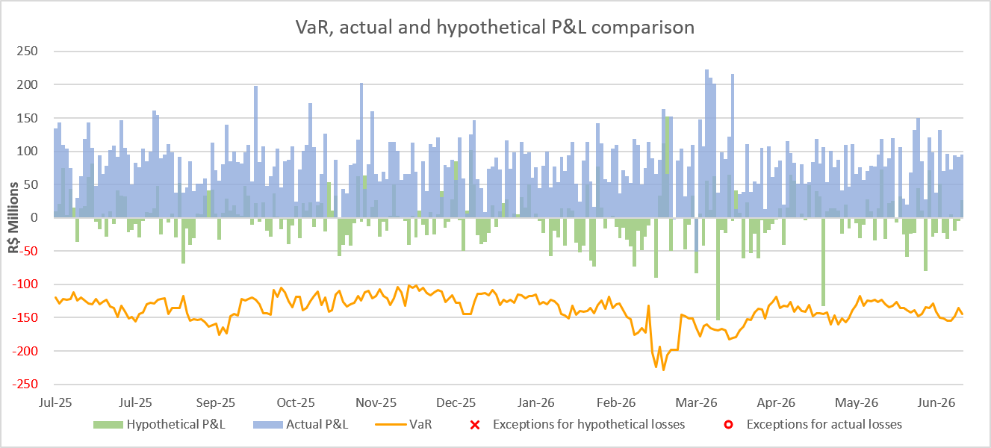
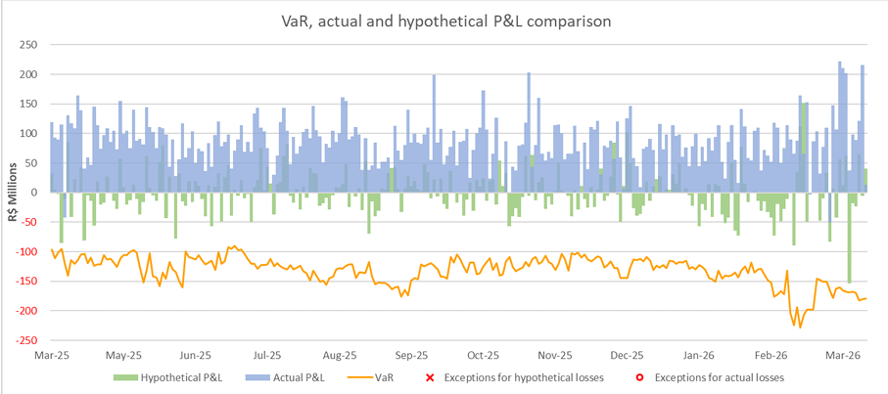
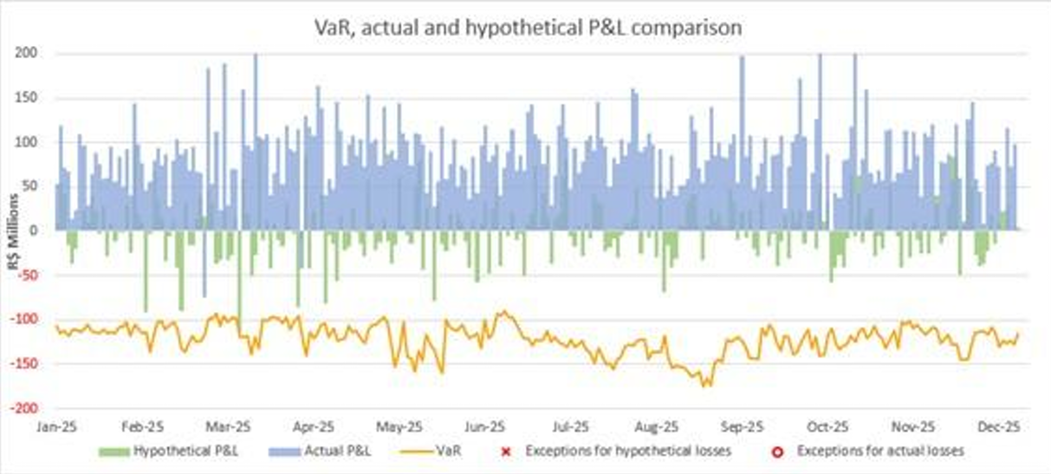
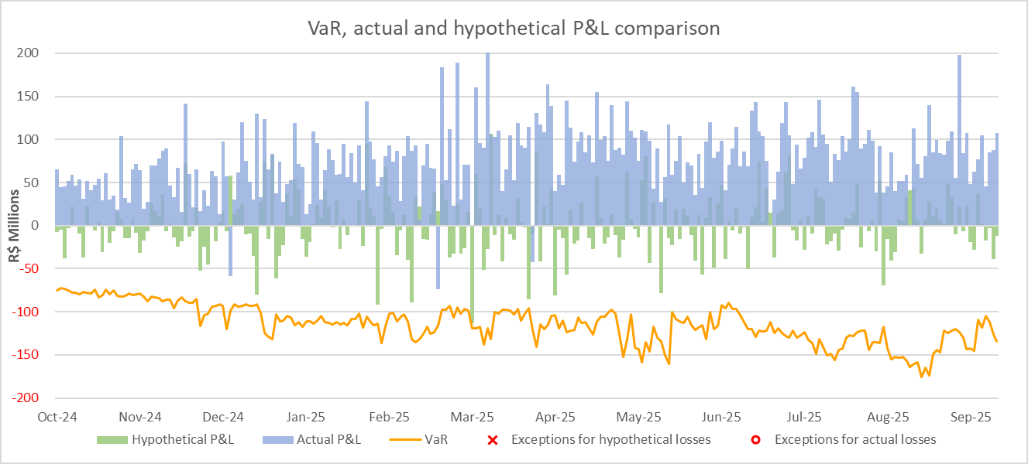
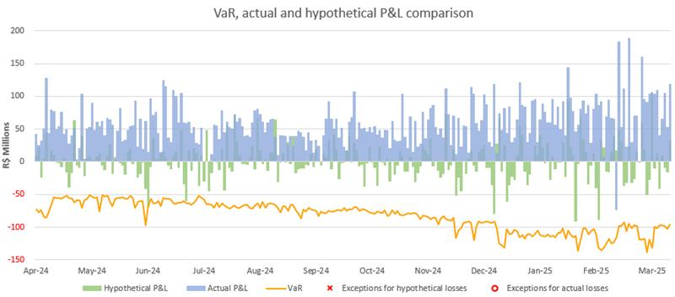
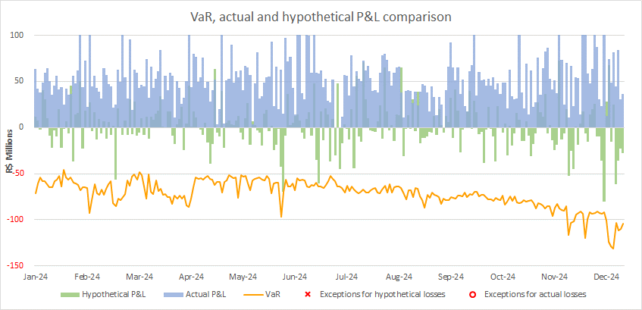
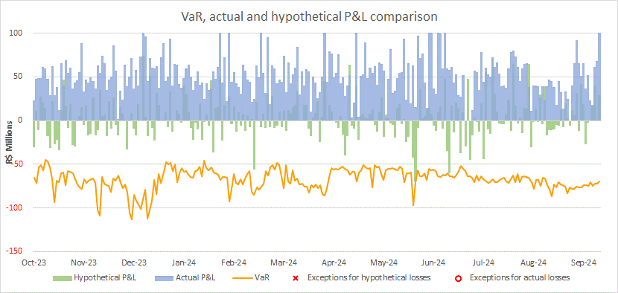
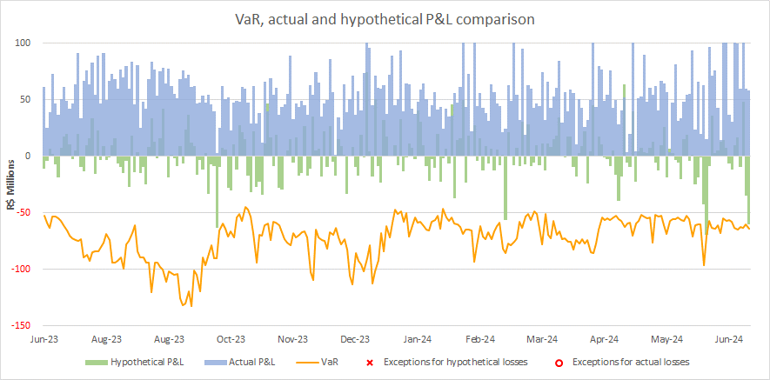
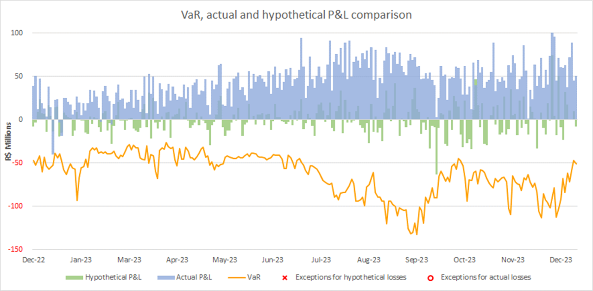
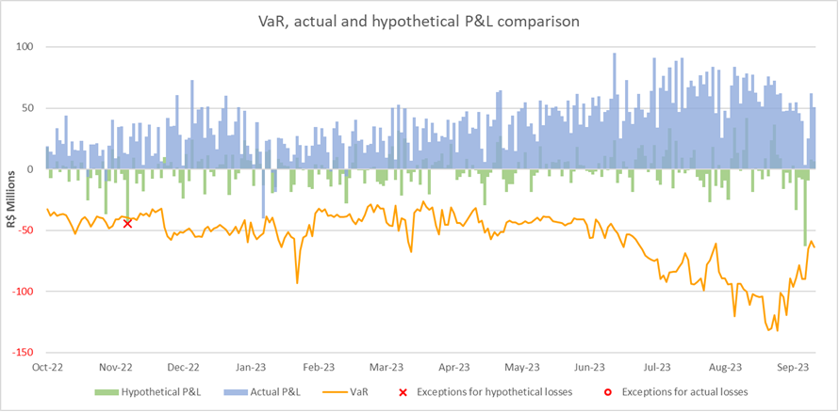
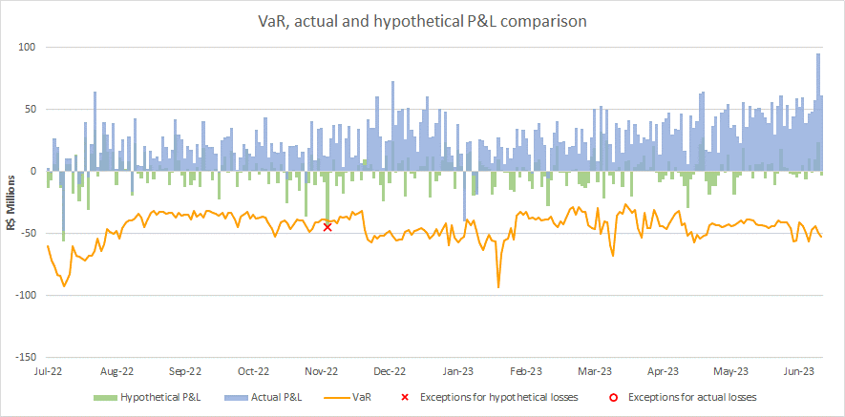
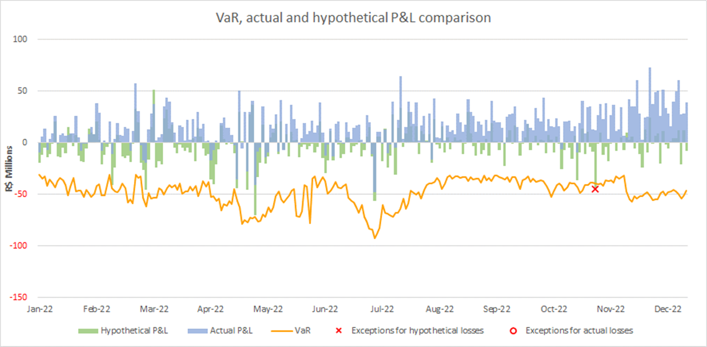
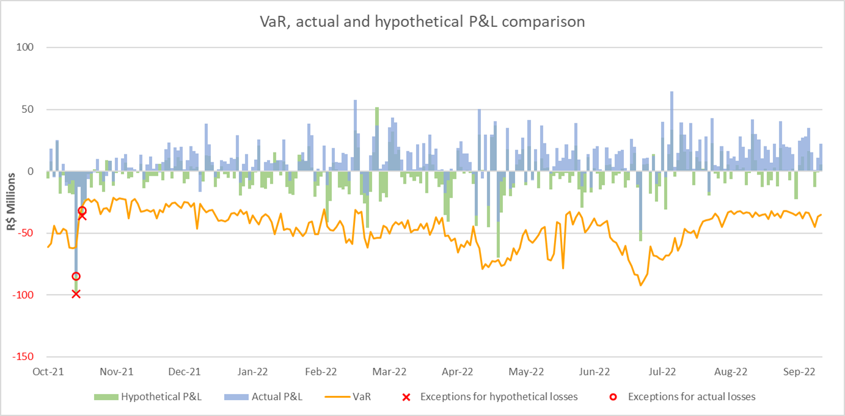
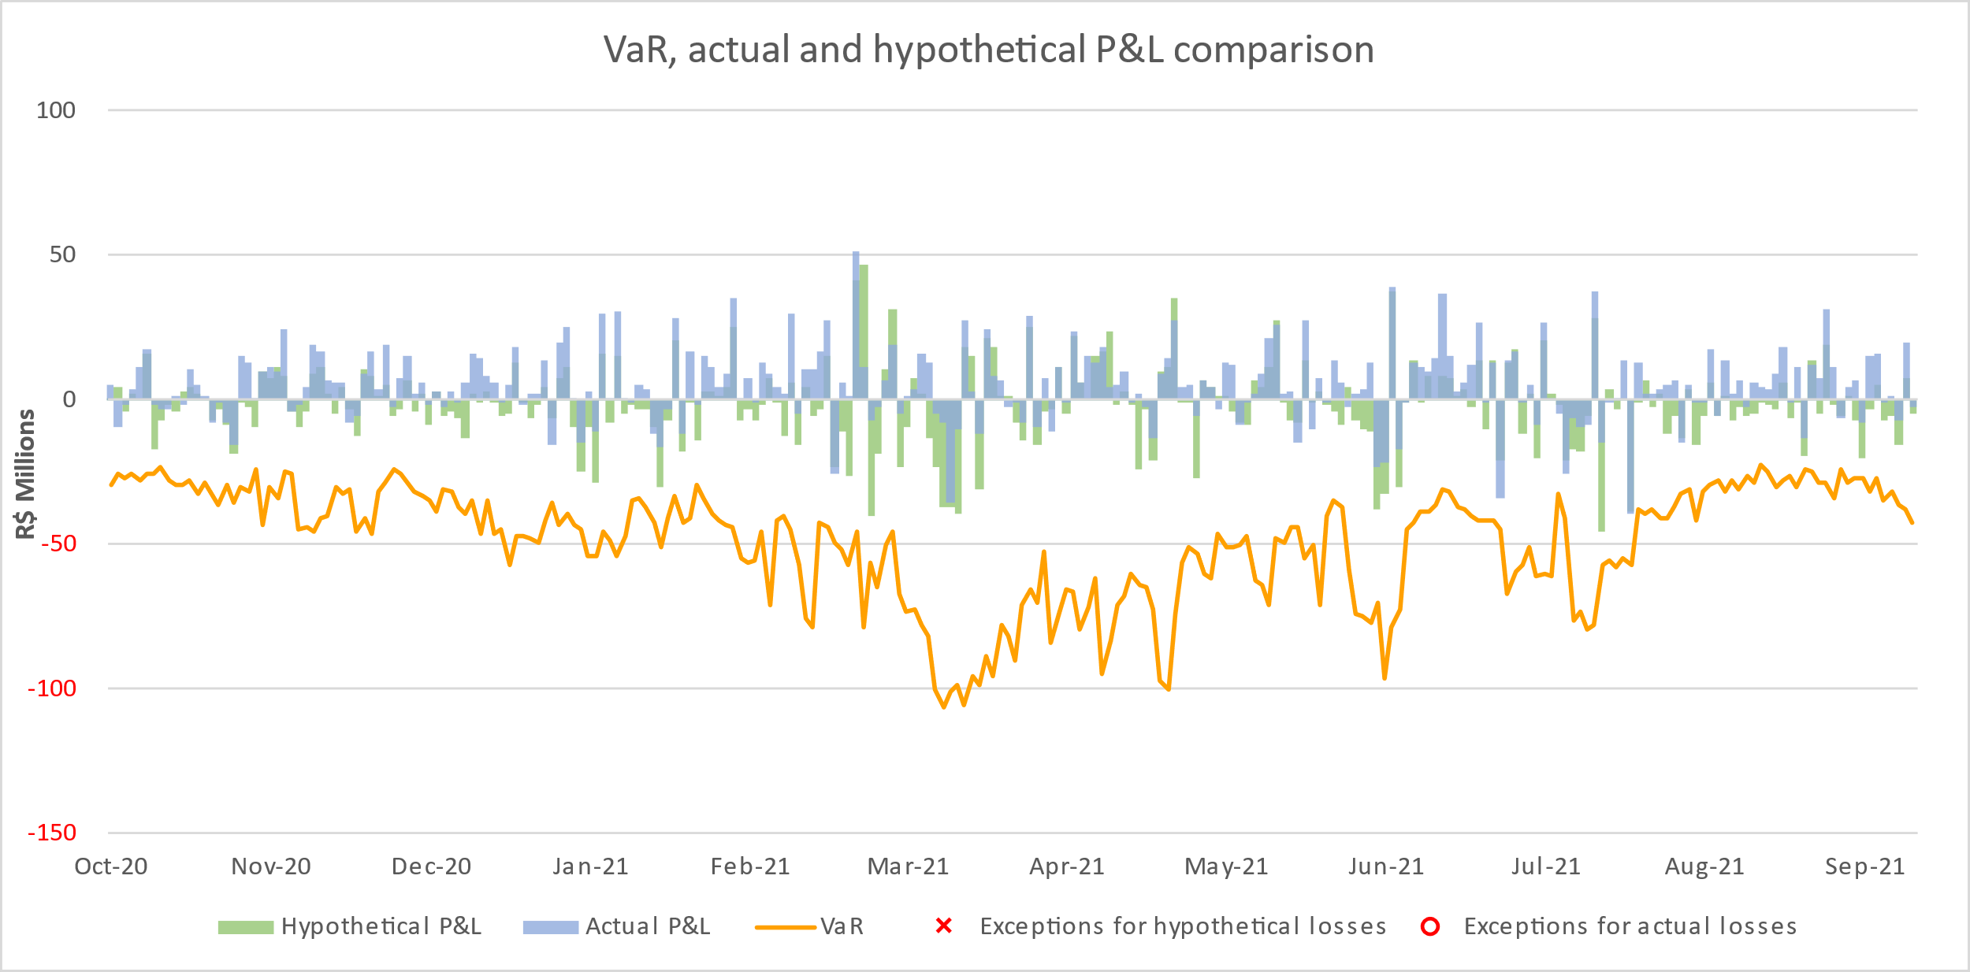
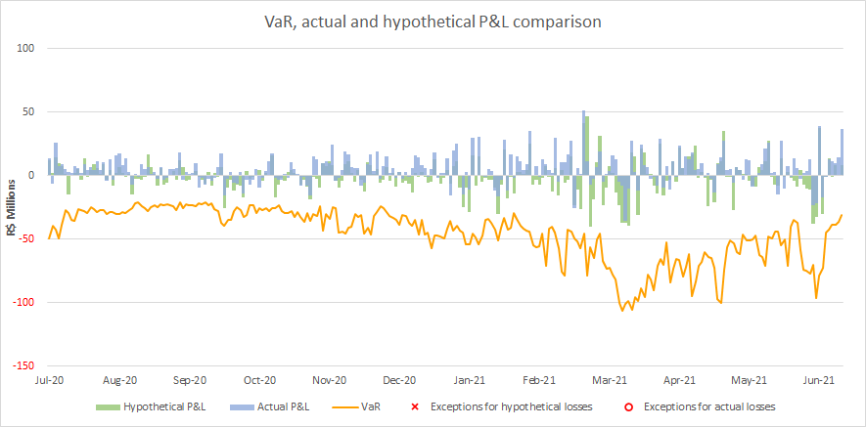
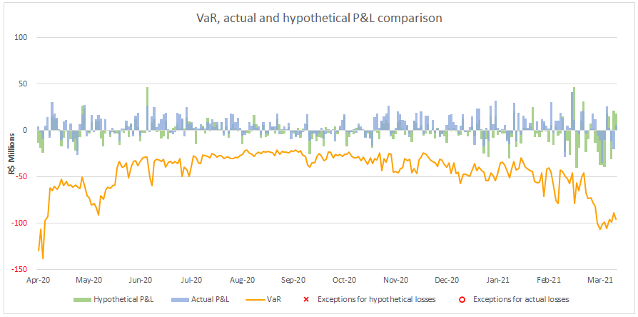
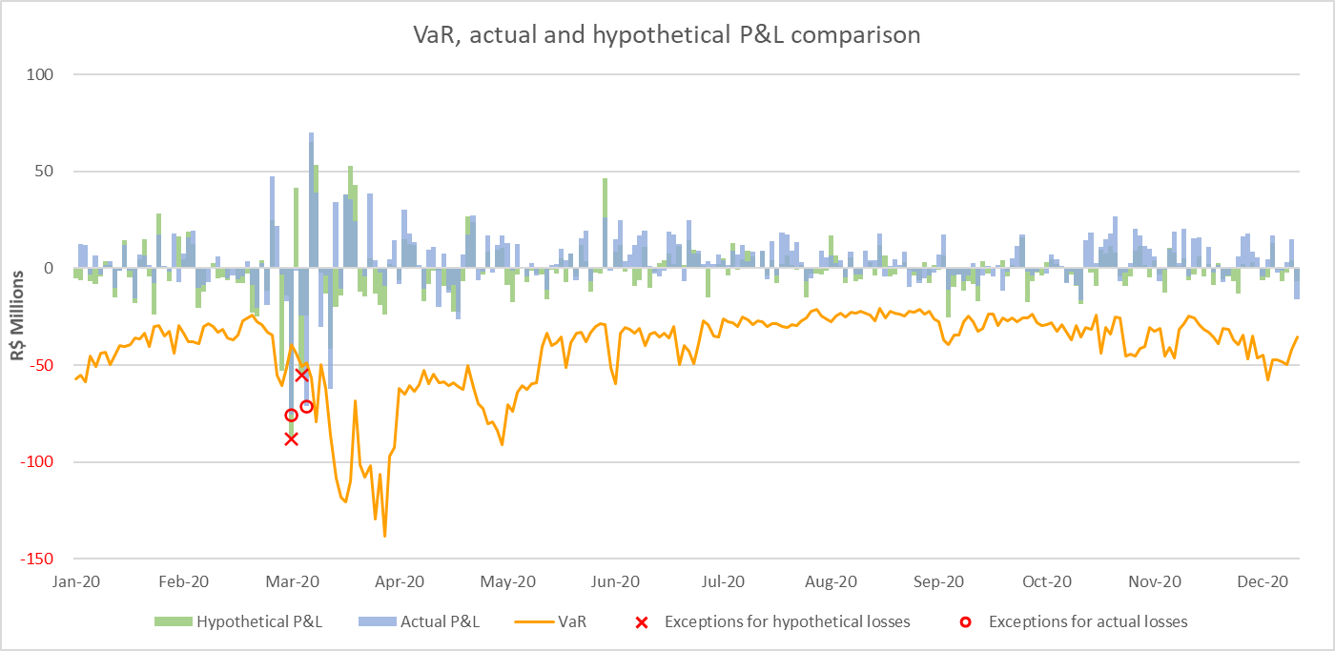
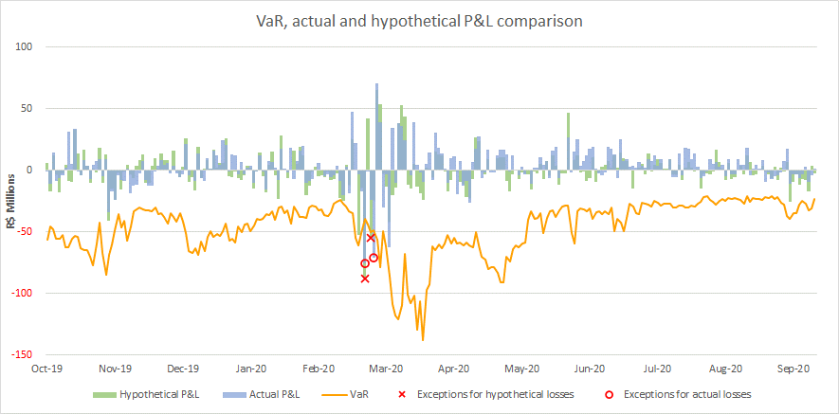
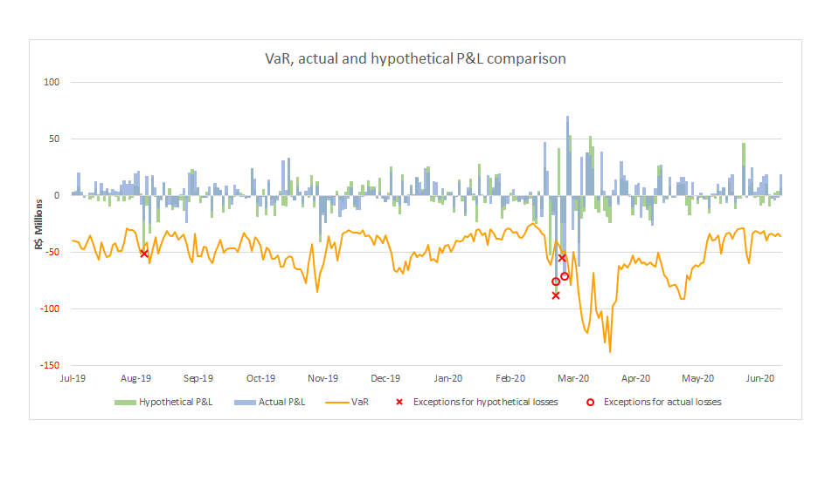
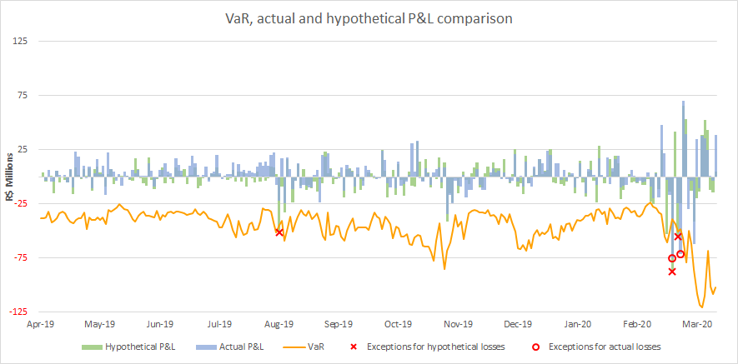
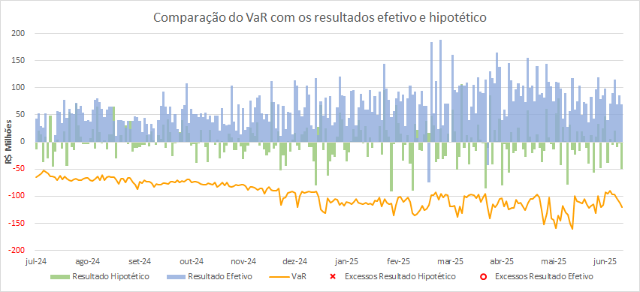
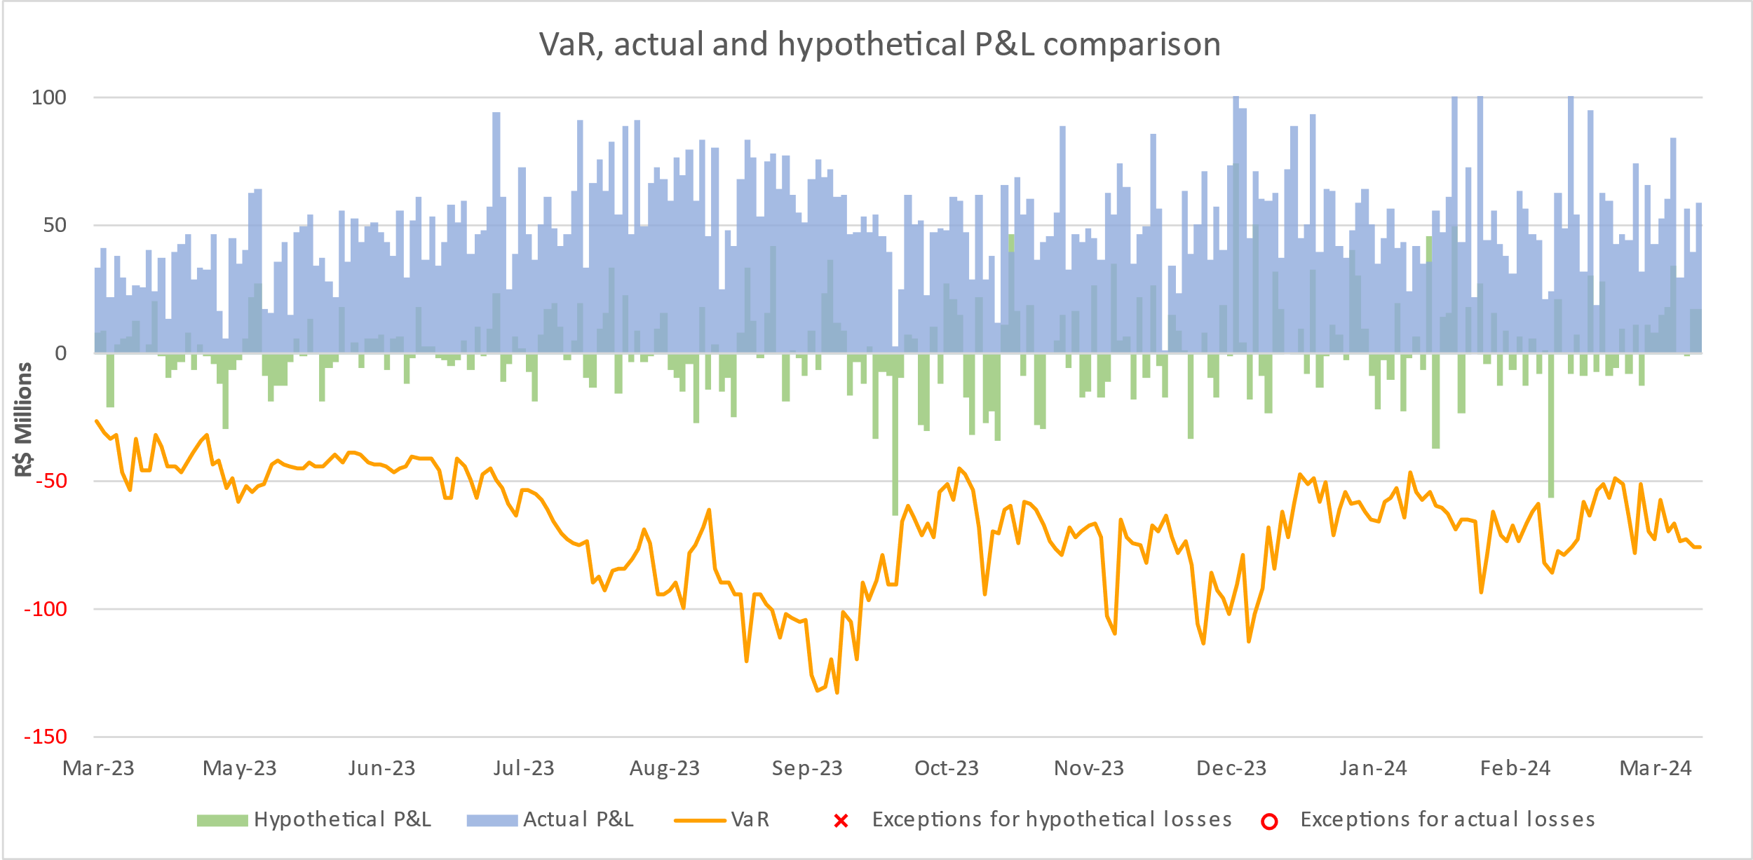
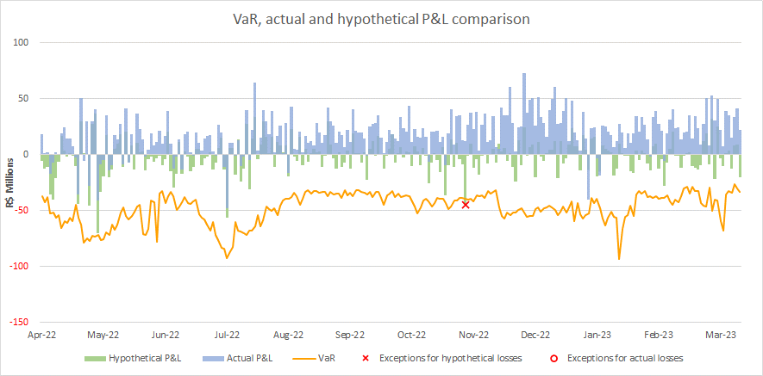
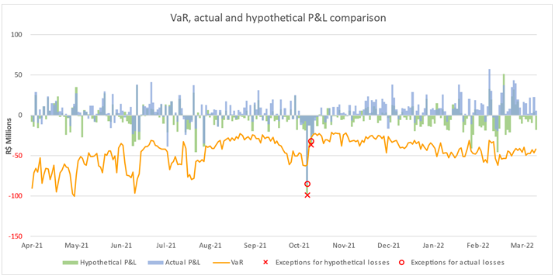
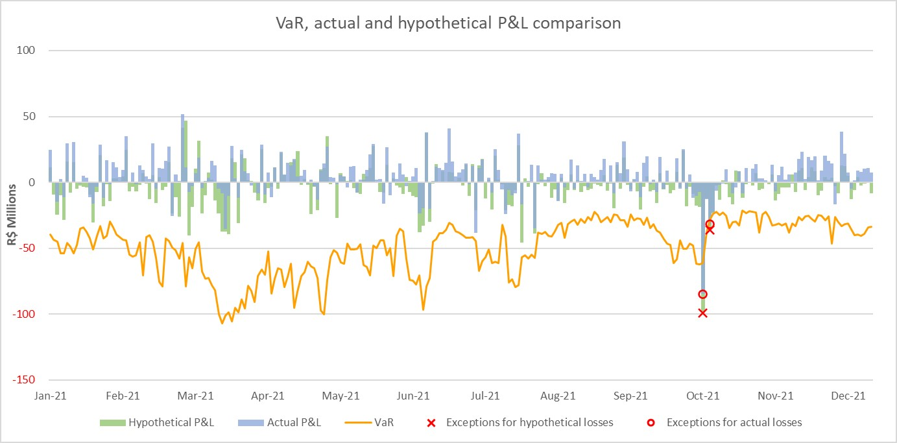
Comparison of VaR estimates with gains/losses
 | 06/30/2026 | 03/31/2026 | 12/31/2025 | 09/30/2025 | 06/30/2025 | 03/31/2025 | 12/31/2024 | 09/30/2024 | 06/30/2024 | 03/31/2024 | 12/31/2023 | 09/30/2023 | 06/30/2023 | 03/31/2023 | 12/31/2022 | 09/30/2022 | 06/30/2022 | 03/31/2022 | 12/31/2021 | 09/30/2021 | 06/30/2021 | 03/31/2021 | 12/31/2020 | 09/30/2020 | 06/30/2020 | 03/31/2020

Menu
Itaú Unibanco Holding S.A. - Historical Data

Click on the titles below to access the data:

Information (Pillar 3)

 | Capital Composition
 | Composition of Referential Equity
 | Prudential Adjustments
 | Prudential Adjustments (Previous Version)*
 | Subordinated Debt and Referential Equity Tier II

 | Required Referential Equity
 | Risk-Weighted Asset (RWA)
 | Risk-Weighted Assets for Credit Risk (RWACPAD)
 | Risk-Weighted Assets for Credit Risk (RWACPAD) (Previous Version)*
...

