MR4
 |  |  |  |  | Risk Integration

Comparison of VaR estimates with gains/losses (MR4) |  |  |  |  |  | Index

The following two graphs show the VaR of the Regulatory Portfolio for 1 day and the hypothetical and effective results, calculated daily. The actual result includes fees, brokerage, emoluments and commissions. The Organization uses an internal market risk model, so the capital requirement associated with the model is 100%.

Daily VaR and Hypothetical Regulatory Result
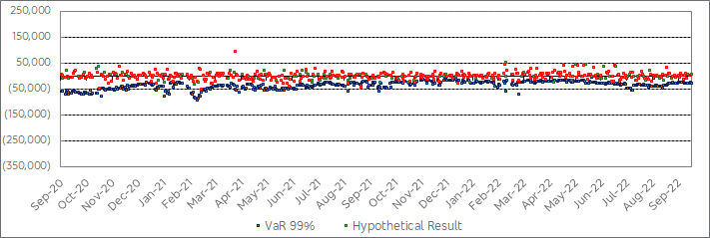

Daily VaR and Regulatory Effective Result
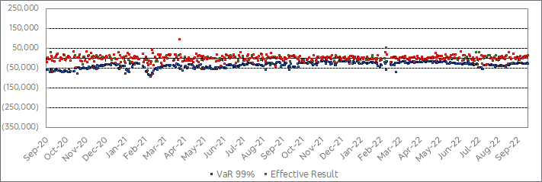

 | R$ thousand
Opening date | 1-day VaR | Effective Result | Hypothetical Result | Reasons
2021-06-17 | 50630 | 52722 | 54559 | Interest rate curve rises after Copom signals greater monetary tightening.
2021-09-09 | 34490 | 44830 | 45033 | Manifestations on September 7th and higher-than-expected inflation increase risk aversion.
2021-10-29 | 18457 | 24019 | 18669 | Market concern with fiscal responsibility leads to a rise in the yield curve and losses in Brazilian assets.
2022-04-22 | 17647 | 17260 | 23771 | Risk aversion driven by the prospect of further monetary tightening by the Federal Reserve Bank.

