Menu
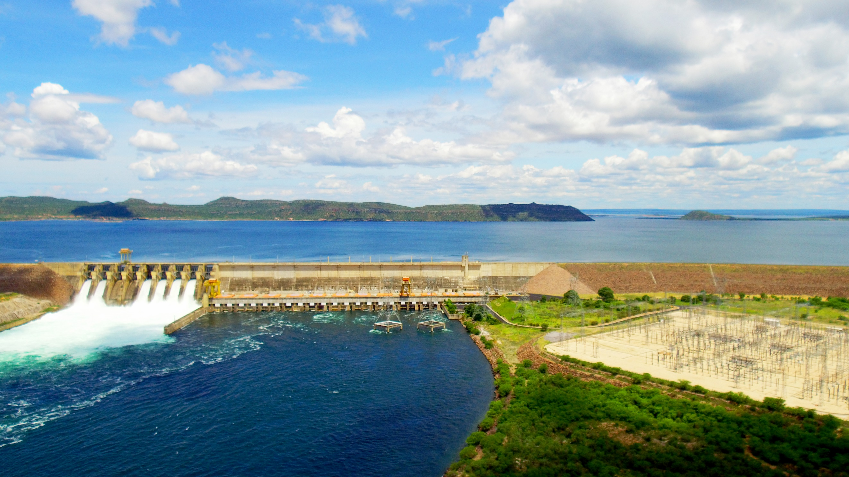

Operational data 1Q25

GENERATION
TRANSMISSION
EMPLOYEES
INVESTMENTS
OPERATIONAL

Market Data
Market Data
G Assets and
Generated Energy
G Assets and
Generated Energy
G Assets and
Generated Energy O&M
G Assets and
Generated Energy O&M
Corporate Transmission
RAP Current
Employees
Employees
Total Investment
Total Investment
Inv. SPE Generation
Inv. SPE Generation
Operational Data
Operational Data
SPE Transmission Lines
SPE Transmission Lines

Commercial Exploration
PIEs and Thermals
ACR-D
Commercialization
O&M ACR
List of Modules
Inv. Full Generation
Transmission CAPEX
SPE Substations
Loans and
Financ. SPE
Loans and
Financ. SPE

ELETRONUCLEAR

Energy Balance
Energy Sold
Energy Purchased for Resale
Summary of Transmission Lines
Nuclear - Operational Data
Inv. SPE Substations
Inv. SPE Transmission Lines
Loans and Financing by Company

Average Fee

Energy Balance
 | Energy Balance

 | Energy Balance (MWavg) 1Q25 |  | 2025 |  | 2026 |  | 2027
 | Resources that do not impact the energy balance (1) |  | 964 |  | 0 |  | 0

 | Resources (A) |  | 16,213 |  | 16,621 |  | 17,692
 | Company Resources (2) (3) (4) (5) |  | 14,155 |  | 15,418 |  | 16,570
 | Hydraulic |  | 13,915 |  | 15,161 |  | 16,313
 | Wind |  | 240 |  | 257 |  | 257
 | Purchase of Energy(6) |  | 2,058 |  | 1,204 |  | 1,122
 | Limit => |  | Lower | Higher | Lower | Higher | Lower | Higher
 | Sales (B) |  | 11,180 | 13,680 | 9,003 | 11,003 | 6,820 | 8,320
 | ACR – Except quotas |  | 3,424 |  | 3,503 |  | 3,070
 | ACL – Bilateral Contracts + MCP performed (range)(6) |  | 7,756 | 10,256 | 5,500 | 7,500 | 3,750 | 5,250
 | Average Prices Contracts performed
 | Limit => |  | Lower | Higher | Lower | Higher | Lower | Higher
 | Average Price of Sale Contracts (ACR and ACL - BRL/MWh) |  | 170 | 180 | 185 | 205 | 190 | 220
 | Balance (A - B) |  | 5,032 | 2,532 | 7,618 | 5,618 | 10,873 | 9,373
 | Balance considering hedge estimate (9) |  | 2,500 | 0 | 4,859 | 2,859 | 7,904 | 6,404
 | Decontracted Energy considering hedge estimate (9) |  | 15% | 0% | 29% | 17% | 45% | 36%

 | Contracts entered into until 12/31/2024.
 | It should be noted that the balance sheet takes into account the SPEs consolidated by Furnas: HPP Santo Antônio (as of 3Q22), HPPs Baguari and Retiro Baixo (as of 4Q23), whether in resources, sales or average prices. Likewise, the SPE consolidated by Eletronorte is being considered: HPP Teles Pires (as of 4Q23).
(1) | . The balance sheet does not include, whether in resources, requirements(sales) or average prices, the PIEs contracts arising from the process of unbundling of Amazonas Distribuidora, the contracts of thermal plants by availability and the Physical Guarantee Quotas. These appeals are presented only in 2024, disregarded, due to divestments, for the following years.
(2) | The Own Resources include the Decoupling plants (new PIEs) and the New Grants (Sobradinho, Itumbiara, Tucuruí, Curuá-Una and Mascarenhas de Moraes). For hydroelectric projects, an estimate of GFIS2 was considered, that is, the Physical Guarantee considering the Adjustment Factors due to Internal Losses, Losses in the Basic Network and Availability and adjustments due to the particularities of the portfolio.
(3) | Revised amounts for Physical Guarantees are taken into consideration as defined in Ordinance No. 709/GM/MME, of November 30, 2022.
(4) | With the decoupling, the plants currently under quota regime now have a new concession under the Independent Energy Producer - PIE regime, gradually occurring in a period of 5 years from 2023. The Physical Guarantee values were defined in Ordinance GM/MME No. 544/21.
(5) | Considering the new concession grants from 2023 for the Sobradinho, Itumbiara, Tucuruí, Curuá-Una and Mascarenhas de Moraes plants, whose Physical Guarantee values were defined in GM/MME Ordinance No. 544/21.
(6) | The balances from 2025 to 2027 consider around 200 MWavg of intercompany transactions, with effect on the purchase of energy and sales lines in the ACL.

 | Physical Guarantee Quotas of Hydroelectric Plants (MWavg) | 2025 | 2026 | 2027
 | Quotas for Physical Guarantees (7) (8) | 2,626 | 1,313 | -0
(7) | The Physical Guarantee of the HPP Jaguari, of 12.7 MWavg, whose concession is under the provisional administration of Furnas, is not included here.
(8) | Decoupling occurs gradually over a period of 5 years from 2023. The Physical Guarantee values considered from 2023 were those defined in Ordinance GM/MME No. 544/21.
(9) | The values present an estimate of the non-contracted energy. For the year 2024, the estimated value of 88.0% was considered. For the other years, a historical average value of GSF, from 2018 to 2023, of 81.8% was considered. Source: CCEE, obtained on the CCEE website, at the following link: https://www.ccee.org.br/dados-e-analises/dados-geracao, in the MRE option on the panel. It is important to note that this amount is merely an estimate based on events that have occurred in the past. The graph with the historical GSF values is shown below.
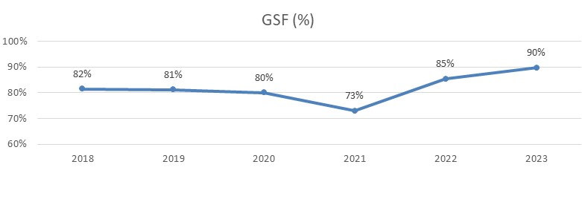

 | Source: CCEE

