Summary
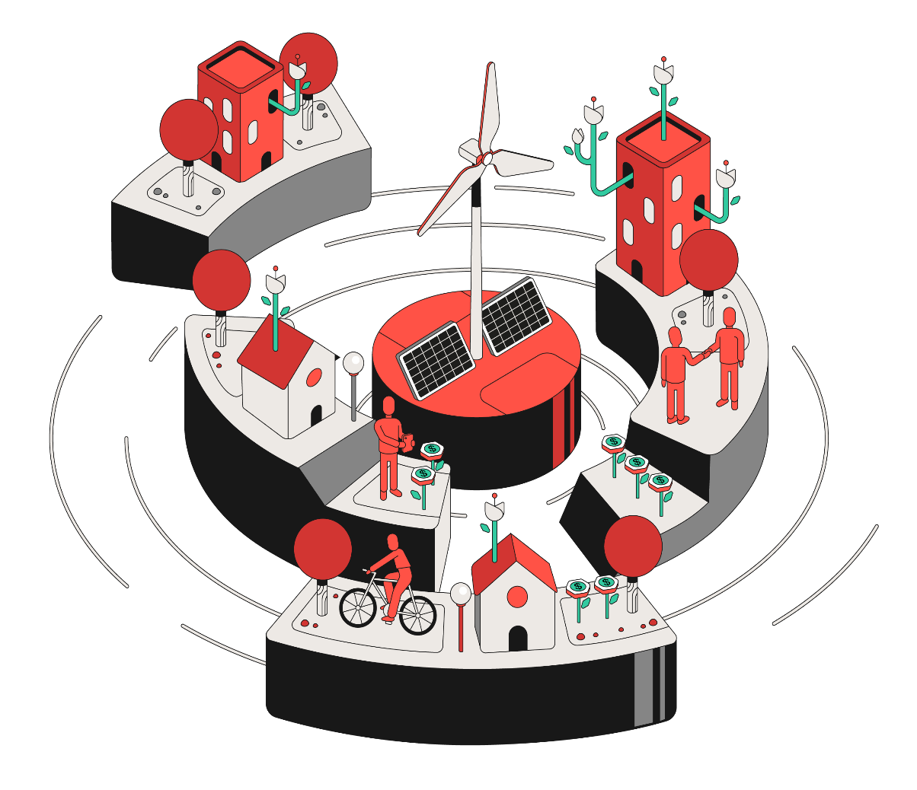
Financials Worksheet
2024-03-31

Serena Portfolio
Development Pipeline
Energy Production
Energy Balance
Financial KPIs - Adjusted View
Income Statement
Net Operating Revenue
Operating Costs
G&A Expenses
Net Financial Result
Balance Sheet - Assets
Balance Sheet - Liabilities and Equity
Indebtedness
Asset Structure
CCEE Assets Code
TUST | TUSD

Serena Portfolio
Back to
Summary

Serena Portfolio | 2024-03-31

Operating Capacity (MW) | 2,704.8
Under Construction Capacity (MW) | 89.5
Pipeline Under Development (MW) | 6,451.3

# | Complex | Assets | Source | Installed Capacity (MW) | Share (%) | P50¹ (MWavg) | Assured Energy² (MWavg.) | EBITDA 2024 (R$ mm)
1 | Delta Complex | Delta Piauí and Maranhão | Wind | 573.8 | 100% | 316.6 | 298.0 | 350 to 440
2 | Bahia Complex | Assuruá 1, 2, 3, 4 and 5³ Ventos da Bahia 1, 2 and 3⁴ | Wind | 1,172.2 | 100% | 645.0 | 581.9 | 745 to 855
3 | SE/CO Complex⁵ | Pipoca, Serra das Agulhas, Indaiás and Gargaú | Wind and Hydro - SHP | 110.6 | 51% - 100% | 54.8 | 54.2 | 120 to 130
4 | Chuí Complex | Santa Vitória do Palmar and Hermenegildo | Wind | 582.8 | 100% | 209.6 | 219.0 | 290 to 330
5 | Goodnight Complex | Goodnight 1 | Wind | 265.5 | 100% | 100.4 | n.a. | 120 to 220
6 | Distributed Generation | - | Solar | 92.0 | 72%6 | 28,57 | n.a. | 20 to 30
7 | Energy Platform | - | - | - | 100% | - | - | 40 to 120
 | - | Total |  | 2,796.8 | - | 1,355.0 | 1,109.4 | 1,721 to 2,113

Notes:
¹ Net of wake effects impact from all expansions and balanced by operational data. Considers current stake in the assets. After the conclusion of the asset swap with EDFR by the end of March 2024, the Company started consolidating 100% of Ventos da Bahia 1, 2 and 3 (in Bahia Cluster) and EDFR now holds 100% of Pirapora (formerly in SE/CO Cluster).
² Does not consider grid and internal losses.
³ Assuruá 4 reached full COD on February, 2023, and Assuruá 5 reached full COD on October, 2023.
⁴ After the conclusion of the asset swap with EDFR by the end of March 2024, the Company started consolidating 100% of Ventos da Bahia 1, 2 and 3 (in Bahia Cluster) and EDFR now holds 100% of Pirapora (formerly in SE/CO Cluster).
⁵ Considers 100% of Pipoca. After the conclusion of the asset swap with EDFR by the end of March 2024, the Company started consolidating 100% of Ventos da Bahia 1, 2 and 3 (in Bahia Cluster) and EDFR now holds 100% of Pirapora (formerly in SE/CO Cluster).
6 The Company currently holds 72%. 87 MW from the JV with Apolo (70%) and 5 MW from Serena’s own investment (100%).
7 Considers 31% load factor for the first year.

BR Operational Portfolio | 2024-03-31

BR Operational Assets | % Serena | Source | Location | Power Connection Point | Type of Connection | Plants | Generator Units (UGs) | Installed Capacity¹ | Gross Assured Energy (MWavg.)¹ | Net Assured Energy (MWavg)² | Contracted Volume (MWavg.)³ | Avg. Price³ (R$/MWh) | Market | Auction | Auction Type | Auction Notice | Begin PPA Supply⁴ | End PPA Supply⁴ | PPA Index | Start of Grant | Start of Operation | End of Authorization | WTG Supplier | WTG | O&M Supplier
Total Portfolio | - | - | - | - | - | 92 | 918 | 2,439.3 | 1,153.1 | 1,128.6 | - | - | - | - | - | - | - | - | - | - | - | - | - | - | -
Delta Complex | - | - | - | - | - | 21 | 241 | 573.8 | 298.0 | 290.0 | - | - | - | - | - | - | - | - | - | - | - | - | - | - | -
Delta Piauí | - | - | - | - | - | 6 | 69 | 147.8 | 73.4 | 73.4 | - | - | - | - | - | - | - | - | - | - | - | - | - | - | -
Delta 1 | 100% | Wind | Parnaíba - Piauí | SE Tabuleiros II | Distribution | 3 | 35 | 70.0 | 31.0 | 31.0 | 32.8 | 212.6 | A-3/2011 | 12ºLEN | Availability | 002/2011 | Mar-14 | Dec-33 | IPCA | Apr-12 | Jul-14 | Apr-47 | Gamesa | G97 2.0MW | FSA - SGRE
...

Development Pipeline
Back to
Summary

Key Metrics | On-going DG (Building and NTP) | Future DG (Short-term pipeline) | Goodnight 2 (Short-term Pipeline) | Hybrid Assuruá (Late Stage) | Wind Pipeline (Late Stage) |  | Solar Pipeline (Mid + Early Stage)
 | BR | BR | US | BR | BR | US | BR
Location | BR | BR | Texas, US | Bahia, BR | - | - | -
Potential Capacity¹ | 92.0 MWac | 16.5 MWac | 265.5 MW | 100 MW | 124.8 MW | - | Up to 4,200 Mwac
Load Factor (%) | ~31% (First Year) | 29%-32% (First Year) | 37.8% | 28% - 33% | 40% - 60% | - | 28% - 33%
Construction Start | June 2023 | - | - | - | - | - | -
Full COD | 1Q25 | 2Q25 | - | - | - | - | -
Serena's Share² | 72%4 | 70% | 100% | 100% | 100% | 100% | 100%
...

Energy Production
Back to
Summary

 | Date | 2016-03-31 | 2016-06-30 | 2016-09-30 | 2016-12-31 | 2017-03-31
 | Year | 2016 | 2016 | 2016 | 2016 | 2017
Energy Production (in GWh) | Source | 1Q2016 | 2Q2016 | 3Q2016 | 4Q2016 | 1Q2017
BR Assets | - | 158.1 | 126.2 | 160.7 | 199.9 | 149.7
Delta Complex | - | 55.7 | 54.4 | 95.2 | 102.1 | 42.5
Delta Piauí | - | 55.7 | 54.4 | 95.2 | 102.1 | 42.5
Delta 1 | Wind | 55.7 | 54.4 | 95.2 | 102.1 | 42.5
Delta 2 | Wind | - | - | - | - | -
Delta Maranhão | - | - | - | - | - | -
Delta 3 | Wind | - | - | - | - | -
...

Energy Balance
Back to
Summary

 | Date | 2024-01-01 | 2025-01-31 | 2026-01-31 | 2027-01-31 | 2028-01-31
 | Year | 2024 | 2025 | 2026 | 2027 | 2028
Consolidated Energy Portfolio | 2024-03-31

Consolidated Energy Portfolio Distribution (MWm) |  | 2024 | 2025 | 2026 | 2027 | 2028
Total Resources Under Management (A) |  | 1,292.3 | 1,324.3 | 1,299.8 | 1,294.8 | 1,305.8
Assured Energy (BR Portfolio)¹ |  | 1,112.2 | 1,122.8 | 1,122.8 | 1,122.8 | 1,122.8
Purchase for Resale (BR Portfolio) |  | 61.0 | 79.4 | 55.0 | 50.0 | 61.0
Distributed Generation - P50 - Solar (BR) |  | 18.7 | 21.6 | 21.6 | 21.6 | 21.6
Certified P50 - Wind (US) |  | 100.4 | 100.4 | 100.4 | 100.4 | 100.4
...

Income Statement
Back to
Summary

 | Date | 2016-03-31 | 2016-06-30 | 2016-09-30 | 2016-12-31 | 2017-03-31
 | Year | 2016 | 2016 | 2016 | 2016 | 2017
Income Statement (in million Reais) - IFRS |  | 1Q2016 | 2Q2016 | 3Q2016 | 4Q2016 | 1Q2017
Net Operating Revenue |  | 31.8 | 41.4 | 51.2 | 70.6 | 61.9
Operating and Maintenance Costs |  | (15.5) | (17.6) | (37.3) | (47.0) | (35.4)
Gross Profit |  | 16.3 | 23.7 | 13.9 | 23.7 | 26.5
Operating Income (Expenses) |  | (0.8) | (6.0) | 3.2 | (3.2) | (0.3)
General and Administrative Expenses |  | (2.3) | (2.7) | (2.8) | (4.6) | (2.4)
Other Operating Income (Expenses) |  | 0.1 | 0.0 | (0.0) | (0.1) | (0.1)
Equity Income |  | 1.5 | (3.3) | 5.9 | 1.5 | 2.2
...

Financials KPIs - Adjusted View
Back to
Summary

 | Date | 2016-03-31 | 2016-06-30 | 2016-09-30 | 2016-12-31 | 2017-03-31
 | Year | 2016 | 2016 | 2016 | 2016 | 2017
Adjusted KPIs (in million Reais) |  | 1Q2016 | 2Q2016 | 3Q2016 | 4Q2016 | 1Q2017
P&L (in million Reais) |  | 1Q2016 | 2Q2016 | 3Q2016 | 4Q2016 | 1Q2017
Net Operating Revenue |  | 31.8 | 41.4 | 51.2 | 70.6 | 61.9
Energy Purchase |  | (5.1) | (7.2) | (28.4) | (38.6) | (26.3)
Tax Credit |  | 0.6 | 0.7 | 2.7 | 3.3 | 2.4
Energy Gross Profit |  | 27.4 | 35.0 | 25.5 | 35.3 | 37.9
Operating and maintenance costs (ex-D&A) |  | (4.1) | (4.3) | (4.7) | (4.7) | (4.5)
O&M |  | (2.7) | (2.6) | (3.2) | (3.3) | (2.9)
...

Net Operating Revenue
Back to
Summary

 | Date | 2016-03-31 | 2016-06-30 | 2016-09-30 | 2016-12-31 | 2017-03-31
 | Year | 2016 | 2016 | 2016 | 2016 | 2017
Net Operating Revenue (in million Reais) |  | 1Q2016 | 2Q2016 | 3Q2016 | 4Q2016 | 1Q2017
Regulated PPAs Sales ("ACR") |  | 15.7 | 11.8 | 8.4 | 10.9 | 9.9
Proinfa |  | 7.3 | 3.8 | 8.0 | 10.0 | 9.4
CCEAR |  | 8.4 | 8.0 | 0.3 | 0.9 | 0.5
LER |  | - | - | - | - | -
Bilateral PPAs Sales ("ACL") |  | 17.4 | 31.1 | 47.0 | 64.3 | 54.3
Spot Market ("CCEE") |  | 0.8 | 0.9 | 0.0 | 0.7 | 2.6
Spot Market ("Merchant - US") |  | - | - | - | - | -
...

Operating Costs
Back to
Summary

 | Date | 2016-03-31 | 2016-06-30 | 2016-09-30 | 2016-12-31 | 2017-03-31
 | Year | 2016 | 2016 | 2016 | 2016 | 2017
Operating and Maintenance Cost (in million Reais) |  | 1Q2016 | 2Q2016 | 3Q2016 | 4Q2016 | 1Q2017
Energy Purchase |  | (5.1) | (7.2) | (28.4) | (38.6) | (26.3)
O&M |  | (2.1) | (2.0) | (2.5) | (10.1) | (2.3)
Regulatory Charges |  | (1.4) | (1.7) | (1.4) | (1.3) | (1.6)
Carbon Credit Costs |  | - | - | - | - | -
Depreciation and Amortization |  | (6.9) | (6.9) | (6.9) | (6.9) | (6.9)
Tax Credit (PIS/Cofins) |  | 0.6 | 0.7 | 2.7 | 3.3 | 2.4
Others |  | (0.5) | (0.6) | (0.7) | 6.8 | (0.6)
...

G&A Expenses
Back to
Summary

 | Date | 2016-03-31 | 2016-06-30 | 2016-09-30 | 2016-12-31 | 2017-03-31
 | Year | 2016 | 2016 | 2016 | 2016 | 2017
General and Administrative Expenses (in million Reais) |  | 1Q2016 | 2Q2016 | 3Q2016 | 4Q2016 | 1Q2017
Payroll and Benefits |  | (1.4) | (1.8) | (1.8) | (3.5) | (1.3)
Professional Service (Consulting and Audit) |  | - | - | - | - | -
Third-Party Service |  | (0.4) | (0.5) | (0.5) | (0.6) | -
Publications and Advertising |  | - | - | - | - | -
Depreciation and Amortization |  | (0.4) | (0.4) | (0.4) | (0.4) | (0.4)
Others |  | (0.1) | (0.0) | (0.1) | (0.1) | (0.7)
...

Net Financial Result
Back to
Summary

 | Date | 2016-03-31 | 2016-06-30 | 2016-09-30 | 2016-12-31 | 2017-03-31
 | Year | 2016 | 2016 | 2016 | 2016 | 2017
Net Financial Result (in million Reais) |  | 1Q2016 | 2Q2016 | 3Q2016 | 4Q2016 | 1Q2017
Financial Income |  | 1.5 | 2.1 | 1.6 | 2.1 | 1.7
Interest on Marketable Securities |  | 1.4 | 2.0 | 1.5 | 1.9 | 1.5
Other Income |  | 0.2 | 0.1 | 0.1 | 0.2 | 0.2

Financial Expenses |  | (10.5) | (10.6) | (11.0) | (10.9) | (9.7)
Interest on Loans, Financing and Debentures |  | (8.1) | (8.0) | (7.9) | (7.7) | (6.7)
Commission on Guarantee |  | (1.5) | (1.9) | (2.5) | (2.7) | (2.5)
...

BS - Assets
Back to
Summary

 | Date | 2016-03-30 | 2016-06-30 | 2016-09-30 | 2016-12-31 | 2017-03-31
 | Year | 2016 | 2016 | 2016 | 2016 | 2017
Assets (in million Reais) |  | 1Q2016 | 2Q2016 | 3Q2016 | 4Q2016 | 1Q2017
Current Assets |  | 63.3 | 72.7 | 79.4 | 102.0 | 119.3
Cash and cash equivalents |  | 28.2 | 25.5 | 37.0 | 38.2 | 47.6
Trade Accounts receivable |  | 21.2 | 30.9 | 23.7 | 47.5 | 48.7
Dividends Receivable |  | 0.6 | - | - | 1.3 | 1.3
Energy futures contract / Financial Instruments |  | - | - | - | - | -
Other |  | 13.4 | 16.3 | 18.7 | 15.0 | 21.7
Non-current Assets |  | 696.9 | 688.8 | 682.6 | 671.6 | 662.7
...

BS - Liabilities and Equity
Back to
Summary

 | Date | 2016-03-30 | 2016-06-30 | 2016-09-30 | 2016-12-31 | 2017-03-31
 | Year | 2016 | 2016 | 2016 | 2016 | 2017
Liabilities and Equity (in million Reais) |  | 1Q2016 | 2Q2016 | 3Q2016 | 4Q2016 | 1Q2017
Current Liabilities |  | 59.3 | 63.0 | 78.8 | 101.4 | 100.2
Trade accounts payable |  | 3.7 | 6.4 | 17.4 | 27.5 | 29.5
Loans, financing and debentures |  | 34.2 | 34.0 | 34.1 | 34.4 | 32.5
Labor and tax obligations |  | 3.3 | 4.4 | 4.6 | 5.5 | 6.2
Lease liabilities |  | - | - | - | - | -
Energy futures contract |  | - | - | - | - | -
Accounts payable on acquisition business |  | - | - | - | - | -
...

Indebtedness
Back to
Summary

Indebtedness Breakdown (in million Reais) | 2024-03-31

Asset | Ticker | Financial Institution | Maturity | Interest Payment | Principal Payment | Debt Cost (p.a.) | 1Q24¹
Indaiás | - | CCB | Jul-25 | Monthly | Monthly | CDI + 2.90% | 26.9
Delta 2 | PTMI11 | Debentures | Dec-26 | Semiannual | Semiannual (Customized) | IPCA + 7.38% | 25.3
Delta 3 | OMNG12 | Debentures | Dec-29 | Semiannual | Semiannual (Customized) | IPCA + 7.11% | 208.0
Serena Geração | OMGE11 | Debentures | May-24 | Semiannual | Annual (Customized) | CDI + 1.20% | 177.3
Serena Geração | OMGE21 | Debentures | May-26 | Semiannual | Annual (Customized) | CDI + 1.30% | 175.6
...
Notes:
¹ In million reais. Does not consider transaction costs. Considers the pro-rata stake of unconsolidated investments. ² Santa Vitória do Palmar debentures merged into Serena Geração.

Debt KPIs (Historical Data)

Debt KPIs | 4Q17 | 1Q18 | 2Q18 | 3Q18 | 4Q18 | 1Q19 | 2Q19 | 3Q19 | 4Q19 | 1Q20 | 2Q20 | 3Q20 | 4Q20 | 1Q21 | 2Q21 | 3Q21 | 4Q21 | 1Q22 | 2Q22 | 3Q22
Cost (%) | 9.3% | 9.4% | 9.7% | 9.4% | 9.3% | 8.7% | 9.0% | 8.9% | 8.4% | 7.8% | 7.8% | 7.8% | 7.9% | 7.8% | 7.7% | 8.3% | 8.7% | 9.5% | 10.0% | 9.7%
Duration (years) | 8.8 | 7.8 | 8.1 | 7.5 | 7.7 | 7.7 | 7.8 | 7.6 | 7.4 | 7.6 | 7.5 | 7.3 | 6.8 | 6.7 | 6.4 | 6.3 | 5.9 | 5.6 | 5.1 | 4.6

Amortization Curve¹ (in million Reais) - 12/31/2023 | 2024-03-31

Year | Consolidated Principal Amortization | Accrued Interest | Total Ammount (Mar 31, 2024)
2024 | 1,289.1 | 116.4 | 1,405.6
2025 | 1,610.9 | 43.9 | 1,654.8
2026 | 740.0 | 69.0 | 809.1
2027 | 806.2 | 69.1 | 875.2
2028 | 826.4 | 68.7 | 895.1
2029 | 853.6 | 69.0 | 922.6
2030 | 468.9 | 23.1 | 491.9
2031 | 454.3 | 12.2 | 466.5
 | Long-term Loans | ODRE Bridge Loan | Refinancing 2025¹
2024 | 535.2 | 753.91642842
2025 | 960.9 |  | 650.0
2026 | 740.0
2027 | 806.2
2028 | 826.4
2029 | 853.6
2030 | 468.9
2031 | 454.3
2032 | 484.0
2033 | 463.2
2034 | 325.0
2035 | 229.2
2036 | 209.4
2037 | 220.4
2038 | 204.6
2039 | 139.9
2040 | 140.0
2041 | 116.5
2042 | 70.5
2043 | 51.2
2044 | 8.1
2032 | 484.0 | 12.1 | 496.2
2033 | 463.2 | 9.0 | 472.3
2034 | 325.0 | 6.6 | 331.6
2035 | 229.2 | 6.7 | 235.9
2036 | 209.4 | 6.8 | 216.2
2037 | 220.4 | 6.9 | 227.3
2038 | 204.6 | 6.5 | 211.1
2039 | 139.9 | 4.7 | 144.7
2040 | 140.0 | 4.7 | 144.7
2041 | 116.5 | 4.7 | 121.2
2042 | 70.5 | 2.9 | 73.4
2043 | 51.2 | 2.9 | 54.0
2044 | 8.1 | 1.2 | 9.3
Total | 9,711.5 | 547.1 | 10,258.6

In line with our plan, our Net Debt reached R$ 8.5 billion while our Net Debt / EBITDA reached 5.0x and Net Debt / EBITDA of the Operational Arm reached 2.8x as the rising revenues from the new assets started impacting the index. In 1Q24, we have:
Amortized all Goodnight 1 bridge loans using the proceeds from Goldman Sachs’ tax equity investment - US$ 184.7 million (~R$ 914 million).
Issued a R$ 825 million debenture – two tranches, R$ 230 million and R$ 595 million, due in 2035 and 2041, respectively – related to Assuruá 4 and 5, amortizing R$ 730 million in bridge loans.
Disbursed R$ 83.8 million of FDNE line related to Assuruá 5 (additional ~R$ 140 million already contracted still to be disbursed).
Company has several options to fund Serena US (ODRE) (R$ 731 mm including): (i) sell down process or other capitalization structure in US (in progress), (ii) new margin optimization transactions, and (iii) other refinance options given space created with new EBITDA level and conclusion of high-capex cycle (Serena Geração crossed 1Q24 with a 1.1x space from covenant).
1
Notes:
¹ Includes only consolidated investments. Does not consider Tax Equity Investment (not considered as debt under US GAAP).

Year | Long-term Loans | ODRE Bridge Loan | Refinancing 2025¹
2024 | 535.2 | 753.9
2025 | 960.9 |  | 650.0
2026 | 740.0
2027 | 806.2
2028 | 826.4
2029 | 853.6
2030 | 468.9
2031 | 454.3
2032 | 484.0
2033 | 463.2
2034 | 325.0
2035 | 229.2
2036 | 209.4
2037 | 220.4
2038 | 204.6
2039 | 139.9
2040 | 140.0
2041 | 116.5
2042 | 70.5
2043 | 51.2
2044 | 8.1
Total | 8,307.6 | 753.9 | 650.0

Notes:
¹ Expected and uncontracted refinancings.

Asset Strucutre
Back to
Summary

Asset Structure | 2024-03-31

Serena Energia
Merged
Assets

100%
100%
Chuí

69.95%
Serena Desenvolvimento
Apolo JV DG
Serena Geração
100%
Gargaú

100%
Energy Platform
Assuruá 4
(Operational)
Assuruá 5
(Operational)
Goodnight 1 (Operational)
Other Projects
100%
51%

Consolidated Assets
JVs
51%
Assuruá
1 and 2
Assuruá 3
Indaiazinho
Serra das Agulhas
Delta 1
Delta 2
Delta 3
Delta 5
Delta 6
Delta 7
Delta 8
VDB 1, 2 and 3
Pipoca

Indaiá Grande

CCEE Assets Code
Back to
Summary

Asset Abbreviation (Sigla Ativo) | Asset Code (Código do Ativo) | Enterprise CEG (CEG do Empreendimento) | Company Name (Nome Empresarial)
Delta Complex | - | - | -
Delta PI | - | - | -
Delta 1 | - | - | -
PORTO DAS BARCAS | 76890 | EOL.CV.PI.030827-7.01 | DELTA 1 I ENERGIA S.A.
DELTA DO PARNAIBA | 76901 | EOL.CV.PI.030838-2.01 | DELTA 1 II ENERGIA S.A.
PORTO SALGADO | 76892 | EOL.CV.PI.030830-7.01 | DELTA 1 III ENERGIA S.A.
Delta 2 | - | - | -
...

TUST | TUSD
Back to
Summary

Asset | TUST (R$/kW) | TUSDg (R$/kW) | Resolution | Obs.
Delta Complex | - | - | - | -
Delta PI | - | - | - | -
Delta 1 | - | - | - | -
PORTO DAS BARCAS | - | R$ 6.59 | REH 3.292/2023 | 2023-2024 Cycle
DELTA DO PARNAIBA | - | R$ 6.59 | REH 3.292/2023 | 2023-2024 Cycle
PORTO SALGADO | - | R$ 6.60 | REH 3.292/2023 | 2023-2024 Cycle
Delta 2 | - | - | - | -
...

