Summary
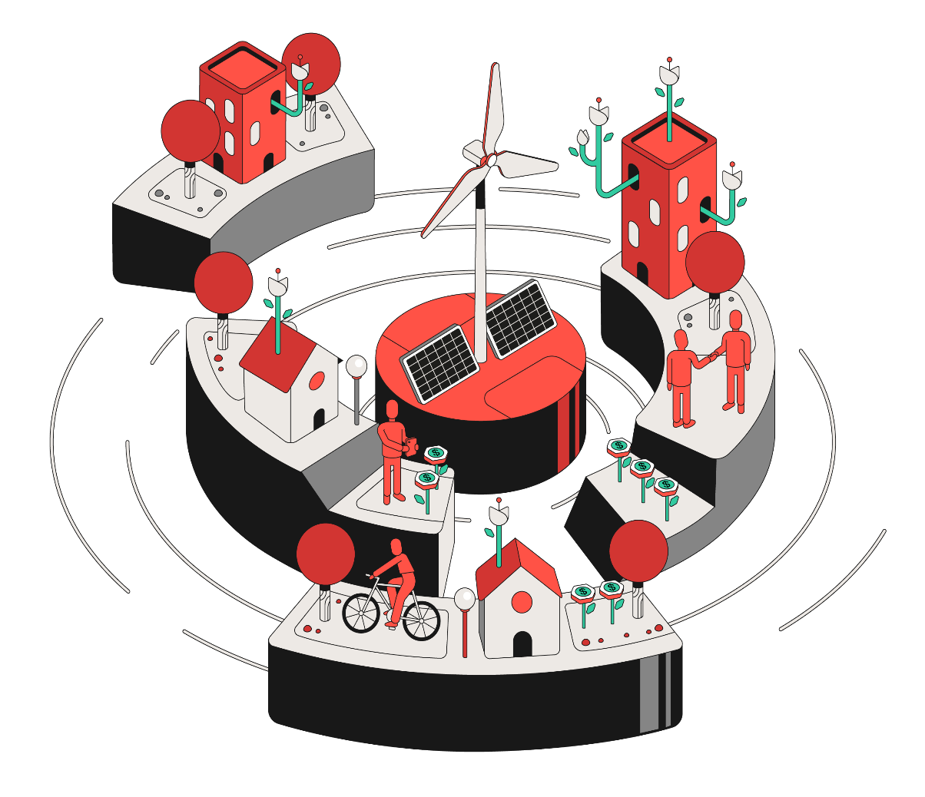
Financials Worksheet

Serena Portfolio
Development Pipeline
Energy Production
Energy Balance
Financial KPIs - Adjusted View
Income Statement
Net Operating Revenue
Operating Costs
G&A Expenses
Net Financial Result
Balance Sheet - Assets
Balance Sheet - Liabilities and Equity
Indebtedness
Asset Structure
CCEE Assets Code

Serena Portfolio
Back to
Summary

Serena Portfolio (09/30/2023)

Operating Capacity (MW) | 2,417.8
Under Construction Capacity (MW) | 340.5
Pipeline Under Development (MW) | 6,358.6

# | Complex | Assets | Source | Installed Capacity (MW) | Share (%) | P50¹ (MWavg) | Assured Energy² (MWavg.) | EBITDA 2023 (R$ mm)
1 | Delta Complex | Delta Piauí and Maranhão | Wind | 573.8 | 100% | 316.6 | 298.0 | 350 to 450
2 | Bahia Complex | Assuruá 1, 2, 3, 4 and 5³ Ventos da Bahia 1, 2 and 3⁴ | Wind | 990.2 | 50% - 100% | 549.6 | 495.6 | 580 to 660
3 | SE/CO Complex | Pipoca, Serra das Agulhas, Indaiás Gargaú and Pirapora⁵ | Wind, Solar and Hydro | 271.1 | 50% - 100% | 101.4 | 96.8 | 230 to 250
4 | Chuí Complex | Santa Vitória do Palmar and Hermenegildo | Wind | 582.8 | 100% | 209.6 | 216.6 | 200 to 220
5 | Goodnight Complex | Goodnight 1⁶ | Wind | 265.5 | 100% | 100.4 | n.a. | -1.2 to 3.1
6 | Energy Platform | - | - | - | 100% | - | - | 40 to 120
 | - | Total |  | 2,683.3 | - | 1,277.6 | 1,107.0 | 1,370 to 1,630

Notes:
¹ Net of wake effects impact from all expansions and balanced by operational data.
² Does not consider grid and internal losses.
³ Assuruá 4 reached full COD on February, 2023, and Assuruá 5 reached full COD on October, 2023.
⁴ Considers 50% of Ventos da Bahia 1, 2 and 3.
⁵ Considers 50% of Pirapora and 100% of Pipoca.
⁶ Goodnight 1 is expected to be fully operational by 4Q23.

BR Operational Portfolio (06/30/2023)

BR Operational Assets | % Serena | Source | Location | Power Connection Point | Type of Connection | Plants | Generator Units (UGs) | Installed Capacity¹ | Gross Assured Energy (MWavg.)¹ | Net Assured Energy (MWavg)² | Contracted Volume (MWavg.)³ | Avg. Price³ (R$/MWh) | Market | Auction | Auction Type | Auction Notice | Begin PPA Supply⁴ | End PPA Supply⁴ | Start of Grant | Start of Operation | End of Authorization | WTG Supplier | WTG | O&M Supplier
Total Portfolio | - | - | - | - | - | 103 | 1,247 | 2,417.8 | 1,107.0 | 1,083.7 | - | - | - | - | - | - | - | - | - | - | - | - | - | -
Delta Complex | - | - | - | - | - | 21 | 241 | 573.8 | 298.0 | 290.0 | - | - | - | - | - | - | - | - | - | - | - | - | - | -
Delta Piauí | - | - | - | - | - | 6 | 69 | 147.8 | 73.4 | 73.4 | - | - | - | - | - | - | - | - | - | - | - | - | - | -
Delta 1 | 100% | Wind | Parnaíba - Piauí | SE Tabuleiros II | Distribution | 3 | 35 | 70.0 | 31.0 | 31.0 | 32.8 | 203.2 | A-3/2011 | 12ºLEN | Availability | 002/2011 | Mar-14 | Dec-33 | Apr-12 | Jul-14 | Apr-47 | Gamesa | G97 2.0MW | FSA - SGRE
Delta 2 | 100% | Wind | Parnaíba - Piauí Ilha Grande - Piauí | SE Tabuleiros II | Distribution | 3 | 34 | 77.8 | 42.4 | 42.4 | 32.3 | 225.1 | A-5/2013 A-3/2015 | 18ºLEN 22ºLEN | Availability | 010/2013 004/2015 | Jan-18 | Dec-37 | Aug-11 | Nov-16 | Mar-51 | GE | GE107 2.2MW GE116 2.2MW | FSA - GE
Delta Maranhão | - | - | - | - | - | 15 | 172 | 426.0 | 224.6 | 216.6 | - | - | - | - | - | - | - | - | - | - | - | - | - | -
Delta 3 | 100% | Wind | Barreirinhas - Maranhão Paulino Neves - Maranhão | SE Miranda II | Transmission | 8 | 96 | 220.8 | 113.7 | 110.9 | 102.4 | 278.4 | A-3/2015 LER 2015 | 22ºLEN 08ºLER | Availability Quantity | 004/2015 | Jan-18 | Oct-38 | Mar-16 | Nov-17 | Mar-51 | GE | GE116 2.3MW | FSA - GE
Delta 5 and 6 | 100% | Wind | Paulino Neves - Maranhão | SE Miranda II | Transmission | 4 | 40 | 108.0 | 60.9 | 58.0 | 47.1 | 146.5 | A-6/2017 | 26ºLEN | Availability | 005/2017 | Jan-23 | Dec-42 | Mar-18 | Jan-19 | Mar-53 | GE | GE116 2.7MW | FSA - GE
...

Development Pipeline
Back to
Summary

Key Metrics | Assuruá 4 (Operational) | Assuruá 5 (Full COD) | Goodnight 1 (Assembled) | On-going DG (Building and NTP) | Future DG (Short-term pipeline) | Goodnight 2 (Short-term Pipeline) | Assuruá Expansion (Short-term Pipeline)
Potential Capacity¹ | 211.5 MW | 243.6 MW | 265.5 MW | 75 MWac | 33.5 MWac | 265.5 MW | Up to 517.6 MW
Load Factor (%) | 61.4% | 54.6% | 37.8% | ~31% (First Year) | 29%-32% (First Year) | 37.8% | ~52%
Construction Start | June 2021 | March 2022 | September 2022 | June 2023 | -
Full COD | February 2023 | October 2023 | 4Q23 | 1Q25 | 2Q25 | - | -
Serena's Share² | 100% | 100% | 100% | 72% | 70% | 100% | 100%
Total CAPEX Estimate | R$ 1.175 bn – R$ 1.25 bn | R$ 1.35 bn – R$ 1.415 bn | US$ 295 mm – US$ 300 mm⁴ | R$ 365 mm – R$ 415 mm (Serena Share)⁵ | R$ 165 mm – R$ 205 mm (Serena Share)⁵ | - | -
CAPEX Deployed² | R$ 1.221 bn | R$ 1.183 bn | US$ 277 mm | R$ 76 mm (Serena Share) | - | - | -
...

Energy Production
Back to
Summary

 | Date | 2016-03-31 | 2016-06-30 | 2016-09-30 | 2016-12-31 | 2017-03-31
 | Year | 2016 | 2016 | 2016 | 2016 | 2017
Energy Production (in GWh) | Source | 1Q2016 | 2Q2016 | 3Q2016 | 4Q2016 | 1Q2017
BR Assets | - | 158.1 | 126.2 | 160.7 | 199.9 | 149.7
Delta Complex | - | 55.7 | 54.4 | 95.2 | 102.1 | 42.5
Delta Piauí | - | 55.7 | 54.4 | 95.2 | 102.1 | 42.5
Delta 1 | Wind | 55.7 | 54.4 | 95.2 | 102.1 | 42.5
Delta 2 | Wind | - | - | - | - | -
Delta Maranhão | - | - | - | - | - | -
Delta 3 | Wind | - | - | - | - | -
...

Energy Balance
Back to
Summary

 | Date | 2023-12-31 | 2024-12-31 | 2025-12-31 | 2026-12-31 | 2027-12-31
 | Year | 2023 | 2024 | 2025 | 2026 | 2027
Consolidated Energy Portfolio (09/30/2023)

Consolidated Energy Portfolio Distribution (MWm) |  | 2023 | 2024 | 2025 | 2026 | 2027
Total Resources Under Management (A) |  | 1,014.9 | 1,255.5 | 1,264.9 | 1,269.9 | 1,279.9
Assured Energy (BR Portfolio)¹ |  | 1,014.9 | 1,077.9 | 1,077.9 | 1,077.9 | 1,077.9
Purchase for Resale (BR Portfolio) |  | - | 58.5 | 65.0 | 70.0 | 80.0
Distributed Generation - P50 - Solar (BR) |  | - | 18.7 | 21.6 | 21.6 | 21.6
Certified P50 - Wind (US) |  | - | 100.4 | 100.4 | 100.4 | 100.4
...

Financials KPIs - Adjusted View
Back to
Summary

 | Date | 2016-03-31 | 2016-06-30 | 2016-09-30 | 2016-12-31 | 2017-03-31
 | Year | 2016 | 2016 | 2016 | 2016 | 2017
Adjusted KPIs (in million Reais) |  | 1Q2016 | 2Q2016 | 3Q2016 | 4Q2016 | 1Q2017
P&L (in million Reais) |  | 1Q2016 | 2Q2016 | 3Q2016 | 4Q2016 | 1Q2017
Net Operating Revenue |  | 31.8 | 41.4 | 51.2 | 70.6 | 61.9
Energy Purchase |  | (5.1) | (7.2) | (28.4) | (38.6) | (26.3)
Tax Credit |  | 0.6 | 0.7 | 2.7 | 3.3 | 2.4
Energy Gross Profit |  | 27.4 | 35.0 | 25.5 | 35.3 | 37.9
Operating and maintenance costs (ex-D&A) |  | (4.1) | (4.3) | (4.7) | (4.7) | (4.5)
O&M |  | (2.7) | (2.6) | (3.2) | (3.3) | (2.9)
...

Income Statement
Back to
Summary

 | Date | 2016-03-31 | 2016-06-30 | 2016-09-30 | 2016-12-31 | 2017-03-31
 | Year | 2016 | 2016 | 2016 | 2016 | 2017
Income Statement (in million Reais) - IFRS |  | 1Q2016 | 2Q2016 | 3Q2016 | 4Q2016 | 1Q2017
Net Operating Revenue |  | 31.8 | 41.4 | 51.2 | 70.6 | 61.9
Operating and Maintenance Costs |  | (15.5) | (17.6) | (37.3) | (47.0) | (35.4)
Gross Profit |  | 16.3 | 23.7 | 13.9 | 23.7 | 26.5
Operating Income (Expenses) |  | (0.8) | (6.0) | 3.2 | (3.2) | (0.3)
General and Administrative Expenses |  | (2.3) | (2.7) | (2.8) | (4.6) | (2.4)
Other Operating Income (Expenses) |  | 0.1 | 0.0 | (0.0) | (0.1) | (0.1)
Equity Income |  | 1.5 | (3.3) | 5.9 | 1.5 | 2.2
...

Net Operating Revenue
Back to
Summary

 | Date | 2016-03-31 | 2016-06-30 | 2016-09-30 | 2016-12-31 | 2017-03-31
 | Year | 2016 | 2016 | 2016 | 2016 | 2017
Net Operating Revenue (in million Reais) |  | 1Q2016 | 2Q2016 | 3Q2016 | 4Q2016 | 1Q2017
Regulated PPAs Sales ("ACR") |  | 15.7 | 11.8 | 8.4 | 10.9 | 9.9
Proinfa |  | 7.3 | 3.8 | 8.0 | 10.0 | 9.4
CCEAR |  | 8.4 | 8.0 | 0.3 | 0.9 | 0.5
LER |  | - | - | - | - | -
Bilateral PPAs Sales ("ACL") |  | 17.4 | 31.1 | 47.0 | 64.3 | 54.3
Spot Market ("CCEE") |  | 0.8 | 0.9 | 0.0 | 0.7 | 2.6
Trading MTM |  | - | - | - | - | -
...

Operating Costs
Back to
Summary

 | Date | 2016-03-31 | 2016-06-30 | 2016-09-30 | 2016-12-31 | 2017-03-31
 | Year | 2016 | 2016 | 2016 | 2016 | 2017
Operating and Maintenance Cost (in million Reais) |  | 1Q2016 | 2Q2016 | 3Q2016 | 4Q2016 | 1Q2017
Energy Purchase |  | (5.1) | (7.2) | (28.4) | (38.6) | (26.3)
O&M |  | (2.1) | (2.0) | (2.5) | (10.1) | (2.3)
Regulatory Charges |  | (1.4) | (1.7) | (1.4) | (1.3) | (1.6)
Carbon Credit Costs |  | - | - | - | - | -
Depreciation and Amortization |  | (6.9) | (6.9) | (6.9) | (6.9) | (6.9)
Tax Credit (PIS/Cofins) |  | 0.6 | 0.7 | 2.7 | 3.3 | 2.4
Others |  | (0.5) | (0.6) | (0.7) | 6.8 | (0.6)
...

G&A Expenses
Back to
Summary

 | Date | 2016-03-31 | 2016-06-30 | 2016-09-30 | 2016-12-31 | 2017-03-31
 | Year | 2016 | 2016 | 2016 | 2016 | 2017
General and Administrative Expenses (in million Reais) |  | 1Q2016 | 2Q2016 | 3Q2016 | 4Q2016 | 1Q2017
Payroll and Benefits |  | (1.4) | (1.8) | (1.8) | (3.5) | (1.3)
Long Term Incentives (Stock Option) |  | - | - | - | - | -
Professional Service (Consulting and Audit) |  | - | - | - | - | -
Third-Party Service |  | (0.4) | (0.5) | (0.5) | (0.6) | -
Publications and Advertising |  | - | - | - | - | -
Depreciation and Amortization |  | (0.4) | (0.4) | (0.4) | (0.4) | (0.4)
Others |  | (0.1) | (0.0) | (0.1) | (0.1) | (0.7)
...

Net Financial Result
Back to
Summary

 | Date | 2016-03-31 | 2016-06-30 | 2016-09-30 | 2016-12-31 | 2017-03-31
 | Year | 2016 | 2016 | 2016 | 2016 | 2017
Net Financial Result (in million Reais) |  | 1Q2016 | 2Q2016 | 3Q2016 | 4Q2016 | 1Q2017
Financial Income |  | 1.5 | 2.1 | 1.6 | 2.1 | 1.7
Interest on Marketable Securities |  | 1.4 | 2.0 | 1.5 | 1.9 | 1.5
Other Income |  | 0.2 | 0.1 | 0.1 | 0.2 | 0.2

Financial Expenses |  | (10.5) | (10.6) | (11.0) | (10.9) | (9.7)
Interest on Loans, Financing and Debentures |  | (8.1) | (8.0) | (7.9) | (7.7) | (6.7)
Commission on Guarantee |  | (1.5) | (1.9) | (2.5) | (2.7) | (2.5)
...

BS - Assets
Back to
Summary

 | Date | 2016-03-30 | 2016-06-30 | 2016-09-30 | 2016-12-31 | 2017-03-31
 | Year | 2016 | 2016 | 2016 | 2016 | 2017
Assets (in million Reais) |  | 1Q2016 | 2Q2016 | 3Q2016 | 4Q2016 | 1Q2017
Current Assets |  | 63.3 | 72.7 | 79.4 | 102.0 | 119.3
Cash and cash equivalents |  | 28.2 | 25.5 | 37.0 | 38.2 | 47.6
Trade Accounts receivable |  | 21.2 | 30.9 | 23.7 | 47.5 | 48.7
Dividends Receivable |  | 0.6 | - | - | 1.3 | 1.3
Financial Instruments |  | - | - | - | - | -
Other |  | 13.4 | 16.3 | 18.7 | 15.0 | 21.7
Non-current Assets |  | 696.9 | 688.8 | 682.6 | 671.6 | 662.7
...

BS - Liabilities and Equity
Back to
Summary

 | Date | 2016-03-30 | 2016-06-30 | 2016-09-30 | 2016-12-31 | 2017-03-31
 | Year | 2016 | 2016 | 2016 | 2016 | 2017
Liabilities and Equity (in million Reais) |  | 1Q2016 | 2Q2016 | 3Q2016 | 4Q2016 | 1Q2017
Current Liabilities |  | 59.3 | 63.0 | 78.8 | 101.4 | 100.2
Trade accounts payable |  | 3.7 | 6.4 | 17.4 | 27.5 | 29.5
Loans, financing and debentures |  | 34.2 | 34.0 | 34.1 | 34.4 | 32.5
Labor and tax obligations |  | 3.3 | 4.4 | 4.6 | 5.5 | 6.2
Lease liabilities |  | - | - | - | - | -
Energy futures contract |  | - | - | - | - | -
Accounts payable on acquisition business |  | - | - | - | - | -
...

Indebtedness
Back to
Summary

Indebtedness Breakdown (in million Reais) - 09/30/2023

Asset | Ticker | Financial Institution | Maturity | Interest Payment | Principal Payment | Debt Cost (p.a.) | 3Q23¹
Indaiás | - | CCB | Jul-25 | Monthly | Monthly | CDI + 2.90% | 37.1
Delta 1 | - | BNDES | Oct-30 | Monthly | Monthly | TJLP + 2.18% | 109.0
Serra das Agulhas | - | BNDES | Jul-37 | Monthly | Monthly | TJLP + 2.02% | 85.9
Delta 2 | - | BNDES | Jan-33 | Monthly | Monthly | TJLP + 2.27% | 218.9
Delta 2 | PTMI11 | Debentures | Dec-26 | Semiannual | Semiannual (Customized) | IPCA + 7.38% | 28.0
...
Notes:
¹ In million reais. Does not consider transaction costs. Considers the pro-rata stake of unconsolidated investments. ² Santa Vitória do Palmar debentures merged into Serena Geração.

Debt KPIs (Historical Data)

Debt KPIs | 4Q17 | 1Q18 | 2Q18 | 3Q18 | 4Q18 | 1Q19 | 2Q19 | 3Q19 | 4Q19 | 1Q20 | 2Q20 | 3Q20 | 4Q20 | 1Q21 | 2Q21 | 3Q21 | 4Q21 | 1Q22 | 2Q22 | 3Q22
Cost (%) | 9.3% | 9.4% | 9.7% | 9.4% | 9.3% | 8.7% | 9.0% | 8.9% | 8.4% | 7.8% | 7.8% | 7.8% | 7.9% | 7.8% | 7.7% | 8.3% | 8.7% | 9.5% | 10.0% | 9.7%
Duration (years) | 8.8 | 7.8 | 8.1 | 7.5 | 7.7 | 7.7 | 7.8 | 7.6 | 7.4 | 7.6 | 7.5 | 7.3 | 6.8 | 6.7 | 6.4 | 6.3 | 5.9 | 5.6 | 5.1 | 4.6

Amortization Curve¹ (in million Reais) - 09/30/2023

Year | Consolidated Principal Amortization | Accrued Interest | Subtotal Ammount (Sep. 30th, 2023) | Projected Interest² | Estimated Total
2023 | 1,002.3 | 43.1 | 1,045.3 | 180.2 | 1,225.6
2024 | 1,994.9 | 241.7 | 2,236.6 | 750.8 | 2,987.4
2025 | 1,162.4 | 57.6 | 1,220.0 | 497.5 | 1,717.5
2026 | 584.4 | 44.5 | 628.9 | 440.3 | 1,069.2
2027 | 656.8 | 43.4 | 700.2 | 404.0 | 1,104.2
2028 | 675.0 | 42.3 | 717.2 | 364.1 | 1,081.3
2029 | 700.7 | 42.3 | 743.0 | 212.3 | 955.3
2030 | 315.6 | 37.7 | 353.4 | 144.7 | 498.0
2031 | 303.1 | 0.7 | 303.8 | 107.0 | 410.8
2032 | 318.6 | - | 318.6 | 83.3 | 401.9
2033 | 287.8 | - | 287.8 | 60.2 | 348.0
2034 | 172.8 | - | 172.8 | 41.0 | 213.8
2035 | 101.6 | - | 101.6 | 33.1 | 134.6
2036 | 101.2 | - | 101.2 | 26.8 | 128.0
2037 | 103.3 | - | 103.3 | 20.3 | 123.6
2038 | 87.5 | - | 87.5 | 14.2 | 101.7
2039 | 43.6 | - | 43.6 | 10.3 | 54.0
2040 | 43.7 | - | 43.7 | 7.7 | 51.4
2041 | 45.5 | - | 45.5 | 5.0 | 50.5
2042 | 34.2 | - | 34.2 | 2.4 | 36.6
2043 | 20.7 | - | 20.7 | 0.4 | 21.2
Total | 8,755.7 | 553.3 | 9,309.0 | 3,405.6 | 12,714.7
The long-term loans of Assuruá 4, Assuruá 5 and Goodnight 1 projects will naturally refinance the bridge loans that mature in the following months post new plants start generation:
Goodnight 1 Bridge Loan to be paid with funding from contracted Tax Equity (US$ 180 mm – US$ 200 mm) plus project’s Term Loan (~US$ 40 mm)
Assuruá 4 and Assuruá 5 (OD4) Bridge Loan to be liquidated with disbursements of the already contracted FDNE lines plus new long-term project finance that already being structured (potential for additional leverage of ~R$ 650 mm)
Company has several options to fund Serena US (ODRE) including: (i) sell down process or other capitalization structure in US, (ii) new margin optimization transactions enabling additional margins in 2024 through energy transactions in line with DG funding, and (iii) other refinance options given space created with new EBITDA level and conclusion of high-capex cycle (Serena Geração crossed 3Q23 with a 0.6x space from covenant and Net Debt / EBITDA should continue to fall fast).
1
2
3
Notes:
¹ Includes only consolidated investments.
² Considers Company's macroeconomics assumptions.

Year | Long-term Loans | Goodnight 1 Bridge Loan | ODRE Bridge Loan | AS4&5 Bridge Loan
2023 | 72.5 | 929.7 | - | -
2024 | 478.3 | - | 755.6 | 761.1
2025 | 1,162.4 | - | - | -
2026 | 584.4 | - | - | -
 | 656.8 | - | - | -
 | 675.0 | - | - | -
 | 700.7 | - | - | -
 | 315.6 | - | - | -
 | 303.1 | - | - | -
 | 318.6 | - | - | -
 | 287.8 | - | - | -
 | 172.8 | - | - | -
 | 101.6 | - | - | -
 | 101.2 | - | - | -
 | 103.3 | - | - | -
 | 87.5 | - | - | -
 | 43.6 | - | - | -
 | 43.7 | - | - | -
 | 45.5 | - | - | -
 | 34.2 | - | - | -
 | 20.7 | - | - | -
 | 6,309.3 | 929.7 | 755.6 | 761.1

Asset Strucutre
Back to
Summary

Asset Structure (09/30/2023)

69.95%
Serena Energia
Serena Desenvolvimento
Serena Geração
100%
100%
Pipoca
Delta 3
Delta 2
Energy Platform
Delta 1
Assuruá
1 and 2
Delta 6
Delta 7
Delta 8
Assuruá 3
Indaiazinho
Indaiá Grande
Delta 5
Serra das Agulhas
Chuí
Pirapora
VDB 1, 2 and 3
Gargaú
Merged
Assets
Consolidated Assets
JVs
100%
51%
50%
50%
51%/50%
100%
Assuruá 4
(Operational)
Assuruá 5
(Operational)
Other Projects
100%
Goodnight 1
Apolo JV DG

CCEE Assets Code
Back to
Summary

Asset Abbreviation (Sigla Ativo) | Asset Code (Código do Ativo) | Enterprise CEG (CEG do Empreendimento) | Company Name (Nome Empresarial)
Delta Complex | - | - | -
Delta PI | - | - | -
Delta 1 | - | - | -
PORTO DAS BARCAS | 76890 | EOL.CV.PI.030827-7.01 | DELTA 1 I ENERGIA S.A.
DELTA DO PARNAIBA | 76901 | EOL.CV.PI.030838-2.01 | DELTA 1 II ENERGIA S.A.
PORTO SALGADO | 76892 | EOL.CV.PI.030830-7.01 | DELTA 1 III ENERGIA S.A.
Delta 2 | - | - | -
...

